RNF43 _multivariate
Reported by Tex Li-Hsing Chi. tex@gate.sinica.edu.tw 2019-08-16

Table 2. The clinicopathological features of HNSCC cohort and RNF43 expression. (Chi square test)
Cutoff at -0.182 (49.8%)
 |  | RNF43 expression |  | RNF43 expression |  | (Optimised)
 | Features | Low | (%) | High | (%) | Case no | P-value | Remark | Matthews
Gender | Female | 143 | 34.5 | 163 | 39.3 | 415 | 0.0416 | 1 | 0
2 | Male | 64 | 15.4 | 45 | 10.8
Age at diagnosis | <=65y | 130 | 31.3 | 144 | 34.7 | 415 | 0.2009 | 0 | 0
4 | >65y | 77 | 18.6 | 64 | 15.4
Clinical T Status | T1+T2 | 74 | 17.8 | 75 | 18.1 | 415 | 1 | 0 | 0
6 | T3+T4 | 133 | 32 | 133 | 32
Clinical N Status | N0 | 108 | 26 | 108 | 26 | 415 | 1 | 0 | 0
8 | N1-3 | 99 | 23.9 | 100 | 24.1
Clinical M Status | M0 | 205 | 49.4 | 207 | 49.9 | 415 | 0.6232 | 0 | 0
10 | M1 | 2 | 0.5 | 1 | 0.2
Clinical Stage | Stage I+II | 54 | 13 | 48 | 11.6 | 415 | 0.5498 | 0 | 0
12 | Stage III+IV | 153 | 36.9 | 160 | 38.6
Surgical Margin status | Negative | 160 | 38.6 | 158 | 38.1 | 415 | 0.8167 | 0 | 0
14 | Positive | 47 | 11.3 | 50 | 12
Tobacco Exposure | Low | 92 | 22.2 | 69 | 16.6 | 415 | 0.0206 | 1 | 0
16 | High | 115 | 27.7 | 139 | 33.5

Table 3. Univariate/Multivariate Cox's proportional hazards regression analyses on OS time of RNF43 gene expression in HNSCC

 |  | Univariate |  |  |  | Multivariate
 | Features | HR | CI95%(L) | CI95%(H) | P-value | HR | CI95%(L) | CI95%(H) | P-value
1 | Female | 1 |  |  |  | 1
Gender | Male | 1.157 | 0.843 | 1.587 | 0.367 | 1.191 | 0.849 | 1.671 | 0.311
11 | <=65y | 1 |  |  |  | 1
Age at diagnosis | >65y | 1.329 | 0.99 | 1.784 | 0.058 | 1.392 | 1.024 | 1.893 | 0.035
12 | T1+T2 | 1 |  |  |  | 1
Clinical T Status | T3+T4 | 1.409 | 1.028 | 1.931 | 0.033 | 2.183 | 1.153 | 4.135 | 0.017
13 | N0 | 1 |  |  |  | 1
Clinical N Status | N1-3 | 1.185 | 0.89 | 1.577 | 0.246 | 1.239 | 0.868 | 1.769 | 0.237
14 | M0 | 1 |  |  |  | 1
Clinical M Status | M1 | 4.097 | 1.009 | 16.644 | 0.049 | 9.247 | 2.011 | 42.509 | 0.004
15 | Stage I+II | 1 |  |  |  | 1
Clinical Stage | Stage III+IV | 1.245 | 0.882 | 1.759 | 0.213 | 0.51 | 0.237 | 1.099 | 0.085
16 | Negative | 1 |  |  |  | 1
Surgical Margin status | Positive | 1.591 | 1.155 | 2.191 | 0.004 | 1.669 | 1.208 | 2.306 | 0.002
17 | Low | 1 |  |  |  | 1
Tobacco Exposure | High | 1.364 | 1.008 | 1.844 | 0.044 | 1.46 | 1.058 | 2.014 | 0.021
18 | Low | 1 |  |  |  | 1
RNAseq(z-score) | High | 0.919 | 0.689 | 1.224 | 0.562 | 0.95 | 0.707 | 1.276 | 0.732

Table 4. Univariate/Multivariate Cox's proportional hazards regression analyses on RFS time of RNF43 gene expression in HNSCC

 |  | Univariate |  |  |  | Multivariate
 | Features | HR | CI95%(L) | CI95%(H) | P-value | HR | CI95%(L) | CI95%(H) | P-value
1 | Female | 1 |  |  |  | 1
Gender | Male | 1.157 | 0.843 | 1.587 | 0.367 | 1.191 | 0.849 | 1.671 | 0.311
11 | <=65y | 1 |  |  |  | 1
Age at diagnosis | >65y | 1.329 | 0.99 | 1.784 | 0.058 | 1.392 | 1.024 | 1.893 | 0.035
12 | T1+T2 | 1 |  |  |  | 1
Clinical T Status | T3+T4 | 1.409 | 1.028 | 1.931 | 0.033 | 2.183 | 1.153 | 4.135 | 0.017
13 | N0 | 1 |  |  |  | 1
Clinical N Status | N1-3 | 1.185 | 0.89 | 1.577 | 0.246 | 1.239 | 0.868 | 1.769 | 0.237
14 | M0 | 1 |  |  |  | 1
Clinical M Status | M1 | 4.097 | 1.009 | 16.644 | 0.049 | 9.247 | 2.011 | 42.509 | 0.004
15 | Stage I+II | 1 |  |  |  | 1
Clinical Stage | Stage III+IV | 1.245 | 0.882 | 1.759 | 0.213 | 0.51 | 0.237 | 1.099 | 0.085
16 | Negative | 1 |  |  |  | 1
Surgical Margin status | Positive | 1.591 | 1.155 | 2.191 | 0.004 | 1.669 | 1.208 | 2.306 | 0.002
17 | Low | 1 |  |  |  | 1
Tobacco Exposure | High | 1.364 | 1.008 | 1.844 | 0.044 | 1.46 | 1.058 | 2.014 | 0.021
18 | Low | 1 |  |  |  | 1
RNAseq(z-score) | High | 0.919 | 0.689 | 1.224 | 0.562 | 0.95 | 0.707 | 1.276 | 0.732

Kaplan-Meier survival estimate: Cutoff at -0.182 (49.8%)



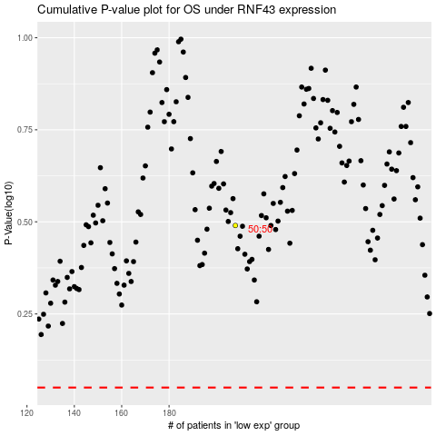

 |  |  |  |  |  | cases_OS | p_OS | rank | exp
 |  |  |  |  |  |  | cases_RFS | p_RFS | rank | exp

