RNF44 _multivariate
Reported by Tex Li-Hsing Chi. tex@gate.sinica.edu.tw 2019-08-16

Table 2. The clinicopathological features of HNSCC cohort and RNF44 expression. (Chi square test)
Cutoff at -0.213 (49.8%)
 |  | RNF44 expression |  | RNF44 expression |  | (Optimised)
 | Features | Low | (%) | High | (%) | Case no | P-value | Remark | Matthews
Gender | Female | 143 | 34.5 | 163 | 39.3 | 415 | 0.0416 | 1 | 0
2 | Male | 64 | 15.4 | 45 | 10.8
Age at diagnosis | <=65y | 128 | 30.8 | 146 | 35.2 | 415 | 0.0904 | 0 | 0
4 | >65y | 79 | 19 | 62 | 14.9
Clinical T Status | T1+T2 | 72 | 17.3 | 77 | 18.6 | 415 | 0.7095 | 0 | 0
6 | T3+T4 | 135 | 32.5 | 131 | 31.6
Clinical N Status | N0 | 114 | 27.5 | 102 | 24.6 | 415 | 0.2576 | 1 | 0
8 | N1-3 | 93 | 22.4 | 106 | 25.5
Clinical M Status | M0 | 205 | 49.4 | 207 | 49.9 | 415 | 0.6232 | 0 | 0
10 | M1 | 2 | 0.5 | 1 | 0.2
Clinical Stage | Stage I+II | 55 | 13.3 | 47 | 11.3 | 415 | 0.4087 | 0 | 0
12 | Stage III+IV | 152 | 36.6 | 161 | 38.8
Surgical Margin status | Negative | 162 | 39 | 156 | 37.6 | 415 | 0.4867 | 0 | 0
14 | Positive | 45 | 10.8 | 52 | 12.5
Tobacco Exposure | Low | 79 | 19 | 82 | 19.8 | 415 | 0.8405 | 0 | 0
16 | High | 128 | 30.8 | 126 | 30.4

Table 3. Univariate/Multivariate Cox's proportional hazards regression analyses on OS time of RNF44 gene expression in HNSCC

 |  | Univariate |  |  |  | Multivariate
 | Features | HR | CI95%(L) | CI95%(H) | P-value | HR | CI95%(L) | CI95%(H) | P-value
1 | Female | 1 |  |  |  | 1
Gender | Male | 1.157 | 0.843 | 1.587 | 0.367 | 1.169 | 0.833 | 1.64 | 0.367
11 | <=65y | 1 |  |  |  | 1
Age at diagnosis | >65y | 1.329 | 0.99 | 1.784 | 0.058 | 1.367 | 1.004 | 1.862 | 0.047
12 | T1+T2 | 1 |  |  |  | 1
Clinical T Status | T3+T4 | 1.409 | 1.028 | 1.931 | 0.033 | 2.16 | 1.141 | 4.088 | 0.018
13 | N0 | 1 |  |  |  | 1
Clinical N Status | N1-3 | 1.185 | 0.89 | 1.577 | 0.246 | 1.241 | 0.869 | 1.771 | 0.234
14 | M0 | 1 |  |  |  | 1
Clinical M Status | M1 | 4.097 | 1.009 | 16.644 | 0.049 | 8.678 | 1.88 | 40.059 | 0.006
15 | Stage I+II | 1 |  |  |  | 1
Clinical Stage | Stage III+IV | 1.245 | 0.882 | 1.759 | 0.213 | 0.52 | 0.242 | 1.118 | 0.094
16 | Negative | 1 |  |  |  | 1
Surgical Margin status | Positive | 1.591 | 1.155 | 2.191 | 0.004 | 1.691 | 1.223 | 2.339 | 0.001
17 | Low | 1 |  |  |  | 1
Tobacco Exposure | High | 1.364 | 1.008 | 1.844 | 0.044 | 1.415 | 1.024 | 1.957 | 0.036
18 | Low | 1 |  |  |  | 1
RNAseq(z-score) | High | 0.782 | 0.587 | 1.044 | 0.095 | 0.85 | 0.631 | 1.145 | 0.285

Table 4. Univariate/Multivariate Cox's proportional hazards regression analyses on RFS time of RNF44 gene expression in HNSCC

 |  | Univariate |  |  |  | Multivariate
 | Features | HR | CI95%(L) | CI95%(H) | P-value | HR | CI95%(L) | CI95%(H) | P-value
1 | Female | 1 |  |  |  | 1
Gender | Male | 1.157 | 0.843 | 1.587 | 0.367 | 1.169 | 0.833 | 1.64 | 0.367
11 | <=65y | 1 |  |  |  | 1
Age at diagnosis | >65y | 1.329 | 0.99 | 1.784 | 0.058 | 1.367 | 1.004 | 1.862 | 0.047
12 | T1+T2 | 1 |  |  |  | 1
Clinical T Status | T3+T4 | 1.409 | 1.028 | 1.931 | 0.033 | 2.16 | 1.141 | 4.088 | 0.018
13 | N0 | 1 |  |  |  | 1
Clinical N Status | N1-3 | 1.185 | 0.89 | 1.577 | 0.246 | 1.241 | 0.869 | 1.771 | 0.234
14 | M0 | 1 |  |  |  | 1
Clinical M Status | M1 | 4.097 | 1.009 | 16.644 | 0.049 | 8.678 | 1.88 | 40.059 | 0.006
15 | Stage I+II | 1 |  |  |  | 1
Clinical Stage | Stage III+IV | 1.245 | 0.882 | 1.759 | 0.213 | 0.52 | 0.242 | 1.118 | 0.094
16 | Negative | 1 |  |  |  | 1
Surgical Margin status | Positive | 1.591 | 1.155 | 2.191 | 0.004 | 1.691 | 1.223 | 2.339 | 0.001
17 | Low | 1 |  |  |  | 1
Tobacco Exposure | High | 1.364 | 1.008 | 1.844 | 0.044 | 1.415 | 1.024 | 1.957 | 0.036
18 | Low | 1 |  |  |  | 1
RNAseq(z-score) | High | 0.782 | 0.587 | 1.044 | 0.095 | 0.85 | 0.631 | 1.145 | 0.285

Kaplan-Meier survival estimate: Cutoff at -0.213 (49.8%)



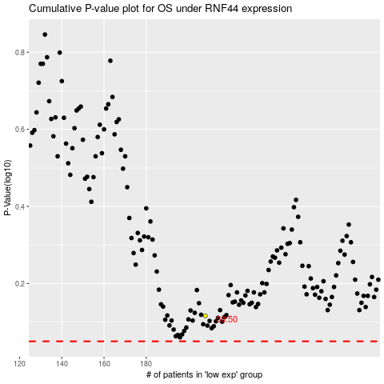

 |  |  |  |  |  | cases_OS | p_OS | rank | exp
 |  |  |  |  |  |  | cases_RFS | p_RFS | rank | exp

