RNF5P1 _multivariate
Reported by Tex Li-Hsing Chi. tex@gate.sinica.edu.tw 2019-08-16

Table 2. The clinicopathological features of HNSCC cohort and RNF5P1 expression. (Chi square test)
Cutoff at -0.317 (50.0%)
 |  | RNF5P1 expression |  | RNF5P1 expression |  | (Optimised)
 | Features | Low | (%) | High | (%) | Case no | P-value | Remark | Matthews
Gender | Female | 151 | 36.4 | 155 | 37.3 | 415 | 0.8007 | 0 | 0
2 | Male | 56 | 13.5 | 53 | 12.8
Age at diagnosis | <=65y | 128 | 30.8 | 146 | 35.2 | 415 | 0.0904 | 0 | 0
4 | >65y | 79 | 19 | 62 | 14.9
Clinical T Status | T1+T2 | 69 | 16.6 | 80 | 19.3 | 415 | 0.3239 | 0 | 0
6 | T3+T4 | 138 | 33.3 | 128 | 30.8
Clinical N Status | N0 | 121 | 29.2 | 95 | 22.9 | 415 | 0.0122 | 1 | 0
8 | N1-3 | 86 | 20.7 | 113 | 27.2
Clinical M Status | M0 | 205 | 49.4 | 207 | 49.9 | 415 | 0.6232 | 0 | 0
10 | M1 | 2 | 0.5 | 1 | 0.2
Clinical Stage | Stage I+II | 52 | 12.5 | 50 | 12 | 415 | 0.8871 | 0 | 0
12 | Stage III+IV | 155 | 37.3 | 158 | 38.1
Surgical Margin status | Negative | 163 | 39.3 | 155 | 37.3 | 415 | 0.3537 | 0 | 0
14 | Positive | 44 | 10.6 | 53 | 12.8
Tobacco Exposure | Low | 78 | 18.8 | 83 | 20 | 415 | 0.6873 | 0 | 0
16 | High | 129 | 31.1 | 125 | 30.1

Table 3. Univariate/Multivariate Cox's proportional hazards regression analyses on OS time of RNF5P1 gene expression in HNSCC

 |  | Univariate |  |  |  | Multivariate
 | Features | HR | CI95%(L) | CI95%(H) | P-value | HR | CI95%(L) | CI95%(H) | P-value
1 | Female | 1 |  |  |  | 1
Gender | Male | 1.157 | 0.843 | 1.587 | 0.367 | 1.204 | 0.862 | 1.682 | 0.275
11 | <=65y | 1 |  |  |  | 1
Age at diagnosis | >65y | 1.329 | 0.99 | 1.784 | 0.058 | 1.409 | 1.034 | 1.919 | 0.03
12 | T1+T2 | 1 |  |  |  | 1
Clinical T Status | T3+T4 | 1.409 | 1.028 | 1.931 | 0.033 | 2.227 | 1.176 | 4.216 | 0.014
13 | N0 | 1 |  |  |  | 1
Clinical N Status | N1-3 | 1.185 | 0.89 | 1.577 | 0.246 | 1.228 | 0.86 | 1.755 | 0.259
14 | M0 | 1 |  |  |  | 1
Clinical M Status | M1 | 4.097 | 1.009 | 16.644 | 0.049 | 9.637 | 2.098 | 44.264 | 0.004
15 | Stage I+II | 1 |  |  |  | 1
Clinical Stage | Stage III+IV | 1.245 | 0.882 | 1.759 | 0.213 | 0.501 | 0.233 | 1.076 | 0.076
16 | Negative | 1 |  |  |  | 1
Surgical Margin status | Positive | 1.591 | 1.155 | 2.191 | 0.004 | 1.66 | 1.2 | 2.295 | 0.002
17 | Low | 1 |  |  |  | 1
Tobacco Exposure | High | 1.364 | 1.008 | 1.844 | 0.044 | 1.456 | 1.057 | 2.006 | 0.021
18 | Low | 1 |  |  |  | 1
RNAseq(z-score) | High | 1.071 | 0.803 | 1.429 | 0.64 | 1.101 | 0.821 | 1.477 | 0.52

Table 4. Univariate/Multivariate Cox's proportional hazards regression analyses on RFS time of RNF5P1 gene expression in HNSCC

 |  | Univariate |  |  |  | Multivariate
 | Features | HR | CI95%(L) | CI95%(H) | P-value | HR | CI95%(L) | CI95%(H) | P-value
1 | Female | 1 |  |  |  | 1
Gender | Male | 1.157 | 0.843 | 1.587 | 0.367 | 1.204 | 0.862 | 1.682 | 0.275
11 | <=65y | 1 |  |  |  | 1
Age at diagnosis | >65y | 1.329 | 0.99 | 1.784 | 0.058 | 1.409 | 1.034 | 1.919 | 0.03
12 | T1+T2 | 1 |  |  |  | 1
Clinical T Status | T3+T4 | 1.409 | 1.028 | 1.931 | 0.033 | 2.227 | 1.176 | 4.216 | 0.014
13 | N0 | 1 |  |  |  | 1
Clinical N Status | N1-3 | 1.185 | 0.89 | 1.577 | 0.246 | 1.228 | 0.86 | 1.755 | 0.259
14 | M0 | 1 |  |  |  | 1
Clinical M Status | M1 | 4.097 | 1.009 | 16.644 | 0.049 | 9.637 | 2.098 | 44.264 | 0.004
15 | Stage I+II | 1 |  |  |  | 1
Clinical Stage | Stage III+IV | 1.245 | 0.882 | 1.759 | 0.213 | 0.501 | 0.233 | 1.076 | 0.076
16 | Negative | 1 |  |  |  | 1
Surgical Margin status | Positive | 1.591 | 1.155 | 2.191 | 0.004 | 1.66 | 1.2 | 2.295 | 0.002
17 | Low | 1 |  |  |  | 1
Tobacco Exposure | High | 1.364 | 1.008 | 1.844 | 0.044 | 1.456 | 1.057 | 2.006 | 0.021
18 | Low | 1 |  |  |  | 1
RNAseq(z-score) | High | 1.071 | 0.803 | 1.429 | 0.64 | 1.101 | 0.821 | 1.477 | 0.52

Kaplan-Meier survival estimate: Cutoff at -0.317 (50.0%)



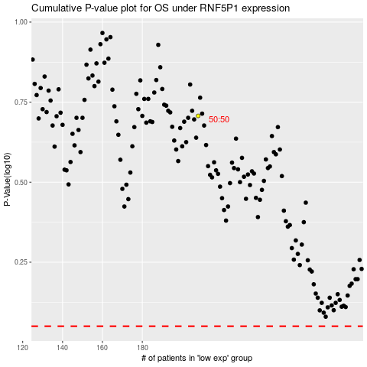

 |  |  |  |  |  | cases_OS | p_OS | rank | exp
 |  |  |  |  |  |  | cases_RFS | p_RFS | rank | exp

