RNF6 _multivariate
Reported by Tex Li-Hsing Chi. tex@gate.sinica.edu.tw 2019-08-16

Table 2. The clinicopathological features of HNSCC cohort and RNF6 expression. (Chi square test)
Cutoff at -0.088 (49.8%)
 |  | RNF6 expression |  | RNF6 expression |  | (Optimised)
 | Features | Low | (%) | High | (%) | Case no | P-value | Remark | Matthews
Gender | Female | 164 | 39.5 | 142 | 34.2 | 415 | 0.0153 | 1 | 0
2 | Male | 43 | 10.4 | 66 | 15.9
Age at diagnosis | <=65y | 139 | 33.5 | 135 | 32.5 | 415 | 0.7044 | 0 | 0
4 | >65y | 68 | 16.4 | 73 | 17.6
Clinical T Status | T1+T2 | 72 | 17.3 | 77 | 18.6 | 415 | 0.7095 | 0 | 0
6 | T3+T4 | 135 | 32.5 | 131 | 31.6
Clinical N Status | N0 | 102 | 24.6 | 114 | 27.5 | 415 | 0.3031 | 0 | 0
8 | N1-3 | 105 | 25.3 | 94 | 22.7
Clinical M Status | M0 | 206 | 49.6 | 206 | 49.6 | 415 | 1 | 0 | 0
10 | M1 | 1 | 0.2 | 2 | 0.5
Clinical Stage | Stage I+II | 43 | 10.4 | 59 | 14.2 | 415 | 0.0925 | 0 | 0
12 | Stage III+IV | 164 | 39.5 | 149 | 35.9
Surgical Margin status | Negative | 155 | 37.3 | 163 | 39.3 | 415 | 0.4187 | 0 | 0
14 | Positive | 52 | 12.5 | 45 | 10.8
Tobacco Exposure | Low | 86 | 20.7 | 75 | 18.1 | 415 | 0.2687 | 0 | 0
16 | High | 121 | 29.2 | 133 | 32

Table 3. Univariate/Multivariate Cox's proportional hazards regression analyses on OS time of RNF6 gene expression in HNSCC

 |  | Univariate |  |  |  | Multivariate
 | Features | HR | CI95%(L) | CI95%(H) | P-value | HR | CI95%(L) | CI95%(H) | P-value
1 | Female | 1 |  |  |  | 1
Gender | Male | 1.157 | 0.843 | 1.587 | 0.367 | 1.176 | 0.841 | 1.644 | 0.344
11 | <=65y | 1 |  |  |  | 1
Age at diagnosis | >65y | 1.329 | 0.99 | 1.784 | 0.058 | 1.397 | 1.028 | 1.9 | 0.033
12 | T1+T2 | 1 |  |  |  | 1
Clinical T Status | T3+T4 | 1.409 | 1.028 | 1.931 | 0.033 | 2.199 | 1.163 | 4.16 | 0.015
13 | N0 | 1 |  |  |  | 1
Clinical N Status | N1-3 | 1.185 | 0.89 | 1.577 | 0.246 | 1.25 | 0.876 | 1.783 | 0.219
14 | M0 | 1 |  |  |  | 1
Clinical M Status | M1 | 4.097 | 1.009 | 16.644 | 0.049 | 9.175 | 2 | 42.083 | 0.004
15 | Stage I+II | 1 |  |  |  | 1
Clinical Stage | Stage III+IV | 1.245 | 0.882 | 1.759 | 0.213 | 0.512 | 0.238 | 1.1 | 0.086
16 | Negative | 1 |  |  |  | 1
Surgical Margin status | Positive | 1.591 | 1.155 | 2.191 | 0.004 | 1.704 | 1.231 | 2.36 | 0.001
17 | Low | 1 |  |  |  | 1
Tobacco Exposure | High | 1.364 | 1.008 | 1.844 | 0.044 | 1.439 | 1.044 | 1.983 | 0.026
18 | Low | 1 |  |  |  | 1
RNAseq(z-score) | High | 1.139 | 0.854 | 1.518 | 0.376 | 1.186 | 0.886 | 1.589 | 0.252

Table 4. Univariate/Multivariate Cox's proportional hazards regression analyses on RFS time of RNF6 gene expression in HNSCC

 |  | Univariate |  |  |  | Multivariate
 | Features | HR | CI95%(L) | CI95%(H) | P-value | HR | CI95%(L) | CI95%(H) | P-value
1 | Female | 1 |  |  |  | 1
Gender | Male | 1.157 | 0.843 | 1.587 | 0.367 | 1.176 | 0.841 | 1.644 | 0.344
11 | <=65y | 1 |  |  |  | 1
Age at diagnosis | >65y | 1.329 | 0.99 | 1.784 | 0.058 | 1.397 | 1.028 | 1.9 | 0.033
12 | T1+T2 | 1 |  |  |  | 1
Clinical T Status | T3+T4 | 1.409 | 1.028 | 1.931 | 0.033 | 2.199 | 1.163 | 4.16 | 0.015
13 | N0 | 1 |  |  |  | 1
Clinical N Status | N1-3 | 1.185 | 0.89 | 1.577 | 0.246 | 1.25 | 0.876 | 1.783 | 0.219
14 | M0 | 1 |  |  |  | 1
Clinical M Status | M1 | 4.097 | 1.009 | 16.644 | 0.049 | 9.175 | 2 | 42.083 | 0.004
15 | Stage I+II | 1 |  |  |  | 1
Clinical Stage | Stage III+IV | 1.245 | 0.882 | 1.759 | 0.213 | 0.512 | 0.238 | 1.1 | 0.086
16 | Negative | 1 |  |  |  | 1
Surgical Margin status | Positive | 1.591 | 1.155 | 2.191 | 0.004 | 1.704 | 1.231 | 2.36 | 0.001
17 | Low | 1 |  |  |  | 1
Tobacco Exposure | High | 1.364 | 1.008 | 1.844 | 0.044 | 1.439 | 1.044 | 1.983 | 0.026
18 | Low | 1 |  |  |  | 1
RNAseq(z-score) | High | 1.139 | 0.854 | 1.518 | 0.376 | 1.186 | 0.886 | 1.589 | 0.252

Kaplan-Meier survival estimate: Cutoff at -0.088 (49.8%)



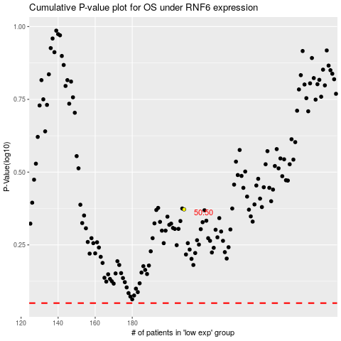

 |  |  |  |  |  | cases_OS | p_OS | rank | exp
 |  |  |  |  |  |  | cases_RFS | p_RFS | rank | exp

