RNFT1 _multivariate
Reported by Tex Li-Hsing Chi. tex@gate.sinica.edu.tw 2019-08-16

Table 2. The clinicopathological features of HNSCC cohort and RNFT1 expression. (Chi square test)
Cutoff at -0.163 (49.8%)
 |  | RNFT1 expression |  | RNFT1 expression |  | (Optimised)
 | Features | Low | (%) | High | (%) | Case no | P-value | Remark | Matthews
Gender | Female | 152 | 36.6 | 154 | 37.1 | 415 | 0.9766 | 0 | 0
2 | Male | 55 | 13.3 | 54 | 13
Age at diagnosis | <=65y | 131 | 31.6 | 143 | 34.5 | 415 | 0.2839 | 0 | 0
4 | >65y | 76 | 18.3 | 65 | 15.7
Clinical T Status | T1+T2 | 67 | 16.1 | 82 | 19.8 | 415 | 0.1628 | 0 | 0
6 | T3+T4 | 140 | 33.7 | 126 | 30.4
Clinical N Status | N0 | 114 | 27.5 | 102 | 24.6 | 415 | 0.2576 | 1 | 0
8 | N1-3 | 93 | 22.4 | 106 | 25.5
Clinical M Status | M0 | 205 | 49.4 | 207 | 49.9 | 415 | 0.6232 | 0 | 0
10 | M1 | 2 | 0.5 | 1 | 0.2
Clinical Stage | Stage I+II | 46 | 11.1 | 56 | 13.5 | 415 | 0.3182 | 0 | 0
12 | Stage III+IV | 161 | 38.8 | 152 | 36.6
Surgical Margin status | Negative | 165 | 39.8 | 153 | 36.9 | 415 | 0.1639 | 0 | 0
14 | Positive | 42 | 10.1 | 55 | 13.3
Tobacco Exposure | Low | 83 | 20 | 78 | 18.8 | 415 | 0.6152 | 0 | 0
16 | High | 124 | 29.9 | 130 | 31.3

Table 3. Univariate/Multivariate Cox's proportional hazards regression analyses on OS time of RNFT1 gene expression in HNSCC

 |  | Univariate |  |  |  | Multivariate
 | Features | HR | CI95%(L) | CI95%(H) | P-value | HR | CI95%(L) | CI95%(H) | P-value
1 | Female | 1 |  |  |  | 1
Gender | Male | 1.157 | 0.843 | 1.587 | 0.367 | 1.204 | 0.861 | 1.683 | 0.278
11 | <=65y | 1 |  |  |  | 1
Age at diagnosis | >65y | 1.329 | 0.99 | 1.784 | 0.058 | 1.389 | 1.021 | 1.89 | 0.036
12 | T1+T2 | 1 |  |  |  | 1
Clinical T Status | T3+T4 | 1.409 | 1.028 | 1.931 | 0.033 | 2.198 | 1.162 | 4.156 | 0.015
13 | N0 | 1 |  |  |  | 1
Clinical N Status | N1-3 | 1.185 | 0.89 | 1.577 | 0.246 | 1.246 | 0.871 | 1.783 | 0.228
14 | M0 | 1 |  |  |  | 1
Clinical M Status | M1 | 4.097 | 1.009 | 16.644 | 0.049 | 9.302 | 2.021 | 42.821 | 0.004
15 | Stage I+II | 1 |  |  |  | 1
Clinical Stage | Stage III+IV | 1.245 | 0.882 | 1.759 | 0.213 | 0.503 | 0.235 | 1.081 | 0.078
16 | Negative | 1 |  |  |  | 1
Surgical Margin status | Positive | 1.591 | 1.155 | 2.191 | 0.004 | 1.673 | 1.211 | 2.312 | 0.002
17 | Low | 1 |  |  |  | 1
Tobacco Exposure | High | 1.364 | 1.008 | 1.844 | 0.044 | 1.455 | 1.055 | 2.006 | 0.022
18 | Low | 1 |  |  |  | 1
RNAseq(z-score) | High | 0.961 | 0.722 | 1.28 | 0.788 | 0.972 | 0.726 | 1.302 | 0.848

Table 4. Univariate/Multivariate Cox's proportional hazards regression analyses on RFS time of RNFT1 gene expression in HNSCC

 |  | Univariate |  |  |  | Multivariate
 | Features | HR | CI95%(L) | CI95%(H) | P-value | HR | CI95%(L) | CI95%(H) | P-value
1 | Female | 1 |  |  |  | 1
Gender | Male | 1.157 | 0.843 | 1.587 | 0.367 | 1.204 | 0.861 | 1.683 | 0.278
11 | <=65y | 1 |  |  |  | 1
Age at diagnosis | >65y | 1.329 | 0.99 | 1.784 | 0.058 | 1.389 | 1.021 | 1.89 | 0.036
12 | T1+T2 | 1 |  |  |  | 1
Clinical T Status | T3+T4 | 1.409 | 1.028 | 1.931 | 0.033 | 2.198 | 1.162 | 4.156 | 0.015
13 | N0 | 1 |  |  |  | 1
Clinical N Status | N1-3 | 1.185 | 0.89 | 1.577 | 0.246 | 1.246 | 0.871 | 1.783 | 0.228
14 | M0 | 1 |  |  |  | 1
Clinical M Status | M1 | 4.097 | 1.009 | 16.644 | 0.049 | 9.302 | 2.021 | 42.821 | 0.004
15 | Stage I+II | 1 |  |  |  | 1
Clinical Stage | Stage III+IV | 1.245 | 0.882 | 1.759 | 0.213 | 0.503 | 0.235 | 1.081 | 0.078
16 | Negative | 1 |  |  |  | 1
Surgical Margin status | Positive | 1.591 | 1.155 | 2.191 | 0.004 | 1.673 | 1.211 | 2.312 | 0.002
17 | Low | 1 |  |  |  | 1
Tobacco Exposure | High | 1.364 | 1.008 | 1.844 | 0.044 | 1.455 | 1.055 | 2.006 | 0.022
18 | Low | 1 |  |  |  | 1
RNAseq(z-score) | High | 0.961 | 0.722 | 1.28 | 0.788 | 0.972 | 0.726 | 1.302 | 0.848

Kaplan-Meier survival estimate: Cutoff at -0.163 (49.8%)



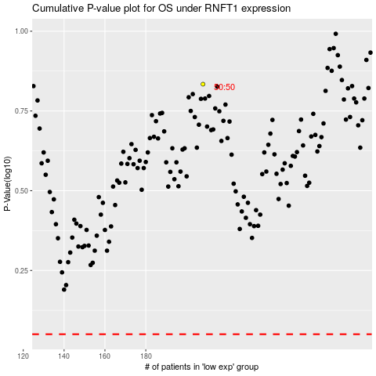

 |  |  |  |  |  | cases_OS | p_OS | rank | exp
 |  |  |  |  |  |  | cases_RFS | p_RFS | rank | exp

