RNFT2 _multivariate
Reported by Tex Li-Hsing Chi. tex@gate.sinica.edu.tw 2019-08-16

Table 2. The clinicopathological features of HNSCC cohort and RNFT2 expression. (Chi square test)
Cutoff at -0.236 (65.5%)
 |  | RNFT2 expression |  | RNFT2 expression |  | (Optimised)
 | Features | Low | (%) | High | (%) | Case no | P-value | Remark | Matthews
Gender | Female | 192 | 46.3 | 114 | 27.5 | 415 | 0.0585 | 0 | 0
2 | Male | 80 | 19.3 | 29 | 7
Age at diagnosis | <=65y | 177 | 42.7 | 97 | 23.4 | 415 | 0.6492 | 0 | 0
4 | >65y | 95 | 22.9 | 46 | 11.1
Clinical T Status | T1+T2 | 103 | 24.8 | 46 | 11.1 | 415 | 0.2971 | 0 | 0
6 | T3+T4 | 169 | 40.7 | 97 | 23.4
Clinical N Status | N0 | 140 | 33.7 | 76 | 18.3 | 415 | 0.8247 | 0 | 0
8 | N1-3 | 132 | 31.8 | 67 | 16.1
Clinical M Status | M0 | 269 | 64.8 | 143 | 34.5 | 415 | 0.5543 | 0 | 0
10 | M1 | 3 | 0.7 | 0 | 0
Clinical Stage | Stage I+II | 77 | 18.6 | 25 | 6 | 415 | 0.0206 | 1 | 0
12 | Stage III+IV | 195 | 47 | 118 | 28.4
Surgical Margin status | Negative | 212 | 51.1 | 106 | 25.5 | 415 | 0.3948 | 0 | 0
14 | Positive | 60 | 14.5 | 37 | 8.9
Tobacco Exposure | Low | 116 | 28 | 45 | 10.8 | 415 | 0.0338 | 1 | 0
16 | High | 156 | 37.6 | 98 | 23.6

Table 3. Univariate/Multivariate Cox's proportional hazards regression analyses on OS time of RNFT2 gene expression in HNSCC

 |  | Univariate |  |  |  | Multivariate
 | Features | HR | CI95%(L) | CI95%(H) | P-value | HR | CI95%(L) | CI95%(H) | P-value
1 | Female | 1 |  |  |  | 1
Gender | Male | 1.157 | 0.843 | 1.587 | 0.367 | 1.164 | 0.832 | 1.629 | 0.376
11 | <=65y | 1 |  |  |  | 1
Age at diagnosis | >65y | 1.329 | 0.99 | 1.784 | 0.058 | 1.382 | 1.016 | 1.879 | 0.039
12 | T1+T2 | 1 |  |  |  | 1
Clinical T Status | T3+T4 | 1.409 | 1.028 | 1.931 | 0.033 | 2.08 | 1.098 | 3.94 | 0.025
13 | N0 | 1 |  |  |  | 1
Clinical N Status | N1-3 | 1.185 | 0.89 | 1.577 | 0.246 | 1.205 | 0.844 | 1.72 | 0.304
14 | M0 | 1 |  |  |  | 1
Clinical M Status | M1 | 4.097 | 1.009 | 16.644 | 0.049 | 7.858 | 1.705 | 36.221 | 0.008
15 | Stage I+II | 1 |  |  |  | 1
Clinical Stage | Stage III+IV | 1.245 | 0.882 | 1.759 | 0.213 | 0.566 | 0.262 | 1.223 | 0.148
16 | Negative | 1 |  |  |  | 1
Surgical Margin status | Positive | 1.591 | 1.155 | 2.191 | 0.004 | 1.702 | 1.232 | 2.35 | 0.001
17 | Low | 1 |  |  |  | 1
Tobacco Exposure | High | 1.364 | 1.008 | 1.844 | 0.044 | 1.509 | 1.093 | 2.083 | 0.012
18 | Low | 1 |  |  |  | 1
RNAseq(z-score) | High | 0.685 | 0.499 | 0.939 | 0.019 | 0.679 | 0.492 | 0.939 | 0.019

Table 4. Univariate/Multivariate Cox's proportional hazards regression analyses on RFS time of RNFT2 gene expression in HNSCC

 |  | Univariate |  |  |  | Multivariate
 | Features | HR | CI95%(L) | CI95%(H) | P-value | HR | CI95%(L) | CI95%(H) | P-value
1 | Female | 1 |  |  |  | 1
Gender | Male | 1.157 | 0.843 | 1.587 | 0.367 | 1.164 | 0.832 | 1.629 | 0.376
11 | <=65y | 1 |  |  |  | 1
Age at diagnosis | >65y | 1.329 | 0.99 | 1.784 | 0.058 | 1.382 | 1.016 | 1.879 | 0.039
12 | T1+T2 | 1 |  |  |  | 1
Clinical T Status | T3+T4 | 1.409 | 1.028 | 1.931 | 0.033 | 2.08 | 1.098 | 3.94 | 0.025
13 | N0 | 1 |  |  |  | 1
Clinical N Status | N1-3 | 1.185 | 0.89 | 1.577 | 0.246 | 1.205 | 0.844 | 1.72 | 0.304
14 | M0 | 1 |  |  |  | 1
Clinical M Status | M1 | 4.097 | 1.009 | 16.644 | 0.049 | 7.858 | 1.705 | 36.221 | 0.008
15 | Stage I+II | 1 |  |  |  | 1
Clinical Stage | Stage III+IV | 1.245 | 0.882 | 1.759 | 0.213 | 0.566 | 0.262 | 1.223 | 0.148
16 | Negative | 1 |  |  |  | 1
Surgical Margin status | Positive | 1.591 | 1.155 | 2.191 | 0.004 | 1.702 | 1.232 | 2.35 | 0.001
17 | Low | 1 |  |  |  | 1
Tobacco Exposure | High | 1.364 | 1.008 | 1.844 | 0.044 | 1.509 | 1.093 | 2.083 | 0.012
18 | Low | 1 |  |  |  | 1
RNAseq(z-score) | High | 0.685 | 0.499 | 0.939 | 0.019 | 0.679 | 0.492 | 0.939 | 0.019

Kaplan-Meier survival estimate: Cutoff at -0.236 (65.5%)

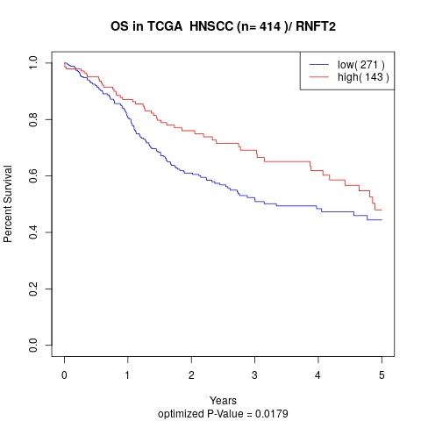

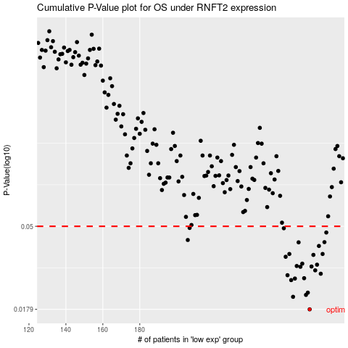

 |  |  |  |  |  | cases_OS | p_OS | rank | exp
 |  |  |  |  |  | 272 | 0.0179 | 205 | -0.23565339736
 |  |  |  |  |  | 263 | 0.0209 | 129 | -0.26463782116
 |  |  |  |  |  | 270 | 0.0214 | 25 | -0.23696257281
 |  |  |  |  |  | 271 | 0.022 | 82 | -0.23687489409
 |  |  |  |  |  | 262 | 0.0257 | 209 | -0.27399302077
 |  |  |  |  |  | 264 | 0.0262 | 317 | -0.26082079403
 |  |  |  |  |  | 269 | 0.0263 | 323 | -0.24453777424
 |  |  |  |  |  | 260 | 0.0273 | 50 | -0.27579463836
 |  |  |  |  |  | 278 | 0.0278 | 73 | -0.21369648324
 |  |  |  |  |  | 275 | 0.029 | 313 | -0.23322241469
 |  |  |  |  |  | 267 | 0.0303 | 145 | -0.25019485347
 |  |  |  |  |  | 273 | 0.0304 | 382 | -0.23382655712
 |  |  |  |  |  | 265 | 0.0306 | 111 | -0.25881379203
 |  |  |  |  |  | 276 | 0.0311 | 400 | -0.23269033696
 |  |  |  |  |  | 268 | 0.0315 | 273 | -0.24841125206
 |  |  |  |  |  | 259 | 0.0343 | 265 | -0.27619459747
 |  |  |  |  |  | 274 | 0.0351 | 87 | -0.23364519428
 |  |  |  |  |  | 261 | 0.0355 | 38 | -0.27496829643
 |  |  |  |  |  | 279 | 0.0355 | 293 | -0.21072141206
 |  |  |  |  |  | 277 | 0.0392 | 191 | -0.21954093071
 |  |  |  |  |  | 266 | 0.041 | 207 | -0.25856757096
 |  |  |  |  |  | 280 | 0.0411 | 29 | -0.20625460151
 |  |  |  |  |  | 206 | 0.0422 | 156 | -0.40073321506
 |  |  |  |  |  | 281 | 0.0463 | 139 | -0.20389328139
 |  |  |  |  |  | 258 | 0.0488 | 225 | -0.28001042353
 |  |  |  |  |  | 207 | 0.049 | 315 | -0.40028521282
 |  |  |  |  |  |  | cases_RFS | p_RFS | rank | exp
 |  |  |  |  |  |  | 271 | 0.0179 | 82 | -0.23687489409
 |  |  |  |  |  |  | 262 | 0.0209 | 209 | -0.27399302077
 |  |  |  |  |  |  | 269 | 0.0214 | 323 | -0.24453777424
 |  |  |  |  |  |  | 270 | 0.022 | 25 | -0.23696257281
 |  |  |  |  |  |  | 261 | 0.0257 | 38 | -0.27496829643
 |  |  |  |  |  |  | 263 | 0.0262 | 129 | -0.26463782116
 |  |  |  |  |  |  | 268 | 0.0263 | 273 | -0.24841125206
 |  |  |  |  |  |  | 259 | 0.0273 | 265 | -0.27619459747
 |  |  |  |  |  |  | 277 | 0.0278 | 191 | -0.21954093071
 |  |  |  |  |  |  | 274 | 0.029 | 87 | -0.23364519428
 |  |  |  |  |  |  | 266 | 0.0303 | 207 | -0.25856757096
 |  |  |  |  |  |  | 272 | 0.0304 | 205 | -0.23565339736
 |  |  |  |  |  |  | 264 | 0.0306 | 317 | -0.26082079403
 |  |  |  |  |  |  | 275 | 0.0311 | 313 | -0.23322241469
 |  |  |  |  |  |  | 267 | 0.0315 | 145 | -0.25019485347
 |  |  |  |  |  |  | 258 | 0.0343 | 225 | -0.28001042353
 |  |  |  |  |  |  | 273 | 0.0351 | 382 | -0.23382655712
 |  |  |  |  |  |  | 260 | 0.0355 | 50 | -0.27579463836
 |  |  |  |  |  |  | 278 | 0.0355 | 73 | -0.21369648324
 |  |  |  |  |  |  | 276 | 0.0392 | 400 | -0.23269033696
 |  |  |  |  |  |  | 265 | 0.041 | 111 | -0.25881379203
 |  |  |  |  |  |  | 279 | 0.0411 | 293 | -0.21072141206
 |  |  |  |  |  |  | 205 | 0.0422 | 66 | -0.40092298544
 |  |  |  |  |  |  | 280 | 0.0463 | 29 | -0.20625460151
 |  |  |  |  |  |  | 257 | 0.0488 | 279 | -0.28104935634
 |  |  |  |  |  |  | 206 | 0.049 | 156 | -0.40073321506

