RNH1 _multivariate
Reported by Tex Li-Hsing Chi. tex@gate.sinica.edu.tw 2019-08-16

Table 2. The clinicopathological features of HNSCC cohort and RNH1 expression. (Chi square test)
Cutoff at -0.182 (49.8%)
 |  | RNH1 expression |  | RNH1 expression |  | (Optimised)
 | Features | Low | (%) | High | (%) | Case no | P-value | Remark | Matthews
Gender | Female | 162 | 39 | 144 | 34.7 | 415 | 0.0479 | 1 | 0
2 | Male | 45 | 10.8 | 64 | 15.4
Age at diagnosis | <=65y | 137 | 33 | 137 | 33 | 415 | 1 | 0 | 0
4 | >65y | 70 | 16.9 | 71 | 17.1
Clinical T Status | T1+T2 | 73 | 17.6 | 76 | 18.3 | 415 | 0.8666 | 0 | 0
6 | T3+T4 | 134 | 32.3 | 132 | 31.8
Clinical N Status | N0 | 108 | 26 | 108 | 26 | 415 | 1 | 0 | 0
8 | N1-3 | 99 | 23.9 | 100 | 24.1
Clinical M Status | M0 | 206 | 49.6 | 206 | 49.6 | 415 | 1 | 0 | 0
10 | M1 | 1 | 0.2 | 2 | 0.5
Clinical Stage | Stage I+II | 49 | 11.8 | 53 | 12.8 | 415 | 0.7535 | 0 | 0
12 | Stage III+IV | 158 | 38.1 | 155 | 37.3
Surgical Margin status | Negative | 156 | 37.6 | 162 | 39 | 415 | 0.5636 | 0 | 0
14 | Positive | 51 | 12.3 | 46 | 11.1
Tobacco Exposure | Low | 72 | 17.3 | 89 | 21.4 | 415 | 0.1071 | 0 | 0
16 | High | 135 | 32.5 | 119 | 28.7

Table 3. Univariate/Multivariate Cox's proportional hazards regression analyses on OS time of RNH1 gene expression in HNSCC

 |  | Univariate |  |  |  | Multivariate
 | Features | HR | CI95%(L) | CI95%(H) | P-value | HR | CI95%(L) | CI95%(H) | P-value
1 | Female | 1 |  |  |  | 1
Gender | Male | 1.157 | 0.843 | 1.587 | 0.367 | 1.183 | 0.845 | 1.656 | 0.328
11 | <=65y | 1 |  |  |  | 1
Age at diagnosis | >65y | 1.329 | 0.99 | 1.784 | 0.058 | 1.401 | 1.03 | 1.905 | 0.031
12 | T1+T2 | 1 |  |  |  | 1
Clinical T Status | T3+T4 | 1.409 | 1.028 | 1.931 | 0.033 | 2.18 | 1.152 | 4.122 | 0.017
13 | N0 | 1 |  |  |  | 1
Clinical N Status | N1-3 | 1.185 | 0.89 | 1.577 | 0.246 | 1.238 | 0.868 | 1.766 | 0.239
14 | M0 | 1 |  |  |  | 1
Clinical M Status | M1 | 4.097 | 1.009 | 16.644 | 0.049 | 8.94 | 1.942 | 41.152 | 0.005
15 | Stage I+II | 1 |  |  |  | 1
Clinical Stage | Stage III+IV | 1.245 | 0.882 | 1.759 | 0.213 | 0.513 | 0.239 | 1.103 | 0.087
16 | Negative | 1 |  |  |  | 1
Surgical Margin status | Positive | 1.591 | 1.155 | 2.191 | 0.004 | 1.656 | 1.198 | 2.289 | 0.002
17 | Low | 1 |  |  |  | 1
Tobacco Exposure | High | 1.364 | 1.008 | 1.844 | 0.044 | 1.458 | 1.058 | 2.01 | 0.021
18 | Low | 1 |  |  |  | 1
RNAseq(z-score) | High | 1.171 | 0.878 | 1.561 | 0.282 | 1.136 | 0.849 | 1.52 | 0.392

Table 4. Univariate/Multivariate Cox's proportional hazards regression analyses on RFS time of RNH1 gene expression in HNSCC

 |  | Univariate |  |  |  | Multivariate
 | Features | HR | CI95%(L) | CI95%(H) | P-value | HR | CI95%(L) | CI95%(H) | P-value
1 | Female | 1 |  |  |  | 1
Gender | Male | 1.157 | 0.843 | 1.587 | 0.367 | 1.183 | 0.845 | 1.656 | 0.328
11 | <=65y | 1 |  |  |  | 1
Age at diagnosis | >65y | 1.329 | 0.99 | 1.784 | 0.058 | 1.401 | 1.03 | 1.905 | 0.031
12 | T1+T2 | 1 |  |  |  | 1
Clinical T Status | T3+T4 | 1.409 | 1.028 | 1.931 | 0.033 | 2.18 | 1.152 | 4.122 | 0.017
13 | N0 | 1 |  |  |  | 1
Clinical N Status | N1-3 | 1.185 | 0.89 | 1.577 | 0.246 | 1.238 | 0.868 | 1.766 | 0.239
14 | M0 | 1 |  |  |  | 1
Clinical M Status | M1 | 4.097 | 1.009 | 16.644 | 0.049 | 8.94 | 1.942 | 41.152 | 0.005
15 | Stage I+II | 1 |  |  |  | 1
Clinical Stage | Stage III+IV | 1.245 | 0.882 | 1.759 | 0.213 | 0.513 | 0.239 | 1.103 | 0.087
16 | Negative | 1 |  |  |  | 1
Surgical Margin status | Positive | 1.591 | 1.155 | 2.191 | 0.004 | 1.656 | 1.198 | 2.289 | 0.002
17 | Low | 1 |  |  |  | 1
Tobacco Exposure | High | 1.364 | 1.008 | 1.844 | 0.044 | 1.458 | 1.058 | 2.01 | 0.021
18 | Low | 1 |  |  |  | 1
RNAseq(z-score) | High | 1.171 | 0.878 | 1.561 | 0.282 | 1.136 | 0.849 | 1.52 | 0.392

Kaplan-Meier survival estimate: Cutoff at -0.182 (49.8%)



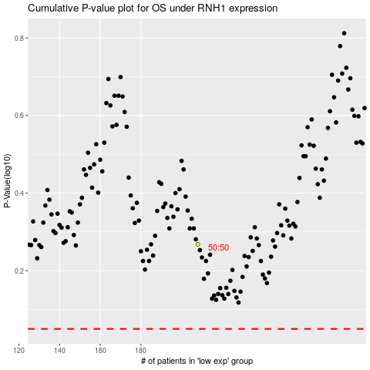

 |  |  |  |  |  | cases_OS | p_OS | rank | exp
 |  |  |  |  |  |  | cases_RFS | p_RFS | rank | exp

