RNLS _multivariate
Reported by Tex Li-Hsing Chi. tex@gate.sinica.edu.tw 2019-08-16

Table 2. The clinicopathological features of HNSCC cohort and RNLS expression. (Chi square test)
Cutoff at -0.151 (50.0%)
 |  | RNLS expression |  | RNLS expression |  | (Optimised)
 | Features | Low | (%) | High | (%) | Case no | P-value | Remark | Matthews
Gender | Female | 158 | 38.1 | 148 | 35.7 | 415 | 0.2774 | 0 | 0
2 | Male | 49 | 11.8 | 60 | 14.5
Age at diagnosis | <=65y | 133 | 32 | 141 | 34 | 415 | 0.5111 | 0 | 0
4 | >65y | 74 | 17.8 | 67 | 16.1
Clinical T Status | T1+T2 | 70 | 16.9 | 79 | 19 | 415 | 0.4343 | 0 | 0
6 | T3+T4 | 137 | 33 | 129 | 31.1
Clinical N Status | N0 | 107 | 25.8 | 109 | 26.3 | 415 | 0.9624 | 0 | 0
8 | N1-3 | 100 | 24.1 | 99 | 23.9
Clinical M Status | M0 | 205 | 49.4 | 207 | 49.9 | 415 | 0.6232 | 0 | 0
10 | M1 | 2 | 0.5 | 1 | 0.2
Clinical Stage | Stage I+II | 45 | 10.8 | 57 | 13.7 | 415 | 0.2202 | 0 | 0
12 | Stage III+IV | 162 | 39 | 151 | 36.4
Surgical Margin status | Negative | 155 | 37.3 | 163 | 39.3 | 415 | 0.4187 | 0 | 0
14 | Positive | 52 | 12.5 | 45 | 10.8
Tobacco Exposure | Low | 72 | 17.3 | 89 | 21.4 | 415 | 0.1071 | 0 | 0
16 | High | 135 | 32.5 | 119 | 28.7

Table 3. Univariate/Multivariate Cox's proportional hazards regression analyses on OS time of RNLS gene expression in HNSCC

 |  | Univariate |  |  |  | Multivariate
 | Features | HR | CI95%(L) | CI95%(H) | P-value | HR | CI95%(L) | CI95%(H) | P-value
1 | Female | 1 |  |  |  | 1
Gender | Male | 1.157 | 0.843 | 1.587 | 0.367 | 1.182 | 0.846 | 1.653 | 0.327
11 | <=65y | 1 |  |  |  | 1
Age at diagnosis | >65y | 1.329 | 0.99 | 1.784 | 0.058 | 1.409 | 1.036 | 1.918 | 0.029
12 | T1+T2 | 1 |  |  |  | 1
Clinical T Status | T3+T4 | 1.409 | 1.028 | 1.931 | 0.033 | 2.207 | 1.166 | 4.175 | 0.015
13 | N0 | 1 |  |  |  | 1
Clinical N Status | N1-3 | 1.185 | 0.89 | 1.577 | 0.246 | 1.227 | 0.859 | 1.751 | 0.26
14 | M0 | 1 |  |  |  | 1
Clinical M Status | M1 | 4.097 | 1.009 | 16.644 | 0.049 | 9.603 | 2.093 | 44.061 | 0.004
15 | Stage I+II | 1 |  |  |  | 1
Clinical Stage | Stage III+IV | 1.245 | 0.882 | 1.759 | 0.213 | 0.51 | 0.237 | 1.095 | 0.084
16 | Negative | 1 |  |  |  | 1
Surgical Margin status | Positive | 1.591 | 1.155 | 2.191 | 0.004 | 1.705 | 1.231 | 2.362 | 0.001
17 | Low | 1 |  |  |  | 1
Tobacco Exposure | High | 1.364 | 1.008 | 1.844 | 0.044 | 1.467 | 1.064 | 2.022 | 0.019
18 | Low | 1 |  |  |  | 1
RNAseq(z-score) | High | 1.077 | 0.809 | 1.434 | 0.612 | 1.159 | 0.865 | 1.552 | 0.324

Table 4. Univariate/Multivariate Cox's proportional hazards regression analyses on RFS time of RNLS gene expression in HNSCC

 |  | Univariate |  |  |  | Multivariate
 | Features | HR | CI95%(L) | CI95%(H) | P-value | HR | CI95%(L) | CI95%(H) | P-value
1 | Female | 1 |  |  |  | 1
Gender | Male | 1.157 | 0.843 | 1.587 | 0.367 | 1.182 | 0.846 | 1.653 | 0.327
11 | <=65y | 1 |  |  |  | 1
Age at diagnosis | >65y | 1.329 | 0.99 | 1.784 | 0.058 | 1.409 | 1.036 | 1.918 | 0.029
12 | T1+T2 | 1 |  |  |  | 1
Clinical T Status | T3+T4 | 1.409 | 1.028 | 1.931 | 0.033 | 2.207 | 1.166 | 4.175 | 0.015
13 | N0 | 1 |  |  |  | 1
Clinical N Status | N1-3 | 1.185 | 0.89 | 1.577 | 0.246 | 1.227 | 0.859 | 1.751 | 0.26
14 | M0 | 1 |  |  |  | 1
Clinical M Status | M1 | 4.097 | 1.009 | 16.644 | 0.049 | 9.603 | 2.093 | 44.061 | 0.004
15 | Stage I+II | 1 |  |  |  | 1
Clinical Stage | Stage III+IV | 1.245 | 0.882 | 1.759 | 0.213 | 0.51 | 0.237 | 1.095 | 0.084
16 | Negative | 1 |  |  |  | 1
Surgical Margin status | Positive | 1.591 | 1.155 | 2.191 | 0.004 | 1.705 | 1.231 | 2.362 | 0.001
17 | Low | 1 |  |  |  | 1
Tobacco Exposure | High | 1.364 | 1.008 | 1.844 | 0.044 | 1.467 | 1.064 | 2.022 | 0.019
18 | Low | 1 |  |  |  | 1
RNAseq(z-score) | High | 1.077 | 0.809 | 1.434 | 0.612 | 1.159 | 0.865 | 1.552 | 0.324

Kaplan-Meier survival estimate: Cutoff at -0.151 (50.0%)

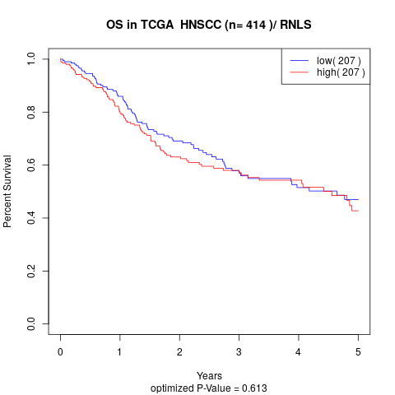

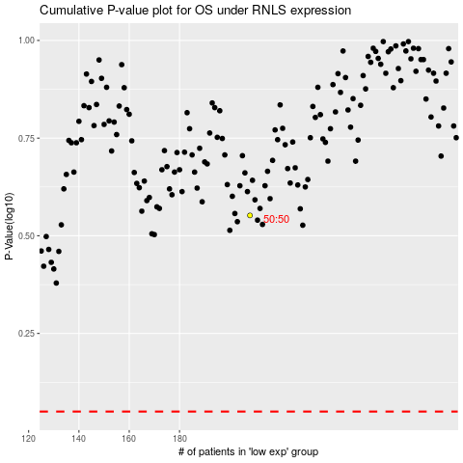

 |  |  |  |  |  | cases_OS | p_OS | rank | exp
 |  |  |  |  |  |  | cases_RFS | p_RFS | rank | exp

