RNMT _multivariate
Reported by Tex Li-Hsing Chi. tex@gate.sinica.edu.tw 2019-08-16

Table 2. The clinicopathological features of HNSCC cohort and RNMT expression. (Chi square test)
Cutoff at -0.18 (49.8%)
 |  | RNMT expression |  | RNMT expression |  | (Optimised)
 | Features | Low | (%) | High | (%) | Case no | P-value | Remark | Matthews
Gender | Female | 144 | 34.7 | 162 | 39 | 415 | 0.0697 | 0 | 0
2 | Male | 63 | 15.2 | 46 | 11.1
Age at diagnosis | <=65y | 126 | 30.4 | 148 | 35.7 | 415 | 0.035 | 1 | 0
4 | >65y | 81 | 19.5 | 60 | 14.5
Clinical T Status | T1+T2 | 84 | 20.2 | 65 | 15.7 | 415 | 0.0603 | 0 | 0
6 | T3+T4 | 123 | 29.6 | 143 | 34.5
Clinical N Status | N0 | 111 | 26.7 | 105 | 25.3 | 415 | 0.5875 | 0 | 0
8 | N1-3 | 96 | 23.1 | 103 | 24.8
Clinical M Status | M0 | 204 | 49.2 | 208 | 50.1 | 415 | 0.1232 | 0 | 0
10 | M1 | 3 | 0.7 | 0 | 0
Clinical Stage | Stage I+II | 60 | 14.5 | 42 | 10.1 | 415 | 0.0493 | 1 | 0
12 | Stage III+IV | 147 | 35.4 | 166 | 40
Surgical Margin status | Negative | 155 | 37.3 | 163 | 39.3 | 415 | 0.4187 | 0 | 0
14 | Positive | 52 | 12.5 | 45 | 10.8
Tobacco Exposure | Low | 96 | 23.1 | 65 | 15.7 | 415 | 0.0018 | 1 | 0
16 | High | 111 | 26.7 | 143 | 34.5

Table 3. Univariate/Multivariate Cox's proportional hazards regression analyses on OS time of RNMT gene expression in HNSCC

 |  | Univariate |  |  |  | Multivariate
 | Features | HR | CI95%(L) | CI95%(H) | P-value | HR | CI95%(L) | CI95%(H) | P-value
1 | Female | 1 |  |  |  | 1
Gender | Male | 1.157 | 0.843 | 1.587 | 0.367 | 1.207 | 0.863 | 1.688 | 0.271
11 | <=65y | 1 |  |  |  | 1
Age at diagnosis | >65y | 1.329 | 0.99 | 1.784 | 0.058 | 1.396 | 1.026 | 1.9 | 0.034
12 | T1+T2 | 1 |  |  |  | 1
Clinical T Status | T3+T4 | 1.409 | 1.028 | 1.931 | 0.033 | 2.207 | 1.167 | 4.173 | 0.015
13 | N0 | 1 |  |  |  | 1
Clinical N Status | N1-3 | 1.185 | 0.89 | 1.577 | 0.246 | 1.247 | 0.873 | 1.782 | 0.225
14 | M0 | 1 |  |  |  | 1
Clinical M Status | M1 | 4.097 | 1.009 | 16.644 | 0.049 | 9.664 | 2.088 | 44.726 | 0.004
15 | Stage I+II | 1 |  |  |  | 1
Clinical Stage | Stage III+IV | 1.245 | 0.882 | 1.759 | 0.213 | 0.5 | 0.232 | 1.076 | 0.076
16 | Negative | 1 |  |  |  | 1
Surgical Margin status | Positive | 1.591 | 1.155 | 2.191 | 0.004 | 1.682 | 1.214 | 2.329 | 0.002
17 | Low | 1 |  |  |  | 1
Tobacco Exposure | High | 1.364 | 1.008 | 1.844 | 0.044 | 1.447 | 1.049 | 1.996 | 0.024
18 | Low | 1 |  |  |  | 1
RNAseq(z-score) | High | 0.975 | 0.732 | 1.298 | 0.862 | 1.048 | 0.779 | 1.411 | 0.756

Table 4. Univariate/Multivariate Cox's proportional hazards regression analyses on RFS time of RNMT gene expression in HNSCC

 |  | Univariate |  |  |  | Multivariate
 | Features | HR | CI95%(L) | CI95%(H) | P-value | HR | CI95%(L) | CI95%(H) | P-value
1 | Female | 1 |  |  |  | 1
Gender | Male | 1.157 | 0.843 | 1.587 | 0.367 | 1.207 | 0.863 | 1.688 | 0.271
11 | <=65y | 1 |  |  |  | 1
Age at diagnosis | >65y | 1.329 | 0.99 | 1.784 | 0.058 | 1.396 | 1.026 | 1.9 | 0.034
12 | T1+T2 | 1 |  |  |  | 1
Clinical T Status | T3+T4 | 1.409 | 1.028 | 1.931 | 0.033 | 2.207 | 1.167 | 4.173 | 0.015
13 | N0 | 1 |  |  |  | 1
Clinical N Status | N1-3 | 1.185 | 0.89 | 1.577 | 0.246 | 1.247 | 0.873 | 1.782 | 0.225
14 | M0 | 1 |  |  |  | 1
Clinical M Status | M1 | 4.097 | 1.009 | 16.644 | 0.049 | 9.664 | 2.088 | 44.726 | 0.004
15 | Stage I+II | 1 |  |  |  | 1
Clinical Stage | Stage III+IV | 1.245 | 0.882 | 1.759 | 0.213 | 0.5 | 0.232 | 1.076 | 0.076
16 | Negative | 1 |  |  |  | 1
Surgical Margin status | Positive | 1.591 | 1.155 | 2.191 | 0.004 | 1.682 | 1.214 | 2.329 | 0.002
17 | Low | 1 |  |  |  | 1
Tobacco Exposure | High | 1.364 | 1.008 | 1.844 | 0.044 | 1.447 | 1.049 | 1.996 | 0.024
18 | Low | 1 |  |  |  | 1
RNAseq(z-score) | High | 0.975 | 0.732 | 1.298 | 0.862 | 1.048 | 0.779 | 1.411 | 0.756

Kaplan-Meier survival estimate: Cutoff at -0.18 (49.8%)



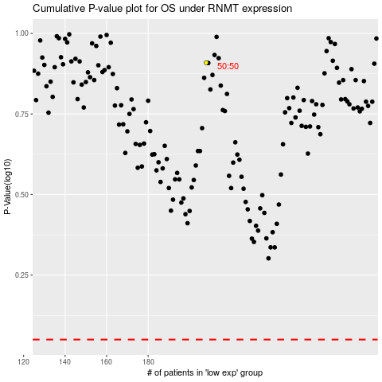

 |  |  |  |  |  | cases_OS | p_OS | rank | exp
 |  |  |  |  |  |  | cases_RFS | p_RFS | rank | exp

