ROCK1 _multivariate
Reported by Tex Li-Hsing Chi. tex@gate.sinica.edu.tw 2019-08-16

Table 2. The clinicopathological features of HNSCC cohort and ROCK1 expression. (Chi square test)
Cutoff at 0.052 (49.8%)
 |  | ROCK1 expression |  | ROCK1 expression |  | (Optimised)
 | Features | Low | (%) | High | (%) | Case no | P-value | Remark | Matthews
Gender | Female | 153 | 36.9 | 153 | 36.9 | 415 | 1 | 0 | 0
2 | Male | 54 | 13 | 55 | 13.3
Age at diagnosis | <=65y | 134 | 32.3 | 140 | 33.7 | 415 | 0.6529 | 0 | 0
4 | >65y | 73 | 17.6 | 68 | 16.4
Clinical T Status | T1+T2 | 76 | 18.3 | 73 | 17.6 | 415 | 0.8092 | 0 | 0
6 | T3+T4 | 131 | 31.6 | 135 | 32.5
Clinical N Status | N0 | 110 | 26.5 | 106 | 25.5 | 415 | 0.7294 | 0 | 0
8 | N1-3 | 97 | 23.4 | 102 | 24.6
Clinical M Status | M0 | 204 | 49.2 | 208 | 50.1 | 415 | 0.1232 | 0 | 0
10 | M1 | 3 | 0.7 | 0 | 0
Clinical Stage | Stage I+II | 48 | 11.6 | 54 | 13 | 415 | 0.5878 | 0 | 0
12 | Stage III+IV | 159 | 38.3 | 154 | 37.1
Surgical Margin status | Negative | 155 | 37.3 | 163 | 39.3 | 415 | 0.4187 | 0 | 0
14 | Positive | 52 | 12.5 | 45 | 10.8
Tobacco Exposure | Low | 75 | 18.1 | 86 | 20.7 | 415 | 0.3141 | 0 | 0
16 | High | 132 | 31.8 | 122 | 29.4

Table 3. Univariate/Multivariate Cox's proportional hazards regression analyses on OS time of ROCK1 gene expression in HNSCC

 |  | Univariate |  |  |  | Multivariate
 | Features | HR | CI95%(L) | CI95%(H) | P-value | HR | CI95%(L) | CI95%(H) | P-value
1 | Female | 1 |  |  |  | 1
Gender | Male | 1.157 | 0.843 | 1.587 | 0.367 | 1.195 | 0.855 | 1.672 | 0.297
11 | <=65y | 1 |  |  |  | 1
Age at diagnosis | >65y | 1.329 | 0.99 | 1.784 | 0.058 | 1.39 | 1.022 | 1.889 | 0.036
12 | T1+T2 | 1 |  |  |  | 1
Clinical T Status | T3+T4 | 1.409 | 1.028 | 1.931 | 0.033 | 2.217 | 1.172 | 4.195 | 0.014
13 | N0 | 1 |  |  |  | 1
Clinical N Status | N1-3 | 1.185 | 0.89 | 1.577 | 0.246 | 1.249 | 0.874 | 1.786 | 0.221
14 | M0 | 1 |  |  |  | 1
Clinical M Status | M1 | 4.097 | 1.009 | 16.644 | 0.049 | 9.141 | 1.982 | 42.165 | 0.005
15 | Stage I+II | 1 |  |  |  | 1
Clinical Stage | Stage III+IV | 1.245 | 0.882 | 1.759 | 0.213 | 0.499 | 0.232 | 1.074 | 0.075
16 | Negative | 1 |  |  |  | 1
Surgical Margin status | Positive | 1.591 | 1.155 | 2.191 | 0.004 | 1.662 | 1.202 | 2.299 | 0.002
17 | Low | 1 |  |  |  | 1
Tobacco Exposure | High | 1.364 | 1.008 | 1.844 | 0.044 | 1.444 | 1.046 | 1.993 | 0.025
18 | Low | 1 |  |  |  | 1
RNAseq(z-score) | High | 0.881 | 0.661 | 1.173 | 0.386 | 0.942 | 0.703 | 1.262 | 0.688

Table 4. Univariate/Multivariate Cox's proportional hazards regression analyses on RFS time of ROCK1 gene expression in HNSCC

 |  | Univariate |  |  |  | Multivariate
 | Features | HR | CI95%(L) | CI95%(H) | P-value | HR | CI95%(L) | CI95%(H) | P-value
1 | Female | 1 |  |  |  | 1
Gender | Male | 1.157 | 0.843 | 1.587 | 0.367 | 1.195 | 0.855 | 1.672 | 0.297
11 | <=65y | 1 |  |  |  | 1
Age at diagnosis | >65y | 1.329 | 0.99 | 1.784 | 0.058 | 1.39 | 1.022 | 1.889 | 0.036
12 | T1+T2 | 1 |  |  |  | 1
Clinical T Status | T3+T4 | 1.409 | 1.028 | 1.931 | 0.033 | 2.217 | 1.172 | 4.195 | 0.014
13 | N0 | 1 |  |  |  | 1
Clinical N Status | N1-3 | 1.185 | 0.89 | 1.577 | 0.246 | 1.249 | 0.874 | 1.786 | 0.221
14 | M0 | 1 |  |  |  | 1
Clinical M Status | M1 | 4.097 | 1.009 | 16.644 | 0.049 | 9.141 | 1.982 | 42.165 | 0.005
15 | Stage I+II | 1 |  |  |  | 1
Clinical Stage | Stage III+IV | 1.245 | 0.882 | 1.759 | 0.213 | 0.499 | 0.232 | 1.074 | 0.075
16 | Negative | 1 |  |  |  | 1
Surgical Margin status | Positive | 1.591 | 1.155 | 2.191 | 0.004 | 1.662 | 1.202 | 2.299 | 0.002
17 | Low | 1 |  |  |  | 1
Tobacco Exposure | High | 1.364 | 1.008 | 1.844 | 0.044 | 1.444 | 1.046 | 1.993 | 0.025
18 | Low | 1 |  |  |  | 1
RNAseq(z-score) | High | 0.881 | 0.661 | 1.173 | 0.386 | 0.942 | 0.703 | 1.262 | 0.688

Kaplan-Meier survival estimate: Cutoff at 0.052 (49.8%)



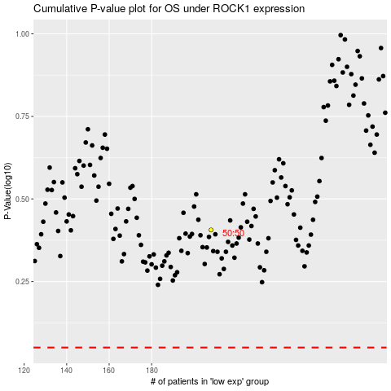

 |  |  |  |  |  | cases_OS | p_OS | rank | exp
 |  |  |  |  |  |  | cases_RFS | p_RFS | rank | exp

