ROD1 _multivariate
Reported by Tex Li-Hsing Chi. tex@gate.sinica.edu.tw 2019-08-16

Table 2. The clinicopathological features of HNSCC cohort and ROD1 expression. (Chi square test)
Cutoff at 0.008 (50.0%)
 |  | ROD1 expression |  | ROD1 expression |  | (Optimised)
 | Features | Low | (%) | High | (%) | Case no | P-value | Remark | Matthews
Gender | Female | 154 | 37.1 | 152 | 36.6 | 415 | 0.8463 | 0 | 0
2 | Male | 53 | 12.8 | 56 | 13.5
Age at diagnosis | <=65y | 150 | 36.1 | 124 | 29.9 | 415 | 0.0078 | 1 | 0
4 | >65y | 57 | 13.7 | 84 | 20.2
Clinical T Status | T1+T2 | 76 | 18.3 | 73 | 17.6 | 415 | 0.8092 | 0 | 0
6 | T3+T4 | 131 | 31.6 | 135 | 32.5
Clinical N Status | N0 | 113 | 27.2 | 103 | 24.8 | 415 | 0.3495 | 1 | 0
8 | N1-3 | 94 | 22.7 | 105 | 25.3
Clinical M Status | M0 | 205 | 49.4 | 207 | 49.9 | 415 | 0.6232 | 0 | 0
10 | M1 | 2 | 0.5 | 1 | 0.2
Clinical Stage | Stage I+II | 52 | 12.5 | 50 | 12 | 415 | 0.8871 | 0 | 0
12 | Stage III+IV | 155 | 37.3 | 158 | 38.1
Surgical Margin status | Negative | 157 | 37.8 | 161 | 38.8 | 415 | 0.729 | 0 | 0
14 | Positive | 50 | 12 | 47 | 11.3
Tobacco Exposure | Low | 84 | 20.2 | 77 | 18.6 | 415 | 0.4816 | 0 | 0
16 | High | 123 | 29.6 | 131 | 31.6

Table 3. Univariate/Multivariate Cox's proportional hazards regression analyses on OS time of ROD1 gene expression in HNSCC

 |  | Univariate |  |  |  | Multivariate
 | Features | HR | CI95%(L) | CI95%(H) | P-value | HR | CI95%(L) | CI95%(H) | P-value
1 | Female | 1 |  |  |  | 1
Gender | Male | 1.157 | 0.843 | 1.587 | 0.367 | 1.208 | 0.864 | 1.69 | 0.269
11 | <=65y | 1 |  |  |  | 1
Age at diagnosis | >65y | 1.329 | 0.99 | 1.784 | 0.058 | 1.378 | 1.008 | 1.883 | 0.044
12 | T1+T2 | 1 |  |  |  | 1
Clinical T Status | T3+T4 | 1.409 | 1.028 | 1.931 | 0.033 | 2.203 | 1.165 | 4.166 | 0.015
13 | N0 | 1 |  |  |  | 1
Clinical N Status | N1-3 | 1.185 | 0.89 | 1.577 | 0.246 | 1.234 | 0.864 | 1.763 | 0.248
14 | M0 | 1 |  |  |  | 1
Clinical M Status | M1 | 4.097 | 1.009 | 16.644 | 0.049 | 9.58 | 2.083 | 44.063 | 0.004
15 | Stage I+II | 1 |  |  |  | 1
Clinical Stage | Stage III+IV | 1.245 | 0.882 | 1.759 | 0.213 | 0.505 | 0.235 | 1.085 | 0.08
16 | Negative | 1 |  |  |  | 1
Surgical Margin status | Positive | 1.591 | 1.155 | 2.191 | 0.004 | 1.675 | 1.212 | 2.315 | 0.002
17 | Low | 1 |  |  |  | 1
Tobacco Exposure | High | 1.364 | 1.008 | 1.844 | 0.044 | 1.45 | 1.052 | 1.999 | 0.023
18 | Low | 1 |  |  |  | 1
RNAseq(z-score) | High | 1.09 | 0.818 | 1.453 | 0.555 | 1.054 | 0.785 | 1.414 | 0.727

Table 4. Univariate/Multivariate Cox's proportional hazards regression analyses on RFS time of ROD1 gene expression in HNSCC

 |  | Univariate |  |  |  | Multivariate
 | Features | HR | CI95%(L) | CI95%(H) | P-value | HR | CI95%(L) | CI95%(H) | P-value
1 | Female | 1 |  |  |  | 1
Gender | Male | 1.157 | 0.843 | 1.587 | 0.367 | 1.208 | 0.864 | 1.69 | 0.269
11 | <=65y | 1 |  |  |  | 1
Age at diagnosis | >65y | 1.329 | 0.99 | 1.784 | 0.058 | 1.378 | 1.008 | 1.883 | 0.044
12 | T1+T2 | 1 |  |  |  | 1
Clinical T Status | T3+T4 | 1.409 | 1.028 | 1.931 | 0.033 | 2.203 | 1.165 | 4.166 | 0.015
13 | N0 | 1 |  |  |  | 1
Clinical N Status | N1-3 | 1.185 | 0.89 | 1.577 | 0.246 | 1.234 | 0.864 | 1.763 | 0.248
14 | M0 | 1 |  |  |  | 1
Clinical M Status | M1 | 4.097 | 1.009 | 16.644 | 0.049 | 9.58 | 2.083 | 44.063 | 0.004
15 | Stage I+II | 1 |  |  |  | 1
Clinical Stage | Stage III+IV | 1.245 | 0.882 | 1.759 | 0.213 | 0.505 | 0.235 | 1.085 | 0.08
16 | Negative | 1 |  |  |  | 1
Surgical Margin status | Positive | 1.591 | 1.155 | 2.191 | 0.004 | 1.675 | 1.212 | 2.315 | 0.002
17 | Low | 1 |  |  |  | 1
Tobacco Exposure | High | 1.364 | 1.008 | 1.844 | 0.044 | 1.45 | 1.052 | 1.999 | 0.023
18 | Low | 1 |  |  |  | 1
RNAseq(z-score) | High | 1.09 | 0.818 | 1.453 | 0.555 | 1.054 | 0.785 | 1.414 | 0.727

Kaplan-Meier survival estimate: Cutoff at 0.008 (50.0%)



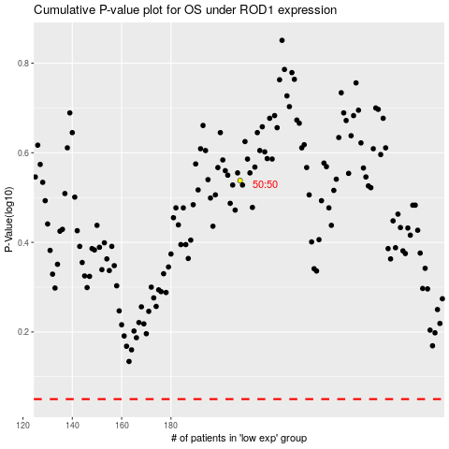

 |  |  |  |  |  | cases_OS | p_OS | rank | exp
 |  |  |  |  |  |  | cases_RFS | p_RFS | rank | exp

