ROPN1B _multivariate
Reported by Tex Li-Hsing Chi. tex@gate.sinica.edu.tw 2019-08-16

Table 2. The clinicopathological features of HNSCC cohort and ROPN1B expression. (Chi square test)
Cutoff at -0.189 (69.8%)
 |  | ROPN1B expression |  | ROPN1B expression |  | (Optimised)
 | Features | Low | (%) | High | (%) | Case no | P-value | Remark | Matthews
Gender | Female | 205 | 49.4 | 101 | 24.3 | 415 | 0.0428 | 1 | 0
2 | Male | 85 | 20.5 | 24 | 5.8
Age at diagnosis | <=65y | 189 | 45.5 | 85 | 20.5 | 415 | 0.6563 | 0 | 0
4 | >65y | 101 | 24.3 | 40 | 9.6
Clinical T Status | T1+T2 | 103 | 24.8 | 46 | 11.1 | 415 | 0.8899 | 0 | 0
6 | T3+T4 | 187 | 45.1 | 79 | 19
Clinical N Status | N0 | 150 | 36.1 | 66 | 15.9 | 415 | 0.925 | 0 | 0
8 | N1-3 | 140 | 33.7 | 59 | 14.2
Clinical M Status | M0 | 287 | 69.2 | 125 | 30.1 | 415 | 0.5571 | 0 | 0
10 | M1 | 3 | 0.7 | 0 | 0
Clinical Stage | Stage I+II | 75 | 18.1 | 27 | 6.5 | 415 | 0.4232 | 0 | 0
12 | Stage III+IV | 215 | 51.8 | 98 | 23.6
Surgical Margin status | Negative | 220 | 53 | 98 | 23.6 | 415 | 0.6148 | 0 | 0
14 | Positive | 70 | 16.9 | 27 | 6.5
Tobacco Exposure | Low | 122 | 29.4 | 39 | 9.4 | 415 | 0.0378 | 1 | 0
16 | High | 168 | 40.5 | 86 | 20.7

Table 3. Univariate/Multivariate Cox's proportional hazards regression analyses on OS time of ROPN1B gene expression in HNSCC

 |  | Univariate |  |  |  | Multivariate
 | Features | HR | CI95%(L) | CI95%(H) | P-value | HR | CI95%(L) | CI95%(H) | P-value
1 | Female | 1 |  |  |  | 1
Gender | Male | 1.157 | 0.843 | 1.587 | 0.367 | 1.179 | 0.844 | 1.648 | 0.333
11 | <=65y | 1 |  |  |  | 1
Age at diagnosis | >65y | 1.329 | 0.99 | 1.784 | 0.058 | 1.41 | 1.036 | 1.92 | 0.029
12 | T1+T2 | 1 |  |  |  | 1
Clinical T Status | T3+T4 | 1.409 | 1.028 | 1.931 | 0.033 | 2.04 | 1.075 | 3.869 | 0.029
13 | N0 | 1 |  |  |  | 1
Clinical N Status | N1-3 | 1.185 | 0.89 | 1.577 | 0.246 | 1.222 | 0.856 | 1.743 | 0.27
14 | M0 | 1 |  |  |  | 1
Clinical M Status | M1 | 4.097 | 1.009 | 16.644 | 0.049 | 7.957 | 1.726 | 36.68 | 0.008
15 | Stage I+II | 1 |  |  |  | 1
Clinical Stage | Stage III+IV | 1.245 | 0.882 | 1.759 | 0.213 | 0.547 | 0.254 | 1.178 | 0.123
16 | Negative | 1 |  |  |  | 1
Surgical Margin status | Positive | 1.591 | 1.155 | 2.191 | 0.004 | 1.632 | 1.181 | 2.256 | 0.003
17 | Low | 1 |  |  |  | 1
Tobacco Exposure | High | 1.364 | 1.008 | 1.844 | 0.044 | 1.514 | 1.096 | 2.091 | 0.012
18 | Low | 1 |  |  |  | 1
RNAseq(z-score) | High | 0.644 | 0.456 | 0.909 | 0.012 | 0.677 | 0.477 | 0.961 | 0.029

Table 4. Univariate/Multivariate Cox's proportional hazards regression analyses on RFS time of ROPN1B gene expression in HNSCC

 |  | Univariate |  |  |  | Multivariate
 | Features | HR | CI95%(L) | CI95%(H) | P-value | HR | CI95%(L) | CI95%(H) | P-value
1 | Female | 1 |  |  |  | 1
Gender | Male | 1.157 | 0.843 | 1.587 | 0.367 | 1.179 | 0.844 | 1.648 | 0.333
11 | <=65y | 1 |  |  |  | 1
Age at diagnosis | >65y | 1.329 | 0.99 | 1.784 | 0.058 | 1.41 | 1.036 | 1.92 | 0.029
12 | T1+T2 | 1 |  |  |  | 1
Clinical T Status | T3+T4 | 1.409 | 1.028 | 1.931 | 0.033 | 2.04 | 1.075 | 3.869 | 0.029
13 | N0 | 1 |  |  |  | 1
Clinical N Status | N1-3 | 1.185 | 0.89 | 1.577 | 0.246 | 1.222 | 0.856 | 1.743 | 0.27
14 | M0 | 1 |  |  |  | 1
Clinical M Status | M1 | 4.097 | 1.009 | 16.644 | 0.049 | 7.957 | 1.726 | 36.68 | 0.008
15 | Stage I+II | 1 |  |  |  | 1
Clinical Stage | Stage III+IV | 1.245 | 0.882 | 1.759 | 0.213 | 0.547 | 0.254 | 1.178 | 0.123
16 | Negative | 1 |  |  |  | 1
Surgical Margin status | Positive | 1.591 | 1.155 | 2.191 | 0.004 | 1.632 | 1.181 | 2.256 | 0.003
17 | Low | 1 |  |  |  | 1
Tobacco Exposure | High | 1.364 | 1.008 | 1.844 | 0.044 | 1.514 | 1.096 | 2.091 | 0.012
18 | Low | 1 |  |  |  | 1
RNAseq(z-score) | High | 0.644 | 0.456 | 0.909 | 0.012 | 0.677 | 0.477 | 0.961 | 0.029

Kaplan-Meier survival estimate: Cutoff at -0.189 (69.8%)

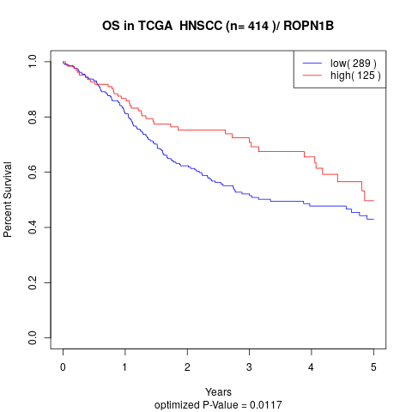

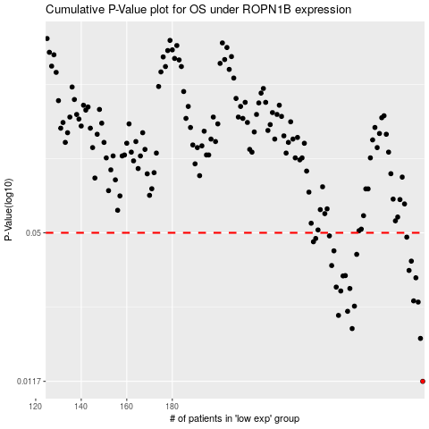

 |  |  |  |  |  | cases_OS | p_OS | rank | exp
 |  |  |  |  |  | 290 | 0.0117 | 83 | -0.18885016489
 |  |  |  |  |  | 289 | 0.0178 | 201 | -0.19230681243
 |  |  |  |  |  | 259 | 0.0196 | 365 | -0.2337252482
 |  |  |  |  |  | 253 | 0.0223 | 165 | -0.24065606747
 |  |  |  |  |  | 257 | 0.0232 | 327 | -0.23691027071
 |  |  |  |  |  | 260 | 0.0244 | 177 | -0.23337476429
 |  |  |  |  |  | 288 | 0.0254 | 364 | -0.19343712303
 |  |  |  |  |  | 286 | 0.0257 | 347 | -0.19459371992
 |  |  |  |  |  | 254 | 0.0283 | 336 | -0.24008653112
 |  |  |  |  |  | 258 | 0.029 | 250 | -0.23381725022
 |  |  |  |  |  | 252 | 0.0294 | 258 | -0.24069987796
 |  |  |  |  |  | 287 | 0.0322 | 249 | -0.19399789728
 |  |  |  |  |  | 255 | 0.0328 | 342 | -0.23918403506
 |  |  |  |  |  | 256 | 0.0329 | 191 | -0.23747104496
 |  |  |  |  |  | 284 | 0.0346 | 348 | -0.19602194184
 |  |  |  |  |  | 250 | 0.0363 | 96 | -0.24226829344
 |  |  |  |  |  | 285 | 0.0379 | 198 | -0.19479086712
 |  |  |  |  |  | 261 | 0.0405 | 40 | -0.23244598193
 |  |  |  |  |  | 251 | 0.0419 | 217 | -0.24188714219
 |  |  |  |  |  | 242 | 0.0458 | 246 | -0.24614990272
 |  |  |  |  |  | 243 | 0.0473 | 343 | -0.2460491386
 |  |  |  |  |  | 283 | 0.0479 | 38 | -0.19814675053
 |  |  |  |  |  | 249 | 0.0485 | 69 | -0.24266258784
 |  |  |  |  |  |  | cases_RFS | p_RFS | rank | exp
 |  |  |  |  |  |  | 289 | 0.0117 | 201 | -0.19230681243
 |  |  |  |  |  |  | 288 | 0.0178 | 364 | -0.19343712303
 |  |  |  |  |  |  | 258 | 0.0196 | 250 | -0.23381725022
 |  |  |  |  |  |  | 252 | 0.0223 | 258 | -0.24069987796
 |  |  |  |  |  |  | 256 | 0.0232 | 191 | -0.23747104496
 |  |  |  |  |  |  | 259 | 0.0244 | 365 | -0.2337252482
 |  |  |  |  |  |  | 287 | 0.0254 | 249 | -0.19399789728
 |  |  |  |  |  |  | 285 | 0.0257 | 198 | -0.19479086712
 |  |  |  |  |  |  | 253 | 0.0283 | 165 | -0.24065606747
 |  |  |  |  |  |  | 257 | 0.029 | 327 | -0.23691027071
 |  |  |  |  |  |  | 251 | 0.0294 | 217 | -0.24188714219
 |  |  |  |  |  |  | 286 | 0.0322 | 347 | -0.19459371992
 |  |  |  |  |  |  | 254 | 0.0328 | 336 | -0.24008653112
 |  |  |  |  |  |  | 255 | 0.0329 | 342 | -0.23918403506
 |  |  |  |  |  |  | 283 | 0.0346 | 38 | -0.19814675053
 |  |  |  |  |  |  | 249 | 0.0363 | 69 | -0.24266258784
 |  |  |  |  |  |  | 284 | 0.0379 | 348 | -0.19602194184
 |  |  |  |  |  |  | 260 | 0.0405 | 177 | -0.23337476429
 |  |  |  |  |  |  | 250 | 0.0419 | 96 | -0.24226829344
 |  |  |  |  |  |  | 241 | 0.0458 | 267 | -0.24808194526
 |  |  |  |  |  |  | 242 | 0.0473 | 246 | -0.24614990272
 |  |  |  |  |  |  | 282 | 0.0479 | 222 | -0.20378077935
 |  |  |  |  |  |  | 248 | 0.0485 | 409 | -0.24292545077

