ROS1 _multivariate
Reported by Tex Li-Hsing Chi. tex@gate.sinica.edu.tw 2019-08-16

Table 2. The clinicopathological features of HNSCC cohort and ROS1 expression. (Chi square test)
Cutoff at -0.305 (30.0%)
 |  | ROS1 expression |  | ROS1 expression |  | (Optimised)
 | Features | Low | (%) | High | (%) | Case no | P-value | Remark | Matthews
Gender | Female | 103 | 24.8 | 203 | 48.9 | 415 | 0.012 | 1 | 0
2 | Male | 22 | 5.3 | 87 | 21
Age at diagnosis | <=65y | 90 | 21.7 | 184 | 44.3 | 415 | 0.1154 | 0 | 0
4 | >65y | 35 | 8.4 | 106 | 25.5
Clinical T Status | T1+T2 | 44 | 10.6 | 105 | 25.3 | 415 | 0.9325 | 0 | 0
6 | T3+T4 | 81 | 19.5 | 185 | 44.6
Clinical N Status | N0 | 59 | 14.2 | 157 | 37.8 | 415 | 0.2337 | 0 | 0
8 | N1-3 | 66 | 15.9 | 133 | 32
Clinical M Status | M0 | 125 | 30.1 | 287 | 69.2 | 415 | 0.5571 | 0 | 0
10 | M1 | 0 | 0 | 3 | 0.7
Clinical Stage | Stage I+II | 22 | 5.3 | 80 | 19.3 | 415 | 0.041 | 1 | 0
12 | Stage III+IV | 103 | 24.8 | 210 | 50.6
Surgical Margin status | Negative | 94 | 22.7 | 224 | 54 | 415 | 0.7047 | 0 | 0
14 | Positive | 31 | 7.5 | 66 | 15.9
Tobacco Exposure | Low | 46 | 11.1 | 115 | 27.7 | 415 | 0.6607 | 0 | 0
16 | High | 79 | 19 | 175 | 42.2

Table 3. Univariate/Multivariate Cox's proportional hazards regression analyses on OS time of ROS1 gene expression in HNSCC

 |  | Univariate |  |  |  | Multivariate
 | Features | HR | CI95%(L) | CI95%(H) | P-value | HR | CI95%(L) | CI95%(H) | P-value
1 | Female | 1 |  |  |  | 1
Gender | Male | 1.157 | 0.843 | 1.587 | 0.367 | 1.148 | 0.82 | 1.606 | 0.421
11 | <=65y | 1 |  |  |  | 1
Age at diagnosis | >65y | 1.329 | 0.99 | 1.784 | 0.058 | 1.401 | 1.031 | 1.905 | 0.031
12 | T1+T2 | 1 |  |  |  | 1
Clinical T Status | T3+T4 | 1.409 | 1.028 | 1.931 | 0.033 | 2.066 | 1.089 | 3.919 | 0.026
13 | N0 | 1 |  |  |  | 1
Clinical N Status | N1-3 | 1.185 | 0.89 | 1.577 | 0.246 | 1.238 | 0.867 | 1.767 | 0.24
14 | M0 | 1 |  |  |  | 1
Clinical M Status | M1 | 4.097 | 1.009 | 16.644 | 0.049 | 7.953 | 1.721 | 36.75 | 0.008
15 | Stage I+II | 1 |  |  |  | 1
Clinical Stage | Stage III+IV | 1.245 | 0.882 | 1.759 | 0.213 | 0.557 | 0.258 | 1.204 | 0.137
16 | Negative | 1 |  |  |  | 1
Surgical Margin status | Positive | 1.591 | 1.155 | 2.191 | 0.004 | 1.668 | 1.207 | 2.304 | 0.002
17 | Low | 1 |  |  |  | 1
Tobacco Exposure | High | 1.364 | 1.008 | 1.844 | 0.044 | 1.443 | 1.049 | 1.986 | 0.024
18 | Low | 1 |  |  |  | 1
RNAseq(z-score) | High | 1.434 | 1.03 | 1.995 | 0.033 | 1.39 | 0.991 | 1.949 | 0.056

Table 4. Univariate/Multivariate Cox's proportional hazards regression analyses on RFS time of ROS1 gene expression in HNSCC

 |  | Univariate |  |  |  | Multivariate
 | Features | HR | CI95%(L) | CI95%(H) | P-value | HR | CI95%(L) | CI95%(H) | P-value
1 | Female | 1 |  |  |  | 1
Gender | Male | 1.157 | 0.843 | 1.587 | 0.367 | 1.148 | 0.82 | 1.606 | 0.421
11 | <=65y | 1 |  |  |  | 1
Age at diagnosis | >65y | 1.329 | 0.99 | 1.784 | 0.058 | 1.401 | 1.031 | 1.905 | 0.031
12 | T1+T2 | 1 |  |  |  | 1
Clinical T Status | T3+T4 | 1.409 | 1.028 | 1.931 | 0.033 | 2.066 | 1.089 | 3.919 | 0.026
13 | N0 | 1 |  |  |  | 1
Clinical N Status | N1-3 | 1.185 | 0.89 | 1.577 | 0.246 | 1.238 | 0.867 | 1.767 | 0.24
14 | M0 | 1 |  |  |  | 1
Clinical M Status | M1 | 4.097 | 1.009 | 16.644 | 0.049 | 7.953 | 1.721 | 36.75 | 0.008
15 | Stage I+II | 1 |  |  |  | 1
Clinical Stage | Stage III+IV | 1.245 | 0.882 | 1.759 | 0.213 | 0.557 | 0.258 | 1.204 | 0.137
16 | Negative | 1 |  |  |  | 1
Surgical Margin status | Positive | 1.591 | 1.155 | 2.191 | 0.004 | 1.668 | 1.207 | 2.304 | 0.002
17 | Low | 1 |  |  |  | 1
Tobacco Exposure | High | 1.364 | 1.008 | 1.844 | 0.044 | 1.443 | 1.049 | 1.986 | 0.024
18 | Low | 1 |  |  |  | 1
RNAseq(z-score) | High | 1.434 | 1.03 | 1.995 | 0.033 | 1.39 | 0.991 | 1.949 | 0.056

Kaplan-Meier survival estimate: Cutoff at -0.305 (30.0%)



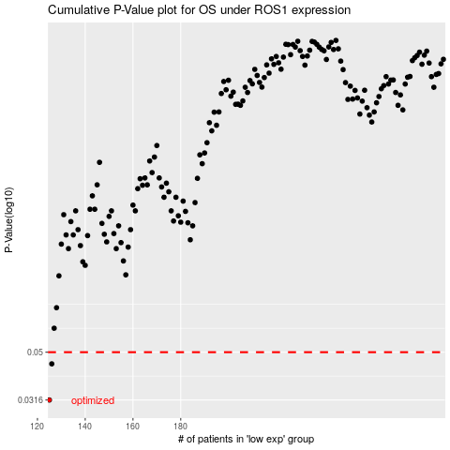

 |  |  |  |  |  | cases_OS | p_OS | rank | exp
 |  |  |  |  |  | 125 | 0.0316 | 283 | -0.30524561553
 |  |  |  |  |  | 126 | 0.0447 | 43 | -0.30488747378
 |  |  |  |  |  |  | cases_RFS | p_RFS | rank | exp
 |  |  |  |  |  |  |  | 0.0316 | 384 | -0.30529616147
 |  |  |  |  |  |  | 125 | 0.0447 | 283 | -0.30524561553

