RP1L1 _multivariate
Reported by Tex Li-Hsing Chi. tex@gate.sinica.edu.tw 2019-08-16

Table 2. The clinicopathological features of HNSCC cohort and RP1L1 expression. (Chi square test)
Cutoff at -0.31 (50.0%)
 |  | RP1L1 expression |  | RP1L1 expression |  | (Optimised)
 | Features | Low | (%) | High | (%) | Case no | P-value | Remark | Matthews
Gender | Female | 158 | 38.1 | 148 | 35.7 | 415 | 0.2774 | 0 | 0
2 | Male | 49 | 11.8 | 60 | 14.5
Age at diagnosis | <=65y | 140 | 33.7 | 134 | 32.3 | 415 | 0.5574 | 0 | 0
4 | >65y | 67 | 16.1 | 74 | 17.8
Clinical T Status | T1+T2 | 79 | 19 | 70 | 16.9 | 415 | 0.3924 | 0 | 0
6 | T3+T4 | 128 | 30.8 | 138 | 33.3
Clinical N Status | N0 | 108 | 26 | 108 | 26 | 415 | 1 | 0 | 0
8 | N1-3 | 99 | 23.9 | 100 | 24.1
Clinical M Status | M0 | 205 | 49.4 | 207 | 49.9 | 415 | 0.6232 | 0 | 0
10 | M1 | 2 | 0.5 | 1 | 0.2
Clinical Stage | Stage I+II | 51 | 12.3 | 51 | 12.3 | 415 | 1 | 0 | 0
12 | Stage III+IV | 156 | 37.6 | 157 | 37.8
Surgical Margin status | Negative | 157 | 37.8 | 161 | 38.8 | 415 | 0.729 | 0 | 0
14 | Positive | 50 | 12 | 47 | 11.3
Tobacco Exposure | Low | 69 | 16.6 | 92 | 22.2 | 415 | 0.0266 | 1 | 0
16 | High | 138 | 33.3 | 116 | 28

Table 3. Univariate/Multivariate Cox's proportional hazards regression analyses on OS time of RP1L1 gene expression in HNSCC

 |  | Univariate |  |  |  | Multivariate
 | Features | HR | CI95%(L) | CI95%(H) | P-value | HR | CI95%(L) | CI95%(H) | P-value
1 | Female | 1 |  |  |  | 1
Gender | Male | 1.157 | 0.843 | 1.587 | 0.367 | 1.2 | 0.859 | 1.676 | 0.285
11 | <=65y | 1 |  |  |  | 1
Age at diagnosis | >65y | 1.329 | 0.99 | 1.784 | 0.058 | 1.394 | 1.026 | 1.896 | 0.034
12 | T1+T2 | 1 |  |  |  | 1
Clinical T Status | T3+T4 | 1.409 | 1.028 | 1.931 | 0.033 | 2.223 | 1.174 | 4.208 | 0.014
13 | N0 | 1 |  |  |  | 1
Clinical N Status | N1-3 | 1.185 | 0.89 | 1.577 | 0.246 | 1.244 | 0.872 | 1.775 | 0.229
14 | M0 | 1 |  |  |  | 1
Clinical M Status | M1 | 4.097 | 1.009 | 16.644 | 0.049 | 9.386 | 2.048 | 43.023 | 0.004
15 | Stage I+II | 1 |  |  |  | 1
Clinical Stage | Stage III+IV | 1.245 | 0.882 | 1.759 | 0.213 | 0.499 | 0.232 | 1.072 | 0.075
16 | Negative | 1 |  |  |  | 1
Surgical Margin status | Positive | 1.591 | 1.155 | 2.191 | 0.004 | 1.668 | 1.207 | 2.305 | 0.002
17 | Low | 1 |  |  |  | 1
Tobacco Exposure | High | 1.364 | 1.008 | 1.844 | 0.044 | 1.435 | 1.037 | 1.986 | 0.029
18 | Low | 1 |  |  |  | 1
RNAseq(z-score) | High | 0.903 | 0.678 | 1.203 | 0.486 | 0.936 | 0.698 | 1.255 | 0.658

Table 4. Univariate/Multivariate Cox's proportional hazards regression analyses on RFS time of RP1L1 gene expression in HNSCC

 |  | Univariate |  |  |  | Multivariate
 | Features | HR | CI95%(L) | CI95%(H) | P-value | HR | CI95%(L) | CI95%(H) | P-value
1 | Female | 1 |  |  |  | 1
Gender | Male | 1.157 | 0.843 | 1.587 | 0.367 | 1.2 | 0.859 | 1.676 | 0.285
11 | <=65y | 1 |  |  |  | 1
Age at diagnosis | >65y | 1.329 | 0.99 | 1.784 | 0.058 | 1.394 | 1.026 | 1.896 | 0.034
12 | T1+T2 | 1 |  |  |  | 1
Clinical T Status | T3+T4 | 1.409 | 1.028 | 1.931 | 0.033 | 2.223 | 1.174 | 4.208 | 0.014
13 | N0 | 1 |  |  |  | 1
Clinical N Status | N1-3 | 1.185 | 0.89 | 1.577 | 0.246 | 1.244 | 0.872 | 1.775 | 0.229
14 | M0 | 1 |  |  |  | 1
Clinical M Status | M1 | 4.097 | 1.009 | 16.644 | 0.049 | 9.386 | 2.048 | 43.023 | 0.004
15 | Stage I+II | 1 |  |  |  | 1
Clinical Stage | Stage III+IV | 1.245 | 0.882 | 1.759 | 0.213 | 0.499 | 0.232 | 1.072 | 0.075
16 | Negative | 1 |  |  |  | 1
Surgical Margin status | Positive | 1.591 | 1.155 | 2.191 | 0.004 | 1.668 | 1.207 | 2.305 | 0.002
17 | Low | 1 |  |  |  | 1
Tobacco Exposure | High | 1.364 | 1.008 | 1.844 | 0.044 | 1.435 | 1.037 | 1.986 | 0.029
18 | Low | 1 |  |  |  | 1
RNAseq(z-score) | High | 0.903 | 0.678 | 1.203 | 0.486 | 0.936 | 0.698 | 1.255 | 0.658

Kaplan-Meier survival estimate: Cutoff at -0.31 (50.0%)



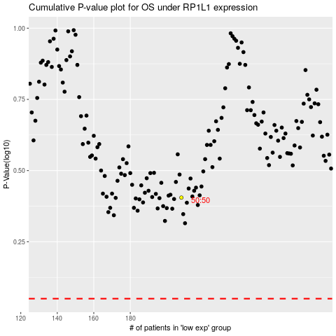

 |  |  |  |  |  | cases_OS | p_OS | rank | exp
 |  |  |  |  |  |  | cases_RFS | p_RFS | rank | exp

