RP9P _multivariate
Reported by Tex Li-Hsing Chi. tex@gate.sinica.edu.tw 2019-08-16

Table 2. The clinicopathological features of HNSCC cohort and RP9P expression. (Chi square test)
Cutoff at -0.202 (49.8%)
 |  | RP9P expression |  | RP9P expression |  | (Optimised)
 | Features | Low | (%) | High | (%) | Case no | P-value | Remark | Matthews
Gender | Female | 142 | 34.2 | 164 | 39.5 | 415 | 0.0238 | 1 | 0
2 | Male | 65 | 15.7 | 44 | 10.6
Age at diagnosis | <=65y | 134 | 32.3 | 140 | 33.7 | 415 | 0.6529 | 0 | 0
4 | >65y | 73 | 17.6 | 68 | 16.4
Clinical T Status | T1+T2 | 81 | 19.5 | 68 | 16.4 | 415 | 0.206 | 0 | 0
6 | T3+T4 | 126 | 30.4 | 140 | 33.7
Clinical N Status | N0 | 108 | 26 | 108 | 26 | 415 | 1 | 0 | 0
8 | N1-3 | 99 | 23.9 | 100 | 24.1
Clinical M Status | M0 | 207 | 49.9 | 205 | 49.4 | 415 | 0.2482 | 0 | 0
10 | M1 | 0 | 0 | 3 | 0.7
Clinical Stage | Stage I+II | 54 | 13 | 48 | 11.6 | 415 | 0.5498 | 0 | 0
12 | Stage III+IV | 153 | 36.9 | 160 | 38.6
Surgical Margin status | Negative | 163 | 39.3 | 155 | 37.3 | 415 | 0.3537 | 0 | 0
14 | Positive | 44 | 10.6 | 53 | 12.8
Tobacco Exposure | Low | 88 | 21.2 | 73 | 17.6 | 415 | 0.1314 | 0 | 0
16 | High | 119 | 28.7 | 135 | 32.5

Table 3. Univariate/Multivariate Cox's proportional hazards regression analyses on OS time of RP9P gene expression in HNSCC

 |  | Univariate |  |  |  | Multivariate
 | Features | HR | CI95%(L) | CI95%(H) | P-value | HR | CI95%(L) | CI95%(H) | P-value
1 | Female | 1 |  |  |  | 1
Gender | Male | 1.157 | 0.843 | 1.587 | 0.367 | 1.194 | 0.855 | 1.668 | 0.297
11 | <=65y | 1 |  |  |  | 1
Age at diagnosis | >65y | 1.329 | 0.99 | 1.784 | 0.058 | 1.4 | 1.029 | 1.905 | 0.032
12 | T1+T2 | 1 |  |  |  | 1
Clinical T Status | T3+T4 | 1.409 | 1.028 | 1.931 | 0.033 | 2.258 | 1.191 | 4.281 | 0.013
13 | N0 | 1 |  |  |  | 1
Clinical N Status | N1-3 | 1.185 | 0.89 | 1.577 | 0.246 | 1.245 | 0.873 | 1.777 | 0.226
14 | M0 | 1 |  |  |  | 1
Clinical M Status | M1 | 4.097 | 1.009 | 16.644 | 0.049 | 10.255 | 2.206 | 47.676 | 0.003
15 | Stage I+II | 1 |  |  |  | 1
Clinical Stage | Stage III+IV | 1.245 | 0.882 | 1.759 | 0.213 | 0.496 | 0.231 | 1.067 | 0.073
16 | Negative | 1 |  |  |  | 1
Surgical Margin status | Positive | 1.591 | 1.155 | 2.191 | 0.004 | 1.697 | 1.225 | 2.349 | 0.001
17 | Low | 1 |  |  |  | 1
Tobacco Exposure | High | 1.364 | 1.008 | 1.844 | 0.044 | 1.479 | 1.071 | 2.043 | 0.018
18 | Low | 1 |  |  |  | 1
RNAseq(z-score) | High | 1.013 | 0.761 | 1.35 | 0.929 | 0.881 | 0.655 | 1.185 | 0.402

Table 4. Univariate/Multivariate Cox's proportional hazards regression analyses on RFS time of RP9P gene expression in HNSCC

 |  | Univariate |  |  |  | Multivariate
 | Features | HR | CI95%(L) | CI95%(H) | P-value | HR | CI95%(L) | CI95%(H) | P-value
1 | Female | 1 |  |  |  | 1
Gender | Male | 1.157 | 0.843 | 1.587 | 0.367 | 1.194 | 0.855 | 1.668 | 0.297
11 | <=65y | 1 |  |  |  | 1
Age at diagnosis | >65y | 1.329 | 0.99 | 1.784 | 0.058 | 1.4 | 1.029 | 1.905 | 0.032
12 | T1+T2 | 1 |  |  |  | 1
Clinical T Status | T3+T4 | 1.409 | 1.028 | 1.931 | 0.033 | 2.258 | 1.191 | 4.281 | 0.013
13 | N0 | 1 |  |  |  | 1
Clinical N Status | N1-3 | 1.185 | 0.89 | 1.577 | 0.246 | 1.245 | 0.873 | 1.777 | 0.226
14 | M0 | 1 |  |  |  | 1
Clinical M Status | M1 | 4.097 | 1.009 | 16.644 | 0.049 | 10.255 | 2.206 | 47.676 | 0.003
15 | Stage I+II | 1 |  |  |  | 1
Clinical Stage | Stage III+IV | 1.245 | 0.882 | 1.759 | 0.213 | 0.496 | 0.231 | 1.067 | 0.073
16 | Negative | 1 |  |  |  | 1
Surgical Margin status | Positive | 1.591 | 1.155 | 2.191 | 0.004 | 1.697 | 1.225 | 2.349 | 0.001
17 | Low | 1 |  |  |  | 1
Tobacco Exposure | High | 1.364 | 1.008 | 1.844 | 0.044 | 1.479 | 1.071 | 2.043 | 0.018
18 | Low | 1 |  |  |  | 1
RNAseq(z-score) | High | 1.013 | 0.761 | 1.35 | 0.929 | 0.881 | 0.655 | 1.185 | 0.402

Kaplan-Meier survival estimate: Cutoff at -0.202 (49.8%)

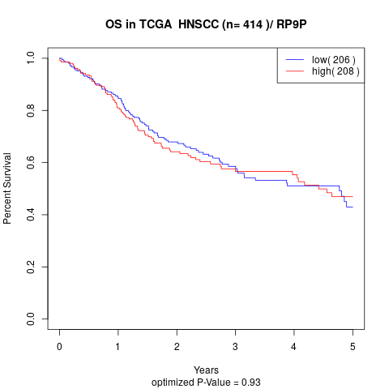

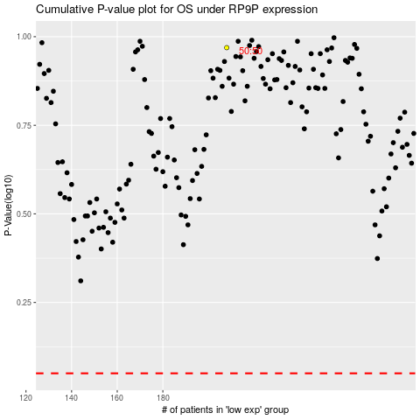

 |  |  |  |  |  | cases_OS | p_OS | rank | exp
 |  |  |  |  |  |  | cases_RFS | p_RFS | rank | exp

