RPA1 _multivariate
Reported by Tex Li-Hsing Chi. tex@gate.sinica.edu.tw 2019-08-16

Table 2. The clinicopathological features of HNSCC cohort and RPA1 expression. (Chi square test)
Cutoff at -0.207 (49.8%)
 |  | RPA1 expression |  | RPA1 expression |  | (Optimised)
 | Features | Low | (%) | High | (%) | Case no | P-value | Remark | Matthews
Gender | Female | 138 | 33.3 | 168 | 40.5 | 415 | 0.0016 | 1 | 0
2 | Male | 69 | 16.6 | 40 | 9.6
Age at diagnosis | <=65y | 131 | 31.6 | 143 | 34.5 | 415 | 0.2839 | 0 | 0
4 | >65y | 76 | 18.3 | 65 | 15.7
Clinical T Status | T1+T2 | 76 | 18.3 | 73 | 17.6 | 415 | 0.8092 | 0 | 0
6 | T3+T4 | 131 | 31.6 | 135 | 32.5
Clinical N Status | N0 | 105 | 25.3 | 111 | 26.7 | 415 | 0.6598 | 0 | 0
8 | N1-3 | 102 | 24.6 | 97 | 23.4
Clinical M Status | M0 | 205 | 49.4 | 207 | 49.9 | 415 | 0.6232 | 0 | 0
10 | M1 | 2 | 0.5 | 1 | 0.2
Clinical Stage | Stage I+II | 56 | 13.5 | 46 | 11.1 | 415 | 0.2918 | 0 | 0
12 | Stage III+IV | 151 | 36.4 | 162 | 39
Surgical Margin status | Negative | 157 | 37.8 | 161 | 38.8 | 415 | 0.729 | 0 | 0
14 | Positive | 50 | 12 | 47 | 11.3
Tobacco Exposure | Low | 89 | 21.4 | 72 | 17.3 | 415 | 0.0872 | 0 | 0
16 | High | 118 | 28.4 | 136 | 32.8

Table 3. Univariate/Multivariate Cox's proportional hazards regression analyses on OS time of RPA1 gene expression in HNSCC

 |  | Univariate |  |  |  | Multivariate
 | Features | HR | CI95%(L) | CI95%(H) | P-value | HR | CI95%(L) | CI95%(H) | P-value
1 | Female | 1 |  |  |  | 1
Gender | Male | 1.157 | 0.843 | 1.587 | 0.367 | 1.229 | 0.878 | 1.72 | 0.23
11 | <=65y | 1 |  |  |  | 1
Age at diagnosis | >65y | 1.329 | 0.99 | 1.784 | 0.058 | 1.421 | 1.043 | 1.937 | 0.026
12 | T1+T2 | 1 |  |  |  | 1
Clinical T Status | T3+T4 | 1.409 | 1.028 | 1.931 | 0.033 | 2.268 | 1.197 | 4.299 | 0.012
13 | N0 | 1 |  |  |  | 1
Clinical N Status | N1-3 | 1.185 | 0.89 | 1.577 | 0.246 | 1.29 | 0.898 | 1.854 | 0.168
14 | M0 | 1 |  |  |  | 1
Clinical M Status | M1 | 4.097 | 1.009 | 16.644 | 0.049 | 9.867 | 2.146 | 45.365 | 0.003
15 | Stage I+II | 1 |  |  |  | 1
Clinical Stage | Stage III+IV | 1.245 | 0.882 | 1.759 | 0.213 | 0.471 | 0.217 | 1.021 | 0.057
16 | Negative | 1 |  |  |  | 1
Surgical Margin status | Positive | 1.591 | 1.155 | 2.191 | 0.004 | 1.701 | 1.228 | 2.354 | 0.001
17 | Low | 1 |  |  |  | 1
Tobacco Exposure | High | 1.364 | 1.008 | 1.844 | 0.044 | 1.443 | 1.047 | 1.988 | 0.025
18 | Low | 1 |  |  |  | 1
RNAseq(z-score) | High | 1.044 | 0.784 | 1.392 | 0.767 | 1.178 | 0.869 | 1.596 | 0.291

Table 4. Univariate/Multivariate Cox's proportional hazards regression analyses on RFS time of RPA1 gene expression in HNSCC

 |  | Univariate |  |  |  | Multivariate
 | Features | HR | CI95%(L) | CI95%(H) | P-value | HR | CI95%(L) | CI95%(H) | P-value
1 | Female | 1 |  |  |  | 1
Gender | Male | 1.157 | 0.843 | 1.587 | 0.367 | 1.229 | 0.878 | 1.72 | 0.23
11 | <=65y | 1 |  |  |  | 1
Age at diagnosis | >65y | 1.329 | 0.99 | 1.784 | 0.058 | 1.421 | 1.043 | 1.937 | 0.026
12 | T1+T2 | 1 |  |  |  | 1
Clinical T Status | T3+T4 | 1.409 | 1.028 | 1.931 | 0.033 | 2.268 | 1.197 | 4.299 | 0.012
13 | N0 | 1 |  |  |  | 1
Clinical N Status | N1-3 | 1.185 | 0.89 | 1.577 | 0.246 | 1.29 | 0.898 | 1.854 | 0.168
14 | M0 | 1 |  |  |  | 1
Clinical M Status | M1 | 4.097 | 1.009 | 16.644 | 0.049 | 9.867 | 2.146 | 45.365 | 0.003
15 | Stage I+II | 1 |  |  |  | 1
Clinical Stage | Stage III+IV | 1.245 | 0.882 | 1.759 | 0.213 | 0.471 | 0.217 | 1.021 | 0.057
16 | Negative | 1 |  |  |  | 1
Surgical Margin status | Positive | 1.591 | 1.155 | 2.191 | 0.004 | 1.701 | 1.228 | 2.354 | 0.001
17 | Low | 1 |  |  |  | 1
Tobacco Exposure | High | 1.364 | 1.008 | 1.844 | 0.044 | 1.443 | 1.047 | 1.988 | 0.025
18 | Low | 1 |  |  |  | 1
RNAseq(z-score) | High | 1.044 | 0.784 | 1.392 | 0.767 | 1.178 | 0.869 | 1.596 | 0.291

Kaplan-Meier survival estimate: Cutoff at -0.207 (49.8%)



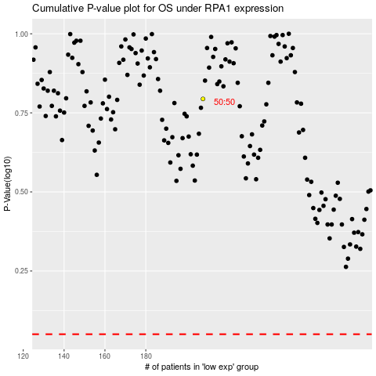

 |  |  |  |  |  | cases_OS | p_OS | rank | exp
 |  |  |  |  |  |  | cases_RFS | p_RFS | rank | exp

