RPA2 _multivariate
Reported by Tex Li-Hsing Chi. tex@gate.sinica.edu.tw 2019-08-16

Table 2. The clinicopathological features of HNSCC cohort and RPA2 expression. (Chi square test)
Cutoff at -0.36 (50.0%)
 |  | RPA2 expression |  | RPA2 expression |  | (Optimised)
 | Features | Low | (%) | High | (%) | Case no | P-value | Remark | Matthews
Gender | Female | 154 | 37.1 | 152 | 36.6 | 415 | 0.8463 | 0 | 0
2 | Male | 53 | 12.8 | 56 | 13.5
Age at diagnosis | <=65y | 128 | 30.8 | 146 | 35.2 | 415 | 0.0904 | 0 | 0
4 | >65y | 79 | 19 | 62 | 14.9
Clinical T Status | T1+T2 | 62 | 14.9 | 87 | 21 | 415 | 0.0156 | 1 | 0
6 | T3+T4 | 145 | 34.9 | 121 | 29.2
Clinical N Status | N0 | 115 | 27.7 | 101 | 24.3 | 415 | 0.184 | 1 | 0
8 | N1-3 | 92 | 22.2 | 107 | 25.8
Clinical M Status | M0 | 207 | 49.9 | 205 | 49.4 | 415 | 0.2482 | 0 | 0
10 | M1 | 0 | 0 | 3 | 0.7
Clinical Stage | Stage I+II | 49 | 11.8 | 53 | 12.8 | 415 | 0.7535 | 0 | 0
12 | Stage III+IV | 158 | 38.1 | 155 | 37.3
Surgical Margin status | Negative | 161 | 38.8 | 157 | 37.8 | 415 | 0.6429 | 0 | 0
14 | Positive | 46 | 11.1 | 51 | 12.3
Tobacco Exposure | Low | 76 | 18.3 | 85 | 20.5 | 415 | 0.4207 | 0 | 0
16 | High | 131 | 31.6 | 123 | 29.6

Table 3. Univariate/Multivariate Cox's proportional hazards regression analyses on OS time of RPA2 gene expression in HNSCC

 |  | Univariate |  |  |  | Multivariate
 | Features | HR | CI95%(L) | CI95%(H) | P-value | HR | CI95%(L) | CI95%(H) | P-value
1 | Female | 1 |  |  |  | 1
Gender | Male | 1.157 | 0.843 | 1.587 | 0.367 | 1.208 | 0.864 | 1.689 | 0.27
11 | <=65y | 1 |  |  |  | 1
Age at diagnosis | >65y | 1.329 | 0.99 | 1.784 | 0.058 | 1.384 | 1.017 | 1.884 | 0.039
12 | T1+T2 | 1 |  |  |  | 1
Clinical T Status | T3+T4 | 1.409 | 1.028 | 1.931 | 0.033 | 2.172 | 1.145 | 4.117 | 0.018
13 | N0 | 1 |  |  |  | 1
Clinical N Status | N1-3 | 1.185 | 0.89 | 1.577 | 0.246 | 1.246 | 0.873 | 1.778 | 0.226
14 | M0 | 1 |  |  |  | 1
Clinical M Status | M1 | 4.097 | 1.009 | 16.644 | 0.049 | 9.649 | 2.097 | 44.402 | 0.004
15 | Stage I+II | 1 |  |  |  | 1
Clinical Stage | Stage III+IV | 1.245 | 0.882 | 1.759 | 0.213 | 0.509 | 0.237 | 1.093 | 0.083
16 | Negative | 1 |  |  |  | 1
Surgical Margin status | Positive | 1.591 | 1.155 | 2.191 | 0.004 | 1.686 | 1.217 | 2.334 | 0.002
17 | Low | 1 |  |  |  | 1
Tobacco Exposure | High | 1.364 | 1.008 | 1.844 | 0.044 | 1.455 | 1.056 | 2.006 | 0.022
18 | Low | 1 |  |  |  | 1
RNAseq(z-score) | High | 0.934 | 0.7 | 1.246 | 0.643 | 0.931 | 0.693 | 1.252 | 0.637

Table 4. Univariate/Multivariate Cox's proportional hazards regression analyses on RFS time of RPA2 gene expression in HNSCC

 |  | Univariate |  |  |  | Multivariate
 | Features | HR | CI95%(L) | CI95%(H) | P-value | HR | CI95%(L) | CI95%(H) | P-value
1 | Female | 1 |  |  |  | 1
Gender | Male | 1.157 | 0.843 | 1.587 | 0.367 | 1.208 | 0.864 | 1.689 | 0.27
11 | <=65y | 1 |  |  |  | 1
Age at diagnosis | >65y | 1.329 | 0.99 | 1.784 | 0.058 | 1.384 | 1.017 | 1.884 | 0.039
12 | T1+T2 | 1 |  |  |  | 1
Clinical T Status | T3+T4 | 1.409 | 1.028 | 1.931 | 0.033 | 2.172 | 1.145 | 4.117 | 0.018
13 | N0 | 1 |  |  |  | 1
Clinical N Status | N1-3 | 1.185 | 0.89 | 1.577 | 0.246 | 1.246 | 0.873 | 1.778 | 0.226
14 | M0 | 1 |  |  |  | 1
Clinical M Status | M1 | 4.097 | 1.009 | 16.644 | 0.049 | 9.649 | 2.097 | 44.402 | 0.004
15 | Stage I+II | 1 |  |  |  | 1
Clinical Stage | Stage III+IV | 1.245 | 0.882 | 1.759 | 0.213 | 0.509 | 0.237 | 1.093 | 0.083
16 | Negative | 1 |  |  |  | 1
Surgical Margin status | Positive | 1.591 | 1.155 | 2.191 | 0.004 | 1.686 | 1.217 | 2.334 | 0.002
17 | Low | 1 |  |  |  | 1
Tobacco Exposure | High | 1.364 | 1.008 | 1.844 | 0.044 | 1.455 | 1.056 | 2.006 | 0.022
18 | Low | 1 |  |  |  | 1
RNAseq(z-score) | High | 0.934 | 0.7 | 1.246 | 0.643 | 0.931 | 0.693 | 1.252 | 0.637

Kaplan-Meier survival estimate: Cutoff at -0.36 (50.0%)



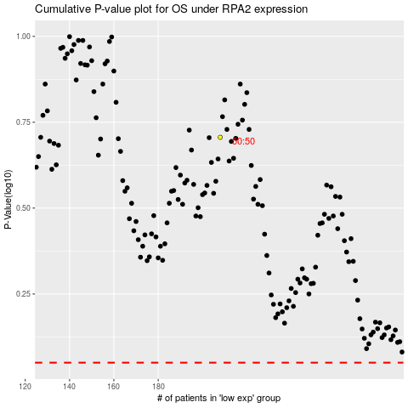

 |  |  |  |  |  | cases_OS | p_OS | rank | exp
 |  |  |  |  |  |  | cases_RFS | p_RFS | rank | exp

