RPAIN _multivariate
Reported by Tex Li-Hsing Chi. tex@gate.sinica.edu.tw 2019-08-16

Table 2. The clinicopathological features of HNSCC cohort and RPAIN expression. (Chi square test)
Cutoff at -0.268 (50.0%)
 |  | RPAIN expression |  | RPAIN expression |  | (Optimised)
 | Features | Low | (%) | High | (%) | Case no | P-value | Remark | Matthews
Gender | Female | 146 | 35.2 | 160 | 38.6 | 415 | 0.1714 | 0 | 0
2 | Male | 61 | 14.7 | 48 | 11.6
Age at diagnosis | <=65y | 137 | 33 | 137 | 33 | 415 | 1 | 0 | 0
4 | >65y | 70 | 16.9 | 71 | 17.1
Clinical T Status | T1+T2 | 78 | 18.8 | 71 | 17.1 | 415 | 0.5152 | 0 | 0
6 | T3+T4 | 129 | 31.1 | 137 | 33
Clinical N Status | N0 | 111 | 26.7 | 105 | 25.3 | 415 | 0.5875 | 0 | 0
8 | N1-3 | 96 | 23.1 | 103 | 24.8
Clinical M Status | M0 | 205 | 49.4 | 207 | 49.9 | 415 | 0.6232 | 0 | 0
10 | M1 | 2 | 0.5 | 1 | 0.2
Clinical Stage | Stage I+II | 59 | 14.2 | 43 | 10.4 | 415 | 0.0822 | 0 | 0
12 | Stage III+IV | 148 | 35.7 | 165 | 39.8
Surgical Margin status | Negative | 168 | 40.5 | 150 | 36.1 | 415 | 0.0366 | 1 | 0
14 | Positive | 39 | 9.4 | 58 | 14
Tobacco Exposure | Low | 83 | 20 | 78 | 18.8 | 415 | 0.6152 | 0 | 0
16 | High | 124 | 29.9 | 130 | 31.3

Table 3. Univariate/Multivariate Cox's proportional hazards regression analyses on OS time of RPAIN gene expression in HNSCC

 |  | Univariate |  |  |  | Multivariate
 | Features | HR | CI95%(L) | CI95%(H) | P-value | HR | CI95%(L) | CI95%(H) | P-value
1 | Female | 1 |  |  |  | 1
Gender | Male | 1.157 | 0.843 | 1.587 | 0.367 | 1.204 | 0.863 | 1.68 | 0.275
11 | <=65y | 1 |  |  |  | 1
Age at diagnosis | >65y | 1.329 | 0.99 | 1.784 | 0.058 | 1.387 | 1.02 | 1.886 | 0.037
12 | T1+T2 | 1 |  |  |  | 1
Clinical T Status | T3+T4 | 1.409 | 1.028 | 1.931 | 0.033 | 2.138 | 1.129 | 4.049 | 0.02
13 | N0 | 1 |  |  |  | 1
Clinical N Status | N1-3 | 1.185 | 0.89 | 1.577 | 0.246 | 1.227 | 0.86 | 1.752 | 0.26
14 | M0 | 1 |  |  |  | 1
Clinical M Status | M1 | 4.097 | 1.009 | 16.644 | 0.049 | 9.027 | 1.967 | 41.434 | 0.005
15 | Stage I+II | 1 |  |  |  | 1
Clinical Stage | Stage III+IV | 1.245 | 0.882 | 1.759 | 0.213 | 0.532 | 0.247 | 1.149 | 0.108
16 | Negative | 1 |  |  |  | 1
Surgical Margin status | Positive | 1.591 | 1.155 | 2.191 | 0.004 | 1.701 | 1.23 | 2.353 | 0.001
17 | Low | 1 |  |  |  | 1
Tobacco Exposure | High | 1.364 | 1.008 | 1.844 | 0.044 | 1.469 | 1.065 | 2.025 | 0.019
18 | Low | 1 |  |  |  | 1
RNAseq(z-score) | High | 0.858 | 0.644 | 1.143 | 0.296 | 0.835 | 0.624 | 1.117 | 0.224

Table 4. Univariate/Multivariate Cox's proportional hazards regression analyses on RFS time of RPAIN gene expression in HNSCC

 |  | Univariate |  |  |  | Multivariate
 | Features | HR | CI95%(L) | CI95%(H) | P-value | HR | CI95%(L) | CI95%(H) | P-value
1 | Female | 1 |  |  |  | 1
Gender | Male | 1.157 | 0.843 | 1.587 | 0.367 | 1.204 | 0.863 | 1.68 | 0.275
11 | <=65y | 1 |  |  |  | 1
Age at diagnosis | >65y | 1.329 | 0.99 | 1.784 | 0.058 | 1.387 | 1.02 | 1.886 | 0.037
12 | T1+T2 | 1 |  |  |  | 1
Clinical T Status | T3+T4 | 1.409 | 1.028 | 1.931 | 0.033 | 2.138 | 1.129 | 4.049 | 0.02
13 | N0 | 1 |  |  |  | 1
Clinical N Status | N1-3 | 1.185 | 0.89 | 1.577 | 0.246 | 1.227 | 0.86 | 1.752 | 0.26
14 | M0 | 1 |  |  |  | 1
Clinical M Status | M1 | 4.097 | 1.009 | 16.644 | 0.049 | 9.027 | 1.967 | 41.434 | 0.005
15 | Stage I+II | 1 |  |  |  | 1
Clinical Stage | Stage III+IV | 1.245 | 0.882 | 1.759 | 0.213 | 0.532 | 0.247 | 1.149 | 0.108
16 | Negative | 1 |  |  |  | 1
Surgical Margin status | Positive | 1.591 | 1.155 | 2.191 | 0.004 | 1.701 | 1.23 | 2.353 | 0.001
17 | Low | 1 |  |  |  | 1
Tobacco Exposure | High | 1.364 | 1.008 | 1.844 | 0.044 | 1.469 | 1.065 | 2.025 | 0.019
18 | Low | 1 |  |  |  | 1
RNAseq(z-score) | High | 0.858 | 0.644 | 1.143 | 0.296 | 0.835 | 0.624 | 1.117 | 0.224

Kaplan-Meier survival estimate: Cutoff at -0.268 (50.0%)



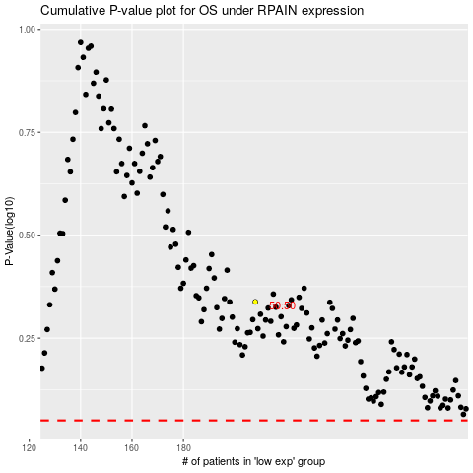

 |  |  |  |  |  | cases_OS | p_OS | rank | exp
 |  |  |  |  |  |  | cases_RFS | p_RFS | rank | exp

