RPGRIP1L _multivariate
Reported by Tex Li-Hsing Chi. tex@gate.sinica.edu.tw 2019-08-16

Table 2. The clinicopathological features of HNSCC cohort and RPGRIP1L expression. (Chi square test)
Cutoff at -0.13 (49.8%)
 |  | RPGRIP1L expression |  | RPGRIP1L expression |  | (Optimised)
 | Features | Low | (%) | High | (%) | Case no | P-value | Remark | Matthews
Gender | Female | 147 | 35.4 | 159 | 38.3 | 415 | 0.2523 | 0 | 0
2 | Male | 60 | 14.5 | 49 | 11.8
Age at diagnosis | <=65y | 134 | 32.3 | 140 | 33.7 | 415 | 0.6529 | 0 | 0
4 | >65y | 73 | 17.6 | 68 | 16.4
Clinical T Status | T1+T2 | 72 | 17.3 | 77 | 18.6 | 415 | 0.7095 | 0 | 0
6 | T3+T4 | 135 | 32.5 | 131 | 31.6
Clinical N Status | N0 | 112 | 27 | 104 | 25.1 | 415 | 0.4599 | 0 | 0
8 | N1-3 | 95 | 22.9 | 104 | 25.1
Clinical M Status | M0 | 205 | 49.4 | 207 | 49.9 | 415 | 0.6232 | 0 | 0
10 | M1 | 2 | 0.5 | 1 | 0.2
Clinical Stage | Stage I+II | 51 | 12.3 | 51 | 12.3 | 415 | 1 | 0 | 0
12 | Stage III+IV | 156 | 37.6 | 157 | 37.8
Surgical Margin status | Negative | 151 | 36.4 | 167 | 40.2 | 415 | 0.0828 | 0 | 0
14 | Positive | 56 | 13.5 | 41 | 9.9
Tobacco Exposure | Low | 84 | 20.2 | 77 | 18.6 | 415 | 0.4816 | 0 | 0
16 | High | 123 | 29.6 | 131 | 31.6

Table 3. Univariate/Multivariate Cox's proportional hazards regression analyses on OS time of RPGRIP1L gene expression in HNSCC

 |  | Univariate |  |  |  | Multivariate
 | Features | HR | CI95%(L) | CI95%(H) | P-value | HR | CI95%(L) | CI95%(H) | P-value
1 | Female | 1 |  |  |  | 1
Gender | Male | 1.157 | 0.843 | 1.587 | 0.367 | 1.215 | 0.869 | 1.697 | 0.255
11 | <=65y | 1 |  |  |  | 1
Age at diagnosis | >65y | 1.329 | 0.99 | 1.784 | 0.058 | 1.403 | 1.033 | 1.906 | 0.03
12 | T1+T2 | 1 |  |  |  | 1
Clinical T Status | T3+T4 | 1.409 | 1.028 | 1.931 | 0.033 | 2.25 | 1.189 | 4.258 | 0.013
13 | N0 | 1 |  |  |  | 1
Clinical N Status | N1-3 | 1.185 | 0.89 | 1.577 | 0.246 | 1.223 | 0.856 | 1.745 | 0.268
14 | M0 | 1 |  |  |  | 1
Clinical M Status | M1 | 4.097 | 1.009 | 16.644 | 0.049 | 10.402 | 2.257 | 47.943 | 0.003
15 | Stage I+II | 1 |  |  |  | 1
Clinical Stage | Stage III+IV | 1.245 | 0.882 | 1.759 | 0.213 | 0.5 | 0.233 | 1.072 | 0.075
16 | Negative | 1 |  |  |  | 1
Surgical Margin status | Positive | 1.591 | 1.155 | 2.191 | 0.004 | 1.725 | 1.245 | 2.39 | 0.001
17 | Low | 1 |  |  |  | 1
Tobacco Exposure | High | 1.364 | 1.008 | 1.844 | 0.044 | 1.44 | 1.046 | 1.982 | 0.025
18 | Low | 1 |  |  |  | 1
RNAseq(z-score) | High | 1.153 | 0.863 | 1.541 | 0.335 | 1.266 | 0.943 | 1.699 | 0.116

Table 4. Univariate/Multivariate Cox's proportional hazards regression analyses on RFS time of RPGRIP1L gene expression in HNSCC

 |  | Univariate |  |  |  | Multivariate
 | Features | HR | CI95%(L) | CI95%(H) | P-value | HR | CI95%(L) | CI95%(H) | P-value
1 | Female | 1 |  |  |  | 1
Gender | Male | 1.157 | 0.843 | 1.587 | 0.367 | 1.215 | 0.869 | 1.697 | 0.255
11 | <=65y | 1 |  |  |  | 1
Age at diagnosis | >65y | 1.329 | 0.99 | 1.784 | 0.058 | 1.403 | 1.033 | 1.906 | 0.03
12 | T1+T2 | 1 |  |  |  | 1
Clinical T Status | T3+T4 | 1.409 | 1.028 | 1.931 | 0.033 | 2.25 | 1.189 | 4.258 | 0.013
13 | N0 | 1 |  |  |  | 1
Clinical N Status | N1-3 | 1.185 | 0.89 | 1.577 | 0.246 | 1.223 | 0.856 | 1.745 | 0.268
14 | M0 | 1 |  |  |  | 1
Clinical M Status | M1 | 4.097 | 1.009 | 16.644 | 0.049 | 10.402 | 2.257 | 47.943 | 0.003
15 | Stage I+II | 1 |  |  |  | 1
Clinical Stage | Stage III+IV | 1.245 | 0.882 | 1.759 | 0.213 | 0.5 | 0.233 | 1.072 | 0.075
16 | Negative | 1 |  |  |  | 1
Surgical Margin status | Positive | 1.591 | 1.155 | 2.191 | 0.004 | 1.725 | 1.245 | 2.39 | 0.001
17 | Low | 1 |  |  |  | 1
Tobacco Exposure | High | 1.364 | 1.008 | 1.844 | 0.044 | 1.44 | 1.046 | 1.982 | 0.025
18 | Low | 1 |  |  |  | 1
RNAseq(z-score) | High | 1.153 | 0.863 | 1.541 | 0.335 | 1.266 | 0.943 | 1.699 | 0.116

Kaplan-Meier survival estimate: Cutoff at -0.13 (49.8%)



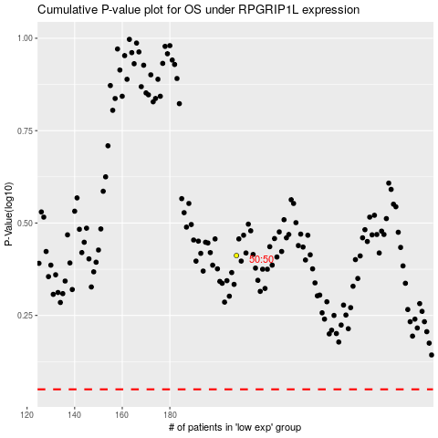

 |  |  |  |  |  | cases_OS | p_OS | rank | exp
 |  |  |  |  |  |  | cases_RFS | p_RFS | rank | exp

