RPH3A _multivariate
Reported by Tex Li-Hsing Chi. tex@gate.sinica.edu.tw 2019-08-16

Table 2. The clinicopathological features of HNSCC cohort and RPH3A expression. (Chi square test)
Cutoff at -0.178 (49.8%)
 |  | RPH3A expression |  | RPH3A expression |  | (Optimised)
 | Features | Low | (%) | High | (%) | Case no | P-value | Remark | Matthews
Gender | Female | 165 | 39.8 | 141 | 34 | 415 | 0.0081 | 1 | 0
2 | Male | 42 | 10.1 | 67 | 16.1
Age at diagnosis | <=65y | 136 | 32.8 | 138 | 33.3 | 415 | 0.9719 | 0 | 0
4 | >65y | 71 | 17.1 | 70 | 16.9
Clinical T Status | T1+T2 | 76 | 18.3 | 73 | 17.6 | 415 | 0.8092 | 0 | 0
6 | T3+T4 | 131 | 31.6 | 135 | 32.5
Clinical N Status | N0 | 106 | 25.5 | 110 | 26.5 | 415 | 0.8075 | 0 | 0
8 | N1-3 | 101 | 24.3 | 98 | 23.6
Clinical M Status | M0 | 206 | 49.6 | 206 | 49.6 | 415 | 1 | 0 | 0
10 | M1 | 1 | 0.2 | 2 | 0.5
Clinical Stage | Stage I+II | 50 | 12 | 52 | 12.5 | 415 | 0.9315 | 0 | 0
12 | Stage III+IV | 157 | 37.8 | 156 | 37.6
Surgical Margin status | Negative | 159 | 38.3 | 159 | 38.3 | 415 | 1 | 0 | 0
14 | Positive | 48 | 11.6 | 49 | 11.8
Tobacco Exposure | Low | 84 | 20.2 | 77 | 18.6 | 415 | 0.4816 | 0 | 0
16 | High | 123 | 29.6 | 131 | 31.6

Table 3. Univariate/Multivariate Cox's proportional hazards regression analyses on OS time of RPH3A gene expression in HNSCC

 |  | Univariate |  |  |  | Multivariate
 | Features | HR | CI95%(L) | CI95%(H) | P-value | HR | CI95%(L) | CI95%(H) | P-value
1 | Female | 1 |  |  |  | 1
Gender | Male | 1.157 | 0.843 | 1.587 | 0.367 | 1.218 | 0.87 | 1.705 | 0.25
11 | <=65y | 1 |  |  |  | 1
Age at diagnosis | >65y | 1.329 | 0.99 | 1.784 | 0.058 | 1.387 | 1.02 | 1.884 | 0.037
12 | T1+T2 | 1 |  |  |  | 1
Clinical T Status | T3+T4 | 1.409 | 1.028 | 1.931 | 0.033 | 2.239 | 1.182 | 4.242 | 0.013
13 | N0 | 1 |  |  |  | 1
Clinical N Status | N1-3 | 1.185 | 0.89 | 1.577 | 0.246 | 1.241 | 0.87 | 1.77 | 0.234
14 | M0 | 1 |  |  |  | 1
Clinical M Status | M1 | 4.097 | 1.009 | 16.644 | 0.049 | 9.718 | 2.114 | 44.668 | 0.003
15 | Stage I+II | 1 |  |  |  | 1
Clinical Stage | Stage III+IV | 1.245 | 0.882 | 1.759 | 0.213 | 0.496 | 0.231 | 1.066 | 0.072
16 | Negative | 1 |  |  |  | 1
Surgical Margin status | Positive | 1.591 | 1.155 | 2.191 | 0.004 | 1.696 | 1.224 | 2.35 | 0.001
17 | Low | 1 |  |  |  | 1
Tobacco Exposure | High | 1.364 | 1.008 | 1.844 | 0.044 | 1.457 | 1.057 | 2.007 | 0.021
18 | Low | 1 |  |  |  | 1
RNAseq(z-score) | High | 0.976 | 0.733 | 1.3 | 0.869 | 0.896 | 0.67 | 1.199 | 0.46

Table 4. Univariate/Multivariate Cox's proportional hazards regression analyses on RFS time of RPH3A gene expression in HNSCC

 |  | Univariate |  |  |  | Multivariate
 | Features | HR | CI95%(L) | CI95%(H) | P-value | HR | CI95%(L) | CI95%(H) | P-value
1 | Female | 1 |  |  |  | 1
Gender | Male | 1.157 | 0.843 | 1.587 | 0.367 | 1.218 | 0.87 | 1.705 | 0.25
11 | <=65y | 1 |  |  |  | 1
Age at diagnosis | >65y | 1.329 | 0.99 | 1.784 | 0.058 | 1.387 | 1.02 | 1.884 | 0.037
12 | T1+T2 | 1 |  |  |  | 1
Clinical T Status | T3+T4 | 1.409 | 1.028 | 1.931 | 0.033 | 2.239 | 1.182 | 4.242 | 0.013
13 | N0 | 1 |  |  |  | 1
Clinical N Status | N1-3 | 1.185 | 0.89 | 1.577 | 0.246 | 1.241 | 0.87 | 1.77 | 0.234
14 | M0 | 1 |  |  |  | 1
Clinical M Status | M1 | 4.097 | 1.009 | 16.644 | 0.049 | 9.718 | 2.114 | 44.668 | 0.003
15 | Stage I+II | 1 |  |  |  | 1
Clinical Stage | Stage III+IV | 1.245 | 0.882 | 1.759 | 0.213 | 0.496 | 0.231 | 1.066 | 0.072
16 | Negative | 1 |  |  |  | 1
Surgical Margin status | Positive | 1.591 | 1.155 | 2.191 | 0.004 | 1.696 | 1.224 | 2.35 | 0.001
17 | Low | 1 |  |  |  | 1
Tobacco Exposure | High | 1.364 | 1.008 | 1.844 | 0.044 | 1.457 | 1.057 | 2.007 | 0.021
18 | Low | 1 |  |  |  | 1
RNAseq(z-score) | High | 0.976 | 0.733 | 1.3 | 0.869 | 0.896 | 0.67 | 1.199 | 0.46

Kaplan-Meier survival estimate: Cutoff at -0.178 (49.8%)



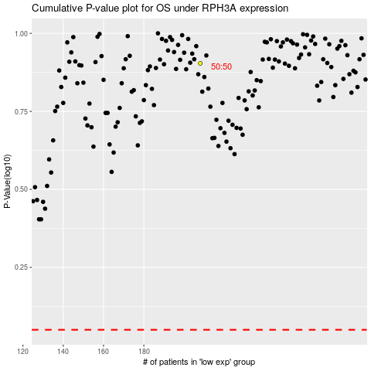

 |  |  |  |  |  | cases_OS | p_OS | rank | exp
 |  |  |  |  |  |  | cases_RFS | p_RFS | rank | exp

