RPH3AL _multivariate
Reported by Tex Li-Hsing Chi. tex@gate.sinica.edu.tw 2019-08-16

Table 2. The clinicopathological features of HNSCC cohort and RPH3AL expression. (Chi square test)
Cutoff at -0.433 (50.0%)
 |  | RPH3AL expression |  | RPH3AL expression |  | (Optimised)
 | Features | Low | (%) | High | (%) | Case no | P-value | Remark | Matthews
Gender | Female | 150 | 36.1 | 156 | 37.6 | 415 | 0.6344 | 0 | 0
2 | Male | 57 | 13.7 | 52 | 12.5
Age at diagnosis | <=65y | 131 | 31.6 | 143 | 34.5 | 415 | 0.2839 | 0 | 0
4 | >65y | 76 | 18.3 | 65 | 15.7
Clinical T Status | T1+T2 | 75 | 18.1 | 74 | 17.8 | 415 | 0.9707 | 0 | 0
6 | T3+T4 | 132 | 31.8 | 134 | 32.3
Clinical N Status | N0 | 100 | 24.1 | 116 | 28 | 415 | 0.1548 | 0 | 0
8 | N1-3 | 107 | 25.8 | 92 | 22.2
Clinical M Status | M0 | 204 | 49.2 | 208 | 50.1 | 415 | 0.1232 | 0 | 0
10 | M1 | 3 | 0.7 | 0 | 0
Clinical Stage | Stage I+II | 50 | 12 | 52 | 12.5 | 415 | 0.9315 | 0 | 0
12 | Stage III+IV | 157 | 37.8 | 156 | 37.6
Surgical Margin status | Negative | 155 | 37.3 | 163 | 39.3 | 415 | 0.4187 | 0 | 0
14 | Positive | 52 | 12.5 | 45 | 10.8
Tobacco Exposure | Low | 84 | 20.2 | 77 | 18.6 | 415 | 0.4816 | 0 | 0
16 | High | 123 | 29.6 | 131 | 31.6

Table 3. Univariate/Multivariate Cox's proportional hazards regression analyses on OS time of RPH3AL gene expression in HNSCC

 |  | Univariate |  |  |  | Multivariate
 | Features | HR | CI95%(L) | CI95%(H) | P-value | HR | CI95%(L) | CI95%(H) | P-value
1 | Female | 1 |  |  |  | 1
Gender | Male | 1.157 | 0.843 | 1.587 | 0.367 | 1.195 | 0.855 | 1.671 | 0.297
11 | <=65y | 1 |  |  |  | 1
Age at diagnosis | >65y | 1.329 | 0.99 | 1.784 | 0.058 | 1.388 | 1.021 | 1.887 | 0.036
12 | T1+T2 | 1 |  |  |  | 1
Clinical T Status | T3+T4 | 1.409 | 1.028 | 1.931 | 0.033 | 2.199 | 1.163 | 4.158 | 0.015
13 | N0 | 1 |  |  |  | 1
Clinical N Status | N1-3 | 1.185 | 0.89 | 1.577 | 0.246 | 1.225 | 0.856 | 1.753 | 0.267
14 | M0 | 1 |  |  |  | 1
Clinical M Status | M1 | 4.097 | 1.009 | 16.644 | 0.049 | 9.045 | 1.962 | 41.709 | 0.005
15 | Stage I+II | 1 |  |  |  | 1
Clinical Stage | Stage III+IV | 1.245 | 0.882 | 1.759 | 0.213 | 0.51 | 0.237 | 1.096 | 0.085
16 | Negative | 1 |  |  |  | 1
Surgical Margin status | Positive | 1.591 | 1.155 | 2.191 | 0.004 | 1.675 | 1.212 | 2.315 | 0.002
17 | Low | 1 |  |  |  | 1
Tobacco Exposure | High | 1.364 | 1.008 | 1.844 | 0.044 | 1.463 | 1.06 | 2.02 | 0.021
18 | Low | 1 |  |  |  | 1
RNAseq(z-score) | High | 0.896 | 0.672 | 1.193 | 0.451 | 0.919 | 0.685 | 1.232 | 0.571

Table 4. Univariate/Multivariate Cox's proportional hazards regression analyses on RFS time of RPH3AL gene expression in HNSCC

 |  | Univariate |  |  |  | Multivariate
 | Features | HR | CI95%(L) | CI95%(H) | P-value | HR | CI95%(L) | CI95%(H) | P-value
1 | Female | 1 |  |  |  | 1
Gender | Male | 1.157 | 0.843 | 1.587 | 0.367 | 1.195 | 0.855 | 1.671 | 0.297
11 | <=65y | 1 |  |  |  | 1
Age at diagnosis | >65y | 1.329 | 0.99 | 1.784 | 0.058 | 1.388 | 1.021 | 1.887 | 0.036
12 | T1+T2 | 1 |  |  |  | 1
Clinical T Status | T3+T4 | 1.409 | 1.028 | 1.931 | 0.033 | 2.199 | 1.163 | 4.158 | 0.015
13 | N0 | 1 |  |  |  | 1
Clinical N Status | N1-3 | 1.185 | 0.89 | 1.577 | 0.246 | 1.225 | 0.856 | 1.753 | 0.267
14 | M0 | 1 |  |  |  | 1
Clinical M Status | M1 | 4.097 | 1.009 | 16.644 | 0.049 | 9.045 | 1.962 | 41.709 | 0.005
15 | Stage I+II | 1 |  |  |  | 1
Clinical Stage | Stage III+IV | 1.245 | 0.882 | 1.759 | 0.213 | 0.51 | 0.237 | 1.096 | 0.085
16 | Negative | 1 |  |  |  | 1
Surgical Margin status | Positive | 1.591 | 1.155 | 2.191 | 0.004 | 1.675 | 1.212 | 2.315 | 0.002
17 | Low | 1 |  |  |  | 1
Tobacco Exposure | High | 1.364 | 1.008 | 1.844 | 0.044 | 1.463 | 1.06 | 2.02 | 0.021
18 | Low | 1 |  |  |  | 1
RNAseq(z-score) | High | 0.896 | 0.672 | 1.193 | 0.451 | 0.919 | 0.685 | 1.232 | 0.571

Kaplan-Meier survival estimate: Cutoff at -0.433 (50.0%)



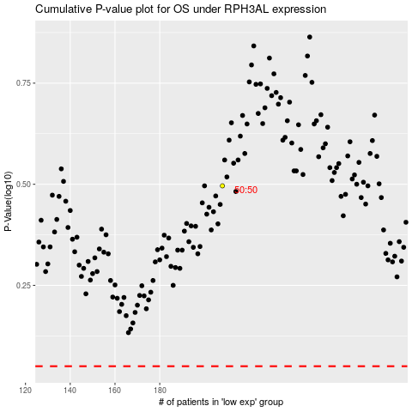

 |  |  |  |  |  | cases_OS | p_OS | rank | exp
 |  |  |  |  |  |  | cases_RFS | p_RFS | rank | exp

