RPL10A _multivariate
Reported by Tex Li-Hsing Chi. tex@gate.sinica.edu.tw 2019-08-16

Table 2. The clinicopathological features of HNSCC cohort and RPL10A expression. (Chi square test)
Cutoff at -0.654 (30.2%)
 |  | RPL10A expression |  | RPL10A expression |  | (Optimised)
 | Features | Low | (%) | High | (%) | Case no | P-value | Remark | Matthews
Gender | Female | 89 | 21.4 | 217 | 52.3 | 415 | 0.5164 | 0 | 0
2 | Male | 36 | 8.7 | 73 | 17.6
Age at diagnosis | <=65y | 83 | 20 | 191 | 46 | 415 | 1 | 0 | 0
4 | >65y | 42 | 10.1 | 99 | 23.9
Clinical T Status | T1+T2 | 49 | 11.8 | 100 | 24.1 | 415 | 0.4194 | 0 | 0
6 | T3+T4 | 76 | 18.3 | 190 | 45.8
Clinical N Status | N0 | 67 | 16.1 | 149 | 35.9 | 415 | 0.7578 | 0 | 0
8 | N1-3 | 58 | 14 | 141 | 34
Clinical M Status | M0 | 125 | 30.1 | 287 | 69.2 | 415 | 0.5571 | 0 | 0
10 | M1 | 0 | 0 | 3 | 0.7
Clinical Stage | Stage I+II | 32 | 7.7 | 70 | 16.9 | 415 | 0.8469 | 0 | 0
12 | Stage III+IV | 93 | 22.4 | 220 | 53
Surgical Margin status | Negative | 100 | 24.1 | 218 | 52.5 | 415 | 0.3137 | 0 | 0
14 | Positive | 25 | 6 | 72 | 17.3
Tobacco Exposure | Low | 59 | 14.2 | 102 | 24.6 | 415 | 0.0279 | 1 | 0
16 | High | 66 | 15.9 | 188 | 45.3

Table 3. Univariate/Multivariate Cox's proportional hazards regression analyses on OS time of RPL10A gene expression in HNSCC

 |  | Univariate |  |  |  | Multivariate
 | Features | HR | CI95%(L) | CI95%(H) | P-value | HR | CI95%(L) | CI95%(H) | P-value
1 | Female | 1 |  |  |  | 1
Gender | Male | 1.157 | 0.843 | 1.587 | 0.367 | 1.19 | 0.85 | 1.665 | 0.311
11 | <=65y | 1 |  |  |  | 1
Age at diagnosis | >65y | 1.329 | 0.99 | 1.784 | 0.058 | 1.41 | 1.036 | 1.919 | 0.029
12 | T1+T2 | 1 |  |  |  | 1
Clinical T Status | T3+T4 | 1.409 | 1.028 | 1.931 | 0.033 | 2.165 | 1.146 | 4.089 | 0.017
13 | N0 | 1 |  |  |  | 1
Clinical N Status | N1-3 | 1.185 | 0.89 | 1.577 | 0.246 | 1.245 | 0.873 | 1.776 | 0.227
14 | M0 | 1 |  |  |  | 1
Clinical M Status | M1 | 4.097 | 1.009 | 16.644 | 0.049 | 8.513 | 1.851 | 39.162 | 0.006
15 | Stage I+II | 1 |  |  |  | 1
Clinical Stage | Stage III+IV | 1.245 | 0.882 | 1.759 | 0.213 | 0.52 | 0.242 | 1.116 | 0.093
16 | Negative | 1 |  |  |  | 1
Surgical Margin status | Positive | 1.591 | 1.155 | 2.191 | 0.004 | 1.623 | 1.174 | 2.245 | 0.003
17 | Low | 1 |  |  |  | 1
Tobacco Exposure | High | 1.364 | 1.008 | 1.844 | 0.044 | 1.447 | 1.049 | 1.997 | 0.024
18 | Low | 1 |  |  |  | 1
RNAseq(z-score) | High | 1.397 | 1.01 | 1.932 | 0.043 | 1.324 | 0.954 | 1.837 | 0.093

Table 4. Univariate/Multivariate Cox's proportional hazards regression analyses on RFS time of RPL10A gene expression in HNSCC

 |  | Univariate |  |  |  | Multivariate
 | Features | HR | CI95%(L) | CI95%(H) | P-value | HR | CI95%(L) | CI95%(H) | P-value
1 | Female | 1 |  |  |  | 1
Gender | Male | 1.157 | 0.843 | 1.587 | 0.367 | 1.19 | 0.85 | 1.665 | 0.311
11 | <=65y | 1 |  |  |  | 1
Age at diagnosis | >65y | 1.329 | 0.99 | 1.784 | 0.058 | 1.41 | 1.036 | 1.919 | 0.029
12 | T1+T2 | 1 |  |  |  | 1
Clinical T Status | T3+T4 | 1.409 | 1.028 | 1.931 | 0.033 | 2.165 | 1.146 | 4.089 | 0.017
13 | N0 | 1 |  |  |  | 1
Clinical N Status | N1-3 | 1.185 | 0.89 | 1.577 | 0.246 | 1.245 | 0.873 | 1.776 | 0.227
14 | M0 | 1 |  |  |  | 1
Clinical M Status | M1 | 4.097 | 1.009 | 16.644 | 0.049 | 8.513 | 1.851 | 39.162 | 0.006
15 | Stage I+II | 1 |  |  |  | 1
Clinical Stage | Stage III+IV | 1.245 | 0.882 | 1.759 | 0.213 | 0.52 | 0.242 | 1.116 | 0.093
16 | Negative | 1 |  |  |  | 1
Surgical Margin status | Positive | 1.591 | 1.155 | 2.191 | 0.004 | 1.623 | 1.174 | 2.245 | 0.003
17 | Low | 1 |  |  |  | 1
Tobacco Exposure | High | 1.364 | 1.008 | 1.844 | 0.044 | 1.447 | 1.049 | 1.997 | 0.024
18 | Low | 1 |  |  |  | 1
RNAseq(z-score) | High | 1.397 | 1.01 | 1.932 | 0.043 | 1.324 | 0.954 | 1.837 | 0.093

Kaplan-Meier survival estimate: Cutoff at -0.654 (30.2%)



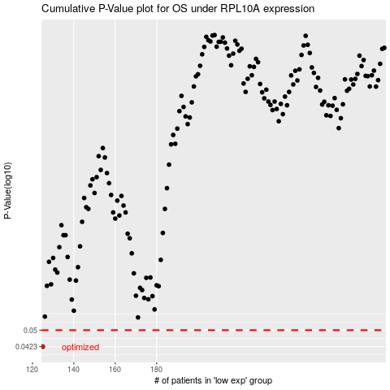

 |  |  |  |  |  | cases_OS | p_OS | rank | exp
 |  |  |  |  |  | 125 | 0.0423 | 204 | -0.65439723403
 |  |  |  |  |  |  | cases_RFS | p_RFS | rank | exp
 |  |  |  |  |  |  |  | 0.0423 | 73 | -0.65497775035

