RPL11 _multivariate
Reported by Tex Li-Hsing Chi. tex@gate.sinica.edu.tw 2019-08-16

Table 2. The clinicopathological features of HNSCC cohort and RPL11 expression. (Chi square test)
Cutoff at -0.318 (50.7%)
 |  | RPL11 expression |  | RPL11 expression |  | (Optimised)
 | Features | Low | (%) | High | (%) | Case no | P-value | Remark | Matthews
Gender | Female | 155 | 37.3 | 151 | 36.4 | 415 | 1 | 0 | 0
2 | Male | 55 | 13.3 | 54 | 13
Age at diagnosis | <=65y | 139 | 33.5 | 135 | 32.5 | 415 | 1 | 0 | 0
4 | >65y | 71 | 17.1 | 70 | 16.9
Clinical T Status | T1+T2 | 78 | 18.8 | 71 | 17.1 | 415 | 0.667 | 0 | 0
6 | T3+T4 | 132 | 31.8 | 134 | 32.3
Clinical N Status | N0 | 111 | 26.7 | 105 | 25.3 | 415 | 0.8137 | 0 | 0
8 | N1-3 | 99 | 23.9 | 100 | 24.1
Clinical M Status | M0 | 210 | 50.6 | 202 | 48.7 | 415 | 0.1196 | 0 | 0
10 | M1 | 0 | 0 | 3 | 0.7
Clinical Stage | Stage I+II | 51 | 12.3 | 51 | 12.3 | 415 | 0.9792 | 0 | 0
12 | Stage III+IV | 159 | 38.3 | 154 | 37.1
Surgical Margin status | Negative | 167 | 40.2 | 151 | 36.4 | 415 | 0.1657 | 0 | 0
14 | Positive | 43 | 10.4 | 54 | 13
Tobacco Exposure | Low | 88 | 21.2 | 73 | 17.6 | 415 | 0.1922 | 0 | 0
16 | High | 122 | 29.4 | 132 | 31.8

Table 3. Univariate/Multivariate Cox's proportional hazards regression analyses on OS time of RPL11 gene expression in HNSCC

 |  | Univariate |  |  |  | Multivariate
 | Features | HR | CI95%(L) | CI95%(H) | P-value | HR | CI95%(L) | CI95%(H) | P-value
1 | Female | 1 |  |  |  | 1
Gender | Male | 1.157 | 0.843 | 1.587 | 0.367 | 1.175 | 0.84 | 1.645 | 0.347
11 | <=65y | 1 |  |  |  | 1
Age at diagnosis | >65y | 1.329 | 0.99 | 1.784 | 0.058 | 1.394 | 1.026 | 1.894 | 0.034
12 | T1+T2 | 1 |  |  |  | 1
Clinical T Status | T3+T4 | 1.409 | 1.028 | 1.931 | 0.033 | 2.16 | 1.142 | 4.085 | 0.018
13 | N0 | 1 |  |  |  | 1
Clinical N Status | N1-3 | 1.185 | 0.89 | 1.577 | 0.246 | 1.236 | 0.866 | 1.763 | 0.243
14 | M0 | 1 |  |  |  | 1
Clinical M Status | M1 | 4.097 | 1.009 | 16.644 | 0.049 | 8.325 | 1.796 | 38.586 | 0.007
15 | Stage I+II | 1 |  |  |  | 1
Clinical Stage | Stage III+IV | 1.245 | 0.882 | 1.759 | 0.213 | 0.521 | 0.243 | 1.12 | 0.095
16 | Negative | 1 |  |  |  | 1
Surgical Margin status | Positive | 1.591 | 1.155 | 2.191 | 0.004 | 1.608 | 1.157 | 2.233 | 0.005
17 | Low | 1 |  |  |  | 1
Tobacco Exposure | High | 1.364 | 1.008 | 1.844 | 0.044 | 1.436 | 1.041 | 1.981 | 0.028
18 | Low | 1 |  |  |  | 1
RNAseq(z-score) | High | 1.353 | 1.015 | 1.804 | 0.039 | 1.209 | 0.899 | 1.626 | 0.208

Table 4. Univariate/Multivariate Cox's proportional hazards regression analyses on RFS time of RPL11 gene expression in HNSCC

 |  | Univariate |  |  |  | Multivariate
 | Features | HR | CI95%(L) | CI95%(H) | P-value | HR | CI95%(L) | CI95%(H) | P-value
1 | Female | 1 |  |  |  | 1
Gender | Male | 1.157 | 0.843 | 1.587 | 0.367 | 1.175 | 0.84 | 1.645 | 0.347
11 | <=65y | 1 |  |  |  | 1
Age at diagnosis | >65y | 1.329 | 0.99 | 1.784 | 0.058 | 1.394 | 1.026 | 1.894 | 0.034
12 | T1+T2 | 1 |  |  |  | 1
Clinical T Status | T3+T4 | 1.409 | 1.028 | 1.931 | 0.033 | 2.16 | 1.142 | 4.085 | 0.018
13 | N0 | 1 |  |  |  | 1
Clinical N Status | N1-3 | 1.185 | 0.89 | 1.577 | 0.246 | 1.236 | 0.866 | 1.763 | 0.243
14 | M0 | 1 |  |  |  | 1
Clinical M Status | M1 | 4.097 | 1.009 | 16.644 | 0.049 | 8.325 | 1.796 | 38.586 | 0.007
15 | Stage I+II | 1 |  |  |  | 1
Clinical Stage | Stage III+IV | 1.245 | 0.882 | 1.759 | 0.213 | 0.521 | 0.243 | 1.12 | 0.095
16 | Negative | 1 |  |  |  | 1
Surgical Margin status | Positive | 1.591 | 1.155 | 2.191 | 0.004 | 1.608 | 1.157 | 2.233 | 0.005
17 | Low | 1 |  |  |  | 1
Tobacco Exposure | High | 1.364 | 1.008 | 1.844 | 0.044 | 1.436 | 1.041 | 1.981 | 0.028
18 | Low | 1 |  |  |  | 1
RNAseq(z-score) | High | 1.353 | 1.015 | 1.804 | 0.039 | 1.209 | 0.899 | 1.626 | 0.208

Kaplan-Meier survival estimate: Cutoff at -0.318 (50.7%)



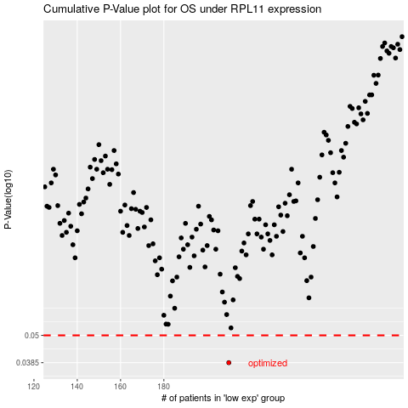

 |  |  |  |  |  | cases_OS | p_OS | rank | exp
 |  |  |  |  |  | 210 | 0.0385 | 85 | -0.31781571931
 |  |  |  |  |  |  | cases_RFS | p_RFS | rank | exp
 |  |  |  |  |  |  | 209 | 0.0385 | 26 | -0.3203555195

