RPL13A _multivariate
Reported by Tex Li-Hsing Chi. tex@gate.sinica.edu.tw 2019-08-16

Table 2. The clinicopathological features of HNSCC cohort and RPL13A expression. (Chi square test)
Cutoff at -0.34 (49.8%)
 |  | RPL13A expression |  | RPL13A expression |  | (Optimised)
 | Features | Low | (%) | High | (%) | Case no | P-value | Remark | Matthews
Gender | Female | 157 | 37.8 | 149 | 35.9 | 415 | 0.3881 | 0 | 0
2 | Male | 50 | 12 | 59 | 14.2
Age at diagnosis | <=65y | 148 | 35.7 | 126 | 30.4 | 415 | 0.0248 | 1 | 0
4 | >65y | 59 | 14.2 | 82 | 19.8
Clinical T Status | T1+T2 | 76 | 18.3 | 73 | 17.6 | 415 | 0.8092 | 0 | 0
6 | T3+T4 | 131 | 31.6 | 135 | 32.5
Clinical N Status | N0 | 102 | 24.6 | 114 | 27.5 | 415 | 0.3031 | 0 | 0
8 | N1-3 | 105 | 25.3 | 94 | 22.7
Clinical M Status | M0 | 205 | 49.4 | 207 | 49.9 | 415 | 0.6232 | 0 | 0
10 | M1 | 2 | 0.5 | 1 | 0.2
Clinical Stage | Stage I+II | 47 | 11.3 | 55 | 13.3 | 415 | 0.4413 | 0 | 0
12 | Stage III+IV | 160 | 38.6 | 153 | 36.9
Surgical Margin status | Negative | 172 | 41.4 | 146 | 35.2 | 415 | 0.0025 | 1 | 0
14 | Positive | 35 | 8.4 | 62 | 14.9
Tobacco Exposure | Low | 81 | 19.5 | 80 | 19.3 | 415 | 0.9199 | 0 | 0
16 | High | 126 | 30.4 | 128 | 30.8

Table 3. Univariate/Multivariate Cox's proportional hazards regression analyses on OS time of RPL13A gene expression in HNSCC

 |  | Univariate |  |  |  | Multivariate
 | Features | HR | CI95%(L) | CI95%(H) | P-value | HR | CI95%(L) | CI95%(H) | P-value
1 | Female | 1 |  |  |  | 1
Gender | Male | 1.157 | 0.843 | 1.587 | 0.367 | 1.22 | 0.873 | 1.705 | 0.244
11 | <=65y | 1 |  |  |  | 1
Age at diagnosis | >65y | 1.329 | 0.99 | 1.784 | 0.058 | 1.406 | 1.034 | 1.911 | 0.03
12 | T1+T2 | 1 |  |  |  | 1
Clinical T Status | T3+T4 | 1.409 | 1.028 | 1.931 | 0.033 | 2.237 | 1.182 | 4.234 | 0.013
13 | N0 | 1 |  |  |  | 1
Clinical N Status | N1-3 | 1.185 | 0.89 | 1.577 | 0.246 | 1.247 | 0.874 | 1.781 | 0.223
14 | M0 | 1 |  |  |  | 1
Clinical M Status | M1 | 4.097 | 1.009 | 16.644 | 0.049 | 9.103 | 1.985 | 41.758 | 0.004
15 | Stage I+II | 1 |  |  |  | 1
Clinical Stage | Stage III+IV | 1.245 | 0.882 | 1.759 | 0.213 | 0.491 | 0.228 | 1.055 | 0.068
16 | Negative | 1 |  |  |  | 1
Surgical Margin status | Positive | 1.591 | 1.155 | 2.191 | 0.004 | 1.737 | 1.25 | 2.414 | 0.001
17 | Low | 1 |  |  |  | 1
Tobacco Exposure | High | 1.364 | 1.008 | 1.844 | 0.044 | 1.457 | 1.059 | 2.005 | 0.021
18 | Low | 1 |  |  |  | 1
RNAseq(z-score) | High | 0.922 | 0.691 | 1.229 | 0.579 | 0.828 | 0.617 | 1.111 | 0.208

Table 4. Univariate/Multivariate Cox's proportional hazards regression analyses on RFS time of RPL13A gene expression in HNSCC

 |  | Univariate |  |  |  | Multivariate
 | Features | HR | CI95%(L) | CI95%(H) | P-value | HR | CI95%(L) | CI95%(H) | P-value
1 | Female | 1 |  |  |  | 1
Gender | Male | 1.157 | 0.843 | 1.587 | 0.367 | 1.22 | 0.873 | 1.705 | 0.244
11 | <=65y | 1 |  |  |  | 1
Age at diagnosis | >65y | 1.329 | 0.99 | 1.784 | 0.058 | 1.406 | 1.034 | 1.911 | 0.03
12 | T1+T2 | 1 |  |  |  | 1
Clinical T Status | T3+T4 | 1.409 | 1.028 | 1.931 | 0.033 | 2.237 | 1.182 | 4.234 | 0.013
13 | N0 | 1 |  |  |  | 1
Clinical N Status | N1-3 | 1.185 | 0.89 | 1.577 | 0.246 | 1.247 | 0.874 | 1.781 | 0.223
14 | M0 | 1 |  |  |  | 1
Clinical M Status | M1 | 4.097 | 1.009 | 16.644 | 0.049 | 9.103 | 1.985 | 41.758 | 0.004
15 | Stage I+II | 1 |  |  |  | 1
Clinical Stage | Stage III+IV | 1.245 | 0.882 | 1.759 | 0.213 | 0.491 | 0.228 | 1.055 | 0.068
16 | Negative | 1 |  |  |  | 1
Surgical Margin status | Positive | 1.591 | 1.155 | 2.191 | 0.004 | 1.737 | 1.25 | 2.414 | 0.001
17 | Low | 1 |  |  |  | 1
Tobacco Exposure | High | 1.364 | 1.008 | 1.844 | 0.044 | 1.457 | 1.059 | 2.005 | 0.021
18 | Low | 1 |  |  |  | 1
RNAseq(z-score) | High | 0.922 | 0.691 | 1.229 | 0.579 | 0.828 | 0.617 | 1.111 | 0.208

Kaplan-Meier survival estimate: Cutoff at -0.34 (49.8%)



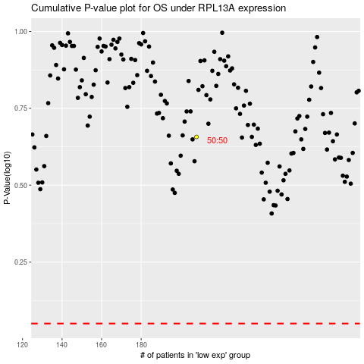

 |  |  |  |  |  | cases_OS | p_OS | rank | exp
 |  |  |  |  |  |  | cases_RFS | p_RFS | rank | exp

