RPL13AP20 _multivariate
Reported by Tex Li-Hsing Chi. tex@gate.sinica.edu.tw 2019-08-16

Table 2. The clinicopathological features of HNSCC cohort and RPL13AP20 expression. (Chi square test)
Cutoff at -0.288 (50.0%)
 |  | RPL13AP20 expression |  | RPL13AP20 expression |  | (Optimised)
 | Features | Low | (%) | High | (%) | Case no | P-value | Remark | Matthews
Gender | Female | 149 | 35.9 | 157 | 37.8 | 415 | 0.4848 | 0 | 0
2 | Male | 58 | 14 | 51 | 12.3
Age at diagnosis | <=65y | 142 | 34.2 | 132 | 31.8 | 415 | 0.3167 | 0 | 0
4 | >65y | 65 | 15.7 | 76 | 18.3
Clinical T Status | T1+T2 | 75 | 18.1 | 74 | 17.8 | 415 | 0.9707 | 0 | 0
6 | T3+T4 | 132 | 31.8 | 134 | 32.3
Clinical N Status | N0 | 106 | 25.5 | 110 | 26.5 | 415 | 0.8075 | 0 | 0
8 | N1-3 | 101 | 24.3 | 98 | 23.6
Clinical M Status | M0 | 205 | 49.4 | 207 | 49.9 | 415 | 0.6232 | 0 | 0
10 | M1 | 2 | 0.5 | 1 | 0.2
Clinical Stage | Stage I+II | 49 | 11.8 | 53 | 12.8 | 415 | 0.7535 | 0 | 0
12 | Stage III+IV | 158 | 38.1 | 155 | 37.3
Surgical Margin status | Negative | 167 | 40.2 | 151 | 36.4 | 415 | 0.0632 | 0 | 0
14 | Positive | 40 | 9.6 | 57 | 13.7
Tobacco Exposure | Low | 87 | 21 | 74 | 17.8 | 415 | 0.1911 | 0 | 0
16 | High | 120 | 28.9 | 134 | 32.3

Table 3. Univariate/Multivariate Cox's proportional hazards regression analyses on OS time of RPL13AP20 gene expression in HNSCC

 |  | Univariate |  |  |  | Multivariate
 | Features | HR | CI95%(L) | CI95%(H) | P-value | HR | CI95%(L) | CI95%(H) | P-value
1 | Female | 1 |  |  |  | 1
Gender | Male | 1.157 | 0.843 | 1.587 | 0.367 | 1.201 | 0.859 | 1.679 | 0.285
11 | <=65y | 1 |  |  |  | 1
Age at diagnosis | >65y | 1.329 | 0.99 | 1.784 | 0.058 | 1.392 | 1.024 | 1.892 | 0.035
12 | T1+T2 | 1 |  |  |  | 1
Clinical T Status | T3+T4 | 1.409 | 1.028 | 1.931 | 0.033 | 2.203 | 1.165 | 4.167 | 0.015
13 | N0 | 1 |  |  |  | 1
Clinical N Status | N1-3 | 1.185 | 0.89 | 1.577 | 0.246 | 1.242 | 0.87 | 1.773 | 0.234
14 | M0 | 1 |  |  |  | 1
Clinical M Status | M1 | 4.097 | 1.009 | 16.644 | 0.049 | 9.383 | 2.042 | 43.112 | 0.004
15 | Stage I+II | 1 |  |  |  | 1
Clinical Stage | Stage III+IV | 1.245 | 0.882 | 1.759 | 0.213 | 0.504 | 0.234 | 1.083 | 0.079
16 | Negative | 1 |  |  |  | 1
Surgical Margin status | Positive | 1.591 | 1.155 | 2.191 | 0.004 | 1.674 | 1.206 | 2.325 | 0.002
17 | Low | 1 |  |  |  | 1
Tobacco Exposure | High | 1.364 | 1.008 | 1.844 | 0.044 | 1.453 | 1.054 | 2.002 | 0.022
18 | Low | 1 |  |  |  | 1
RNAseq(z-score) | High | 1.053 | 0.79 | 1.405 | 0.723 | 0.991 | 0.738 | 1.331 | 0.954

Table 4. Univariate/Multivariate Cox's proportional hazards regression analyses on RFS time of RPL13AP20 gene expression in HNSCC

 |  | Univariate |  |  |  | Multivariate
 | Features | HR | CI95%(L) | CI95%(H) | P-value | HR | CI95%(L) | CI95%(H) | P-value
1 | Female | 1 |  |  |  | 1
Gender | Male | 1.157 | 0.843 | 1.587 | 0.367 | 1.201 | 0.859 | 1.679 | 0.285
11 | <=65y | 1 |  |  |  | 1
Age at diagnosis | >65y | 1.329 | 0.99 | 1.784 | 0.058 | 1.392 | 1.024 | 1.892 | 0.035
12 | T1+T2 | 1 |  |  |  | 1
Clinical T Status | T3+T4 | 1.409 | 1.028 | 1.931 | 0.033 | 2.203 | 1.165 | 4.167 | 0.015
13 | N0 | 1 |  |  |  | 1
Clinical N Status | N1-3 | 1.185 | 0.89 | 1.577 | 0.246 | 1.242 | 0.87 | 1.773 | 0.234
14 | M0 | 1 |  |  |  | 1
Clinical M Status | M1 | 4.097 | 1.009 | 16.644 | 0.049 | 9.383 | 2.042 | 43.112 | 0.004
15 | Stage I+II | 1 |  |  |  | 1
Clinical Stage | Stage III+IV | 1.245 | 0.882 | 1.759 | 0.213 | 0.504 | 0.234 | 1.083 | 0.079
16 | Negative | 1 |  |  |  | 1
Surgical Margin status | Positive | 1.591 | 1.155 | 2.191 | 0.004 | 1.674 | 1.206 | 2.325 | 0.002
17 | Low | 1 |  |  |  | 1
Tobacco Exposure | High | 1.364 | 1.008 | 1.844 | 0.044 | 1.453 | 1.054 | 2.002 | 0.022
18 | Low | 1 |  |  |  | 1
RNAseq(z-score) | High | 1.053 | 0.79 | 1.405 | 0.723 | 0.991 | 0.738 | 1.331 | 0.954

Kaplan-Meier survival estimate: Cutoff at -0.288 (50.0%)



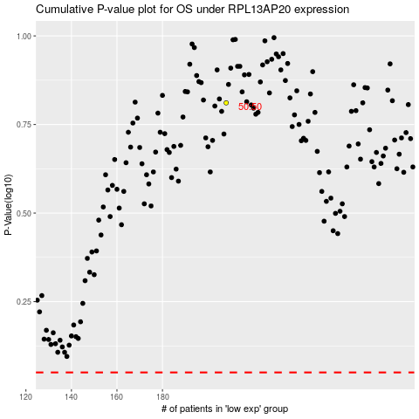

 |  |  |  |  |  | cases_OS | p_OS | rank | exp
 |  |  |  |  |  |  | cases_RFS | p_RFS | rank | exp

