RPL13AP3 _multivariate
Reported by Tex Li-Hsing Chi. tex@gate.sinica.edu.tw 2019-08-16

Table 2. The clinicopathological features of HNSCC cohort and RPL13AP3 expression. (Chi square test)
Cutoff at -0.278 (50.0%)
 |  | RPL13AP3 expression |  | RPL13AP3 expression |  | (Optimised)
 | Features | Low | (%) | High | (%) | Case no | P-value | Remark | Matthews
Gender | Female | 152 | 36.6 | 154 | 37.1 | 415 | 0.9766 | 0 | 0
2 | Male | 55 | 13.3 | 54 | 13
Age at diagnosis | <=65y | 135 | 32.5 | 139 | 33.5 | 415 | 0.8084 | 0 | 0
4 | >65y | 72 | 17.3 | 69 | 16.6
Clinical T Status | T1+T2 | 81 | 19.5 | 68 | 16.4 | 415 | 0.206 | 0 | 0
6 | T3+T4 | 126 | 30.4 | 140 | 33.7
Clinical N Status | N0 | 113 | 27.2 | 103 | 24.8 | 415 | 0.3495 | 1 | 0
8 | N1-3 | 94 | 22.7 | 105 | 25.3
Clinical M Status | M0 | 205 | 49.4 | 207 | 49.9 | 415 | 0.6232 | 0 | 0
10 | M1 | 2 | 0.5 | 1 | 0.2
Clinical Stage | Stage I+II | 56 | 13.5 | 46 | 11.1 | 415 | 0.2918 | 0 | 0
12 | Stage III+IV | 151 | 36.4 | 162 | 39
Surgical Margin status | Negative | 169 | 40.7 | 149 | 35.9 | 415 | 0.0201 | 1 | 0
14 | Positive | 38 | 9.2 | 59 | 14.2
Tobacco Exposure | Low | 87 | 21 | 74 | 17.8 | 415 | 0.1911 | 0 | 0
16 | High | 120 | 28.9 | 134 | 32.3

Table 3. Univariate/Multivariate Cox's proportional hazards regression analyses on OS time of RPL13AP3 gene expression in HNSCC

 |  | Univariate |  |  |  | Multivariate
 | Features | HR | CI95%(L) | CI95%(H) | P-value | HR | CI95%(L) | CI95%(H) | P-value
1 | Female | 1 |  |  |  | 1
Gender | Male | 1.157 | 0.843 | 1.587 | 0.367 | 1.216 | 0.869 | 1.701 | 0.253
11 | <=65y | 1 |  |  |  | 1
Age at diagnosis | >65y | 1.329 | 0.99 | 1.784 | 0.058 | 1.377 | 1.012 | 1.873 | 0.042
12 | T1+T2 | 1 |  |  |  | 1
Clinical T Status | T3+T4 | 1.409 | 1.028 | 1.931 | 0.033 | 2.218 | 1.173 | 4.196 | 0.014
13 | N0 | 1 |  |  |  | 1
Clinical N Status | N1-3 | 1.185 | 0.89 | 1.577 | 0.246 | 1.251 | 0.877 | 1.786 | 0.217
14 | M0 | 1 |  |  |  | 1
Clinical M Status | M1 | 4.097 | 1.009 | 16.644 | 0.049 | 9.325 | 2.034 | 42.749 | 0.004
15 | Stage I+II | 1 |  |  |  | 1
Clinical Stage | Stage III+IV | 1.245 | 0.882 | 1.759 | 0.213 | 0.505 | 0.235 | 1.083 | 0.079
16 | Negative | 1 |  |  |  | 1
Surgical Margin status | Positive | 1.591 | 1.155 | 2.191 | 0.004 | 1.708 | 1.231 | 2.37 | 0.001
17 | Low | 1 |  |  |  | 1
Tobacco Exposure | High | 1.364 | 1.008 | 1.844 | 0.044 | 1.467 | 1.064 | 2.024 | 0.019
18 | Low | 1 |  |  |  | 1
RNAseq(z-score) | High | 0.977 | 0.732 | 1.303 | 0.873 | 0.881 | 0.655 | 1.185 | 0.401

Table 4. Univariate/Multivariate Cox's proportional hazards regression analyses on RFS time of RPL13AP3 gene expression in HNSCC

 |  | Univariate |  |  |  | Multivariate
 | Features | HR | CI95%(L) | CI95%(H) | P-value | HR | CI95%(L) | CI95%(H) | P-value
1 | Female | 1 |  |  |  | 1
Gender | Male | 1.157 | 0.843 | 1.587 | 0.367 | 1.216 | 0.869 | 1.701 | 0.253
11 | <=65y | 1 |  |  |  | 1
Age at diagnosis | >65y | 1.329 | 0.99 | 1.784 | 0.058 | 1.377 | 1.012 | 1.873 | 0.042
12 | T1+T2 | 1 |  |  |  | 1
Clinical T Status | T3+T4 | 1.409 | 1.028 | 1.931 | 0.033 | 2.218 | 1.173 | 4.196 | 0.014
13 | N0 | 1 |  |  |  | 1
Clinical N Status | N1-3 | 1.185 | 0.89 | 1.577 | 0.246 | 1.251 | 0.877 | 1.786 | 0.217
14 | M0 | 1 |  |  |  | 1
Clinical M Status | M1 | 4.097 | 1.009 | 16.644 | 0.049 | 9.325 | 2.034 | 42.749 | 0.004
15 | Stage I+II | 1 |  |  |  | 1
Clinical Stage | Stage III+IV | 1.245 | 0.882 | 1.759 | 0.213 | 0.505 | 0.235 | 1.083 | 0.079
16 | Negative | 1 |  |  |  | 1
Surgical Margin status | Positive | 1.591 | 1.155 | 2.191 | 0.004 | 1.708 | 1.231 | 2.37 | 0.001
17 | Low | 1 |  |  |  | 1
Tobacco Exposure | High | 1.364 | 1.008 | 1.844 | 0.044 | 1.467 | 1.064 | 2.024 | 0.019
18 | Low | 1 |  |  |  | 1
RNAseq(z-score) | High | 0.977 | 0.732 | 1.303 | 0.873 | 0.881 | 0.655 | 1.185 | 0.401

Kaplan-Meier survival estimate: Cutoff at -0.278 (50.0%)



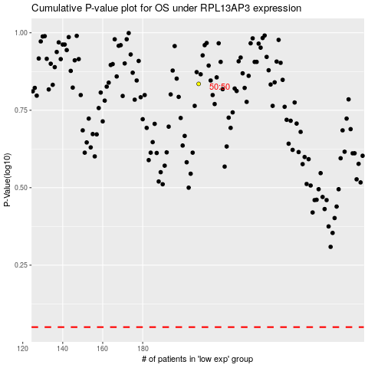

 |  |  |  |  |  | cases_OS | p_OS | rank | exp
 |  |  |  |  |  |  | cases_RFS | p_RFS | rank | exp

