RPL13P5 _multivariate
Reported by Tex Li-Hsing Chi. tex@gate.sinica.edu.tw 2019-08-16

Table 2. The clinicopathological features of HNSCC cohort and RPL13P5 expression. (Chi square test)
Cutoff at -0.208 (50.0%)
 |  | RPL13P5 expression |  | RPL13P5 expression |  | (Optimised)
 | Features | Low | (%) | High | (%) | Case no | P-value | Remark | Matthews
Gender | Female | 143 | 34.5 | 163 | 39.3 | 415 | 0.0416 | 1 | 0
2 | Male | 64 | 15.4 | 45 | 10.8
Age at diagnosis | <=65y | 125 | 30.1 | 149 | 35.9 | 415 | 0.0206 | 1 | 0
4 | >65y | 82 | 19.8 | 59 | 14.2
Clinical T Status | T1+T2 | 71 | 17.1 | 78 | 18.8 | 415 | 0.5638 | 0 | 0
6 | T3+T4 | 136 | 32.8 | 130 | 31.3
Clinical N Status | N0 | 111 | 26.7 | 105 | 25.3 | 415 | 0.5875 | 0 | 0
8 | N1-3 | 96 | 23.1 | 103 | 24.8
Clinical M Status | M0 | 205 | 49.4 | 207 | 49.9 | 415 | 0.6232 | 0 | 0
10 | M1 | 2 | 0.5 | 1 | 0.2
Clinical Stage | Stage I+II | 48 | 11.6 | 54 | 13 | 415 | 0.5878 | 0 | 0
12 | Stage III+IV | 159 | 38.3 | 154 | 37.1
Surgical Margin status | Negative | 154 | 37.1 | 164 | 39.5 | 415 | 0.2984 | 0 | 0
14 | Positive | 53 | 12.8 | 44 | 10.6
Tobacco Exposure | Low | 96 | 23.1 | 65 | 15.7 | 415 | 0.0018 | 1 | 0
16 | High | 111 | 26.7 | 143 | 34.5

Table 3. Univariate/Multivariate Cox's proportional hazards regression analyses on OS time of RPL13P5 gene expression in HNSCC

 |  | Univariate |  |  |  | Multivariate
 | Features | HR | CI95%(L) | CI95%(H) | P-value | HR | CI95%(L) | CI95%(H) | P-value
1 | Female | 1 |  |  |  | 1
Gender | Male | 1.157 | 0.843 | 1.587 | 0.367 | 1.204 | 0.861 | 1.684 | 0.278
11 | <=65y | 1 |  |  |  | 1
Age at diagnosis | >65y | 1.329 | 0.99 | 1.784 | 0.058 | 1.395 | 1.024 | 1.9 | 0.035
12 | T1+T2 | 1 |  |  |  | 1
Clinical T Status | T3+T4 | 1.409 | 1.028 | 1.931 | 0.033 | 2.207 | 1.166 | 4.175 | 0.015
13 | N0 | 1 |  |  |  | 1
Clinical N Status | N1-3 | 1.185 | 0.89 | 1.577 | 0.246 | 1.239 | 0.867 | 1.769 | 0.239
14 | M0 | 1 |  |  |  | 1
Clinical M Status | M1 | 4.097 | 1.009 | 16.644 | 0.049 | 9.453 | 2.058 | 43.414 | 0.004
15 | Stage I+II | 1 |  |  |  | 1
Clinical Stage | Stage III+IV | 1.245 | 0.882 | 1.759 | 0.213 | 0.504 | 0.235 | 1.082 | 0.079
16 | Negative | 1 |  |  |  | 1
Surgical Margin status | Positive | 1.591 | 1.155 | 2.191 | 0.004 | 1.675 | 1.21 | 2.318 | 0.002
17 | Low | 1 |  |  |  | 1
Tobacco Exposure | High | 1.364 | 1.008 | 1.844 | 0.044 | 1.449 | 1.049 | 2.002 | 0.024
18 | Low | 1 |  |  |  | 1
RNAseq(z-score) | High | 0.968 | 0.727 | 1.29 | 0.827 | 1.02 | 0.756 | 1.375 | 0.898

Table 4. Univariate/Multivariate Cox's proportional hazards regression analyses on RFS time of RPL13P5 gene expression in HNSCC

 |  | Univariate |  |  |  | Multivariate
 | Features | HR | CI95%(L) | CI95%(H) | P-value | HR | CI95%(L) | CI95%(H) | P-value
1 | Female | 1 |  |  |  | 1
Gender | Male | 1.157 | 0.843 | 1.587 | 0.367 | 1.204 | 0.861 | 1.684 | 0.278
11 | <=65y | 1 |  |  |  | 1
Age at diagnosis | >65y | 1.329 | 0.99 | 1.784 | 0.058 | 1.395 | 1.024 | 1.9 | 0.035
12 | T1+T2 | 1 |  |  |  | 1
Clinical T Status | T3+T4 | 1.409 | 1.028 | 1.931 | 0.033 | 2.207 | 1.166 | 4.175 | 0.015
13 | N0 | 1 |  |  |  | 1
Clinical N Status | N1-3 | 1.185 | 0.89 | 1.577 | 0.246 | 1.239 | 0.867 | 1.769 | 0.239
14 | M0 | 1 |  |  |  | 1
Clinical M Status | M1 | 4.097 | 1.009 | 16.644 | 0.049 | 9.453 | 2.058 | 43.414 | 0.004
15 | Stage I+II | 1 |  |  |  | 1
Clinical Stage | Stage III+IV | 1.245 | 0.882 | 1.759 | 0.213 | 0.504 | 0.235 | 1.082 | 0.079
16 | Negative | 1 |  |  |  | 1
Surgical Margin status | Positive | 1.591 | 1.155 | 2.191 | 0.004 | 1.675 | 1.21 | 2.318 | 0.002
17 | Low | 1 |  |  |  | 1
Tobacco Exposure | High | 1.364 | 1.008 | 1.844 | 0.044 | 1.449 | 1.049 | 2.002 | 0.024
18 | Low | 1 |  |  |  | 1
RNAseq(z-score) | High | 0.968 | 0.727 | 1.29 | 0.827 | 1.02 | 0.756 | 1.375 | 0.898

Kaplan-Meier survival estimate: Cutoff at -0.208 (50.0%)



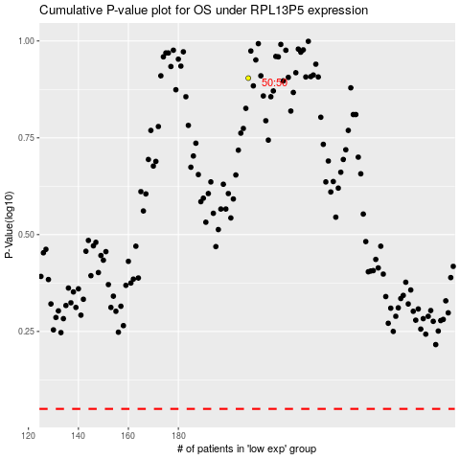

 |  |  |  |  |  | cases_OS | p_OS | rank | exp
 |  |  |  |  |  |  | cases_RFS | p_RFS | rank | exp

