RPL14 _multivariate
Reported by Tex Li-Hsing Chi. tex@gate.sinica.edu.tw 2019-08-16

Table 2. The clinicopathological features of HNSCC cohort and RPL14 expression. (Chi square test)
Cutoff at -0.399 (49.8%)
 |  | RPL14 expression |  | RPL14 expression |  | (Optimised)
 | Features | Low | (%) | High | (%) | Case no | P-value | Remark | Matthews
Gender | Female | 161 | 38.8 | 145 | 34.9 | 415 | 0.0792 | 0 | 0
2 | Male | 46 | 11.1 | 63 | 15.2
Age at diagnosis | <=65y | 139 | 33.5 | 135 | 32.5 | 415 | 0.7044 | 0 | 0
4 | >65y | 68 | 16.4 | 73 | 17.6
Clinical T Status | T1+T2 | 74 | 17.8 | 75 | 18.1 | 415 | 1 | 0 | 0
6 | T3+T4 | 133 | 32 | 133 | 32
Clinical N Status | N0 | 107 | 25.8 | 109 | 26.3 | 415 | 0.9624 | 0 | 0
8 | N1-3 | 100 | 24.1 | 99 | 23.9
Clinical M Status | M0 | 206 | 49.6 | 206 | 49.6 | 415 | 1 | 0 | 0
10 | M1 | 1 | 0.2 | 2 | 0.5
Clinical Stage | Stage I+II | 51 | 12.3 | 51 | 12.3 | 415 | 1 | 0 | 0
12 | Stage III+IV | 156 | 37.6 | 157 | 37.8
Surgical Margin status | Negative | 164 | 39.5 | 154 | 37.1 | 415 | 0.2462 | 0 | 0
14 | Positive | 43 | 10.4 | 54 | 13
Tobacco Exposure | Low | 81 | 19.5 | 80 | 19.3 | 415 | 0.9199 | 0 | 0
16 | High | 126 | 30.4 | 128 | 30.8

Table 3. Univariate/Multivariate Cox's proportional hazards regression analyses on OS time of RPL14 gene expression in HNSCC

 |  | Univariate |  |  |  | Multivariate
 | Features | HR | CI95%(L) | CI95%(H) | P-value | HR | CI95%(L) | CI95%(H) | P-value
1 | Female | 1 |  |  |  | 1
Gender | Male | 1.157 | 0.843 | 1.587 | 0.367 | 1.244 | 0.886 | 1.746 | 0.207
11 | <=65y | 1 |  |  |  | 1
Age at diagnosis | >65y | 1.329 | 0.99 | 1.784 | 0.058 | 1.392 | 1.024 | 1.893 | 0.035
12 | T1+T2 | 1 |  |  |  | 1
Clinical T Status | T3+T4 | 1.409 | 1.028 | 1.931 | 0.033 | 2.2 | 1.163 | 4.162 | 0.015
13 | N0 | 1 |  |  |  | 1
Clinical N Status | N1-3 | 1.185 | 0.89 | 1.577 | 0.246 | 1.239 | 0.868 | 1.768 | 0.238
14 | M0 | 1 |  |  |  | 1
Clinical M Status | M1 | 4.097 | 1.009 | 16.644 | 0.049 | 9.666 | 2.107 | 44.342 | 0.004
15 | Stage I+II | 1 |  |  |  | 1
Clinical Stage | Stage III+IV | 1.245 | 0.882 | 1.759 | 0.213 | 0.5 | 0.233 | 1.075 | 0.076
16 | Negative | 1 |  |  |  | 1
Surgical Margin status | Positive | 1.591 | 1.155 | 2.191 | 0.004 | 1.7 | 1.229 | 2.353 | 0.001
17 | Low | 1 |  |  |  | 1
Tobacco Exposure | High | 1.364 | 1.008 | 1.844 | 0.044 | 1.464 | 1.062 | 2.018 | 0.02
18 | Low | 1 |  |  |  | 1
RNAseq(z-score) | High | 0.876 | 0.656 | 1.169 | 0.367 | 0.828 | 0.617 | 1.111 | 0.208

Table 4. Univariate/Multivariate Cox's proportional hazards regression analyses on RFS time of RPL14 gene expression in HNSCC

 |  | Univariate |  |  |  | Multivariate
 | Features | HR | CI95%(L) | CI95%(H) | P-value | HR | CI95%(L) | CI95%(H) | P-value
1 | Female | 1 |  |  |  | 1
Gender | Male | 1.157 | 0.843 | 1.587 | 0.367 | 1.244 | 0.886 | 1.746 | 0.207
11 | <=65y | 1 |  |  |  | 1
Age at diagnosis | >65y | 1.329 | 0.99 | 1.784 | 0.058 | 1.392 | 1.024 | 1.893 | 0.035
12 | T1+T2 | 1 |  |  |  | 1
Clinical T Status | T3+T4 | 1.409 | 1.028 | 1.931 | 0.033 | 2.2 | 1.163 | 4.162 | 0.015
13 | N0 | 1 |  |  |  | 1
Clinical N Status | N1-3 | 1.185 | 0.89 | 1.577 | 0.246 | 1.239 | 0.868 | 1.768 | 0.238
14 | M0 | 1 |  |  |  | 1
Clinical M Status | M1 | 4.097 | 1.009 | 16.644 | 0.049 | 9.666 | 2.107 | 44.342 | 0.004
15 | Stage I+II | 1 |  |  |  | 1
Clinical Stage | Stage III+IV | 1.245 | 0.882 | 1.759 | 0.213 | 0.5 | 0.233 | 1.075 | 0.076
16 | Negative | 1 |  |  |  | 1
Surgical Margin status | Positive | 1.591 | 1.155 | 2.191 | 0.004 | 1.7 | 1.229 | 2.353 | 0.001
17 | Low | 1 |  |  |  | 1
Tobacco Exposure | High | 1.364 | 1.008 | 1.844 | 0.044 | 1.464 | 1.062 | 2.018 | 0.02
18 | Low | 1 |  |  |  | 1
RNAseq(z-score) | High | 0.876 | 0.656 | 1.169 | 0.367 | 0.828 | 0.617 | 1.111 | 0.208

Kaplan-Meier survival estimate: Cutoff at -0.399 (49.8%)



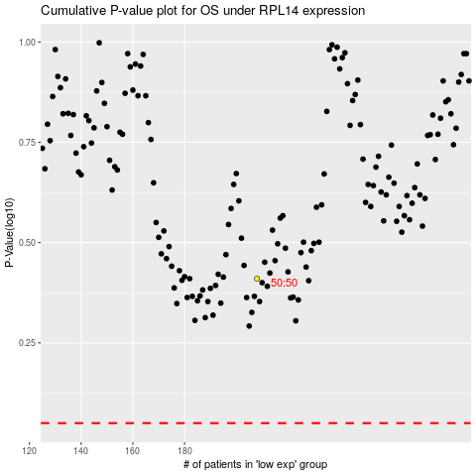

 |  |  |  |  |  | cases_OS | p_OS | rank | exp
 |  |  |  |  |  |  | cases_RFS | p_RFS | rank | exp

