RPL17 _multivariate
Reported by Tex Li-Hsing Chi. tex@gate.sinica.edu.tw 2019-08-16

Table 2. The clinicopathological features of HNSCC cohort and RPL17 expression. (Chi square test)
Cutoff at -0.461 (44.4%)
 |  | RPL17 expression |  | RPL17 expression |  | (Optimised)
 | Features | Low | (%) | High | (%) | Case no | P-value | Remark | Matthews
Gender | Female | 138 | 33.3 | 168 | 40.5 | 415 | 0.8067 | 0 | 0
2 | Male | 47 | 11.3 | 62 | 14.9
Age at diagnosis | <=65y | 129 | 31.1 | 145 | 34.9 | 415 | 0.1851 | 0 | 0
4 | >65y | 56 | 13.5 | 85 | 20.5
Clinical T Status | T1+T2 | 65 | 15.7 | 84 | 20.2 | 415 | 0.8495 | 0 | 0
6 | T3+T4 | 120 | 28.9 | 146 | 35.2
Clinical N Status | N0 | 97 | 23.4 | 119 | 28.7 | 415 | 0.9668 | 0 | 0
8 | N1-3 | 88 | 21.2 | 111 | 26.7
Clinical M Status | M0 | 184 | 44.3 | 228 | 54.9 | 415 | 1 | 0 | 0
10 | M1 | 1 | 0.2 | 2 | 0.5
Clinical Stage | Stage I+II | 47 | 11.3 | 55 | 13.3 | 415 | 0.8132 | 0 | 0
12 | Stage III+IV | 138 | 33.3 | 175 | 42.2
Surgical Margin status | Negative | 148 | 35.7 | 170 | 41 | 415 | 0.1621 | 0 | 0
14 | Positive | 37 | 8.9 | 60 | 14.5
Tobacco Exposure | Low | 71 | 17.1 | 90 | 21.7 | 415 | 0.9194 | 0 | 0
16 | High | 114 | 27.5 | 140 | 33.7

Table 3. Univariate/Multivariate Cox's proportional hazards regression analyses on OS time of RPL17 gene expression in HNSCC

 |  | Univariate |  |  |  | Multivariate
 | Features | HR | CI95%(L) | CI95%(H) | P-value | HR | CI95%(L) | CI95%(H) | P-value
1 | Female | 1 |  |  |  | 1
Gender | Male | 1.157 | 0.843 | 1.587 | 0.367 | 1.167 | 0.833 | 1.635 | 0.37
11 | <=65y | 1 |  |  |  | 1
Age at diagnosis | >65y | 1.329 | 0.99 | 1.784 | 0.058 | 1.395 | 1.026 | 1.896 | 0.034
12 | T1+T2 | 1 |  |  |  | 1
Clinical T Status | T3+T4 | 1.409 | 1.028 | 1.931 | 0.033 | 2.278 | 1.206 | 4.305 | 0.011
13 | N0 | 1 |  |  |  | 1
Clinical N Status | N1-3 | 1.185 | 0.89 | 1.577 | 0.246 | 1.246 | 0.874 | 1.777 | 0.225
14 | M0 | 1 |  |  |  | 1
Clinical M Status | M1 | 4.097 | 1.009 | 16.644 | 0.049 | 9.458 | 2.064 | 43.342 | 0.004
15 | Stage I+II | 1 |  |  |  | 1
Clinical Stage | Stage III+IV | 1.245 | 0.882 | 1.759 | 0.213 | 0.491 | 0.229 | 1.052 | 0.067
16 | Negative | 1 |  |  |  | 1
Surgical Margin status | Positive | 1.591 | 1.155 | 2.191 | 0.004 | 1.569 | 1.131 | 2.175 | 0.007
17 | Low | 1 |  |  |  | 1
Tobacco Exposure | High | 1.364 | 1.008 | 1.844 | 0.044 | 1.445 | 1.047 | 1.994 | 0.025
18 | Low | 1 |  |  |  | 1
RNAseq(z-score) | High | 1.469 | 1.096 | 1.97 | 0.01 | 1.41 | 1.046 | 1.901 | 0.024

Table 4. Univariate/Multivariate Cox's proportional hazards regression analyses on RFS time of RPL17 gene expression in HNSCC

 |  | Univariate |  |  |  | Multivariate
 | Features | HR | CI95%(L) | CI95%(H) | P-value | HR | CI95%(L) | CI95%(H) | P-value
1 | Female | 1 |  |  |  | 1
Gender | Male | 1.157 | 0.843 | 1.587 | 0.367 | 1.167 | 0.833 | 1.635 | 0.37
11 | <=65y | 1 |  |  |  | 1
Age at diagnosis | >65y | 1.329 | 0.99 | 1.784 | 0.058 | 1.395 | 1.026 | 1.896 | 0.034
12 | T1+T2 | 1 |  |  |  | 1
Clinical T Status | T3+T4 | 1.409 | 1.028 | 1.931 | 0.033 | 2.278 | 1.206 | 4.305 | 0.011
13 | N0 | 1 |  |  |  | 1
Clinical N Status | N1-3 | 1.185 | 0.89 | 1.577 | 0.246 | 1.246 | 0.874 | 1.777 | 0.225
14 | M0 | 1 |  |  |  | 1
Clinical M Status | M1 | 4.097 | 1.009 | 16.644 | 0.049 | 9.458 | 2.064 | 43.342 | 0.004
15 | Stage I+II | 1 |  |  |  | 1
Clinical Stage | Stage III+IV | 1.245 | 0.882 | 1.759 | 0.213 | 0.491 | 0.229 | 1.052 | 0.067
16 | Negative | 1 |  |  |  | 1
Surgical Margin status | Positive | 1.591 | 1.155 | 2.191 | 0.004 | 1.569 | 1.131 | 2.175 | 0.007
17 | Low | 1 |  |  |  | 1
Tobacco Exposure | High | 1.364 | 1.008 | 1.844 | 0.044 | 1.445 | 1.047 | 1.994 | 0.025
18 | Low | 1 |  |  |  | 1
RNAseq(z-score) | High | 1.469 | 1.096 | 1.97 | 0.01 | 1.41 | 1.046 | 1.901 | 0.024

Kaplan-Meier survival estimate: Cutoff at -0.461 (44.4%)

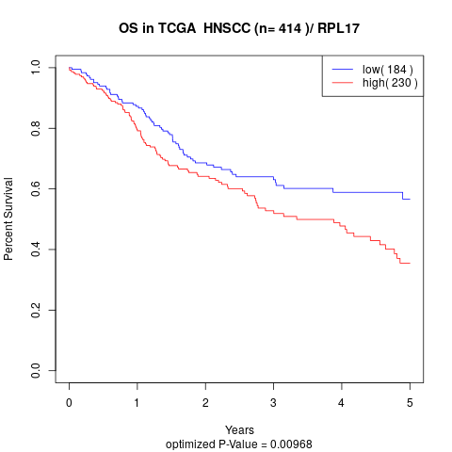

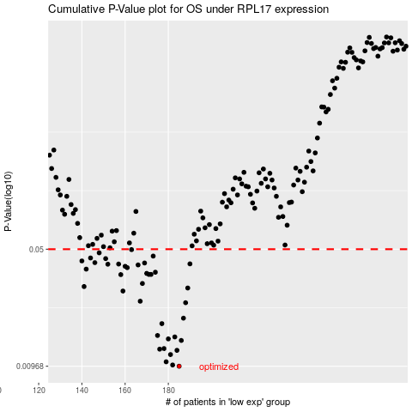

 |  |  |  |  |  | cases_OS | p_OS | rank | exp
 |  |  |  |  |  | 185 | 0.00968 | 148 | -0.46096076758
 |  |  |  |  |  | 182 | 0.00985 | 124 | -0.46396888204
 |  |  |  |  |  | 179 | 0.0103 | 302 | -0.47897806263
 |  |  |  |  |  | 181 | 0.0114 | 367 | -0.47190009076
 |  |  |  |  |  | 184 | 0.0121 | 324 | -0.46164186466
 |  |  |  |  |  | 176 | 0.0123 | 61 | -0.48659132312
 |  |  |  |  |  | 178 | 0.0124 | 337 | -0.48216286265
 |  |  |  |  |  | 186 | 0.0139 | 52 | -0.45329312911
 |  |  |  |  |  | 180 | 0.0142 | 168 | -0.47316510787
 |  |  |  |  |  | 183 | 0.0146 | 268 | -0.46250831004
 |  |  |  |  |  | 175 | 0.0149 | 167 | -0.48989954572
 |  |  |  |  |  | 177 | 0.0176 | 120 | -0.48588183627
 |  |  |  |  |  | 187 | 0.019 | 90 | -0.44851858794
 |  |  |  |  |  | 188 | 0.0236 | 56 | -0.44625847092
 |  |  |  |  |  | 167 | 0.0241 | 236 | -0.51932360875
 |  |  |  |  |  | 159 | 0.0278 | 239 | -0.53192643501
 |  |  |  |  |  | 189 | 0.029 | 43 | -0.44427213074
 |  |  |  |  |  | 141 | 0.0296 | 206 | -0.56327791444
 |  |  |  |  |  | 168 | 0.0309 | 221 | -0.51858032864
 |  |  |  |  |  | 158 | 0.035 | 149 | -0.5321706213
 |  |  |  |  |  | 172 | 0.0351 | 117 | -0.50050573943
 |  |  |  |  |  | 171 | 0.0351 | 333 | -0.50563279401
 |  |  |  |  |  | 170 | 0.0356 | 154 | -0.50680509409
 |  |  |  |  |  | 174 | 0.0362 | 271 | -0.49189454864
 |  |  |  |  |  | 142 | 0.0378 | 283 | -0.56092027728
 |  |  |  |  |  | 161 | 0.0386 | 370 | -0.52685290072
 |  |  |  |  |  | 160 | 0.0393 | 13 | -0.53011780962
 |  |  |  |  |  | 166 | 0.0401 | 177 | -0.52038200668
 |  |  |  |  |  | 152 | 0.0405 | 180 | -0.54997340637
 |  |  |  |  |  | 157 | 0.0406 | 293 | -0.53232500674
 |  |  |  |  |  | 190 | 0.0407 | 208 | -0.44069013131
 |  |  |  |  |  | 169 | 0.0412 | 187 | -0.51243158555
 |  |  |  |  |  | 146 | 0.0414 | 257 | -0.55590892602
 |  |  |  |  |  | 140 | 0.0424 | 231 | -0.56404709699
 |  |  |  |  |  | 151 | 0.0438 | 374 | -0.55106791335
 |  |  |  |  |  | 144 | 0.0442 | 371 | -0.55808593221
 |  |  |  |  |  | 173 | 0.0454 | 400 | -0.4984742844
 |  |  |  |  |  | 148 | 0.0475 | 258 | -0.55456826004
 |  |  |  |  |  | 163 | 0.0497 | 181 | -0.522799168
 |  |  |  |  |  |  | cases_RFS | p_RFS | rank | exp
 |  |  |  |  |  |  | 184 | 0.00968 | 324 | -0.46164186466
 |  |  |  |  |  |  | 181 | 0.00985 | 367 | -0.47190009076
 |  |  |  |  |  |  | 178 | 0.0103 | 337 | -0.48216286265
 |  |  |  |  |  |  | 180 | 0.0114 | 168 | -0.47316510787
 |  |  |  |  |  |  | 183 | 0.0121 | 268 | -0.46250831004
 |  |  |  |  |  |  | 175 | 0.0123 | 167 | -0.48989954572
 |  |  |  |  |  |  | 177 | 0.0124 | 120 | -0.48588183627
 |  |  |  |  |  |  | 185 | 0.0139 | 148 | -0.46096076758
 |  |  |  |  |  |  | 179 | 0.0142 | 302 | -0.47897806263
 |  |  |  |  |  |  | 182 | 0.0146 | 124 | -0.46396888204
 |  |  |  |  |  |  | 174 | 0.0149 | 271 | -0.49189454864
 |  |  |  |  |  |  | 176 | 0.0176 | 61 | -0.48659132312
 |  |  |  |  |  |  | 186 | 0.019 | 52 | -0.45329312911
 |  |  |  |  |  |  | 187 | 0.0236 | 90 | -0.44851858794
 |  |  |  |  |  |  | 166 | 0.0241 | 177 | -0.52038200668
 |  |  |  |  |  |  | 158 | 0.0278 | 149 | -0.5321706213
 |  |  |  |  |  |  | 188 | 0.029 | 56 | -0.44625847092
 |  |  |  |  |  |  | 140 | 0.0296 | 231 | -0.56404709699
 |  |  |  |  |  |  | 167 | 0.0309 | 236 | -0.51932360875
 |  |  |  |  |  |  | 157 | 0.035 | 293 | -0.53232500674
 |  |  |  |  |  |  | 170 | 0.0351 | 154 | -0.50680509409
 |  |  |  |  |  |  | 171 | 0.0351 | 333 | -0.50563279401
 |  |  |  |  |  |  | 169 | 0.0356 | 187 | -0.51243158555
 |  |  |  |  |  |  | 173 | 0.0362 | 400 | -0.4984742844
 |  |  |  |  |  |  | 141 | 0.0378 | 206 | -0.56327791444
 |  |  |  |  |  |  | 160 | 0.0386 | 13 | -0.53011780962
 |  |  |  |  |  |  | 159 | 0.0393 | 239 | -0.53192643501
 |  |  |  |  |  |  | 165 | 0.0401 | 245 | -0.52108351695
 |  |  |  |  |  |  | 151 | 0.0405 | 374 | -0.55106791335
 |  |  |  |  |  |  | 156 | 0.0406 | 219 | -0.53314496495
 |  |  |  |  |  |  | 189 | 0.0407 | 43 | -0.44427213074
 |  |  |  |  |  |  | 168 | 0.0412 | 221 | -0.51858032864
 |  |  |  |  |  |  | 145 | 0.0414 | 282 | -0.55766120072
 |  |  |  |  |  |  | 139 | 0.0424 | 403 | -0.5730286413
 |  |  |  |  |  |  | 150 | 0.0438 | 17 | -0.55266425876
 |  |  |  |  |  |  | 143 | 0.0442 | 262 | -0.55856264013
 |  |  |  |  |  |  | 172 | 0.0454 | 117 | -0.50050573943
 |  |  |  |  |  |  | 147 | 0.0475 | 42 | -0.5548264268
 |  |  |  |  |  |  | 162 | 0.0497 | 352 | -0.52405843855

