RPL18A _multivariate
Reported by Tex Li-Hsing Chi. tex@gate.sinica.edu.tw 2019-08-16

Table 2. The clinicopathological features of HNSCC cohort and RPL18A expression. (Chi square test)
Cutoff at -0.259 (49.8%)
 |  | RPL18A expression |  | RPL18A expression |  | (Optimised)
 | Features | Low | (%) | High | (%) | Case no | P-value | Remark | Matthews
Gender | Female | 151 | 36.4 | 155 | 37.3 | 415 | 0.8007 | 0 | 0
2 | Male | 56 | 13.5 | 53 | 12.8
Age at diagnosis | <=65y | 139 | 33.5 | 135 | 32.5 | 415 | 0.7044 | 0 | 0
4 | >65y | 68 | 16.4 | 73 | 17.6
Clinical T Status | T1+T2 | 79 | 19 | 70 | 16.9 | 415 | 0.3924 | 0 | 0
6 | T3+T4 | 128 | 30.8 | 138 | 33.3
Clinical N Status | N0 | 105 | 25.3 | 111 | 26.7 | 415 | 0.6598 | 0 | 0
8 | N1-3 | 102 | 24.6 | 97 | 23.4
Clinical M Status | M0 | 207 | 49.9 | 205 | 49.4 | 415 | 0.2482 | 0 | 0
10 | M1 | 0 | 0 | 3 | 0.7
Clinical Stage | Stage I+II | 50 | 12 | 52 | 12.5 | 415 | 0.9315 | 0 | 0
12 | Stage III+IV | 157 | 37.8 | 156 | 37.6
Surgical Margin status | Negative | 164 | 39.5 | 154 | 37.1 | 415 | 0.2462 | 0 | 0
14 | Positive | 43 | 10.4 | 54 | 13
Tobacco Exposure | Low | 87 | 21 | 74 | 17.8 | 415 | 0.1911 | 0 | 0
16 | High | 120 | 28.9 | 134 | 32.3

Table 3. Univariate/Multivariate Cox's proportional hazards regression analyses on OS time of RPL18A gene expression in HNSCC

 |  | Univariate |  |  |  | Multivariate
 | Features | HR | CI95%(L) | CI95%(H) | P-value | HR | CI95%(L) | CI95%(H) | P-value
1 | Female | 1 |  |  |  | 1
Gender | Male | 1.157 | 0.843 | 1.587 | 0.367 | 1.208 | 0.864 | 1.687 | 0.269
11 | <=65y | 1 |  |  |  | 1
Age at diagnosis | >65y | 1.329 | 0.99 | 1.784 | 0.058 | 1.38 | 1.015 | 1.877 | 0.04
12 | T1+T2 | 1 |  |  |  | 1
Clinical T Status | T3+T4 | 1.409 | 1.028 | 1.931 | 0.033 | 2.259 | 1.192 | 4.281 | 0.012
13 | N0 | 1 |  |  |  | 1
Clinical N Status | N1-3 | 1.185 | 0.89 | 1.577 | 0.246 | 1.254 | 0.878 | 1.79 | 0.213
14 | M0 | 1 |  |  |  | 1
Clinical M Status | M1 | 4.097 | 1.009 | 16.644 | 0.049 | 10.461 | 2.254 | 48.543 | 0.003
15 | Stage I+II | 1 |  |  |  | 1
Clinical Stage | Stage III+IV | 1.245 | 0.882 | 1.759 | 0.213 | 0.489 | 0.227 | 1.053 | 0.068
16 | Negative | 1 |  |  |  | 1
Surgical Margin status | Positive | 1.591 | 1.155 | 2.191 | 0.004 | 1.706 | 1.232 | 2.363 | 0.001
17 | Low | 1 |  |  |  | 1
Tobacco Exposure | High | 1.364 | 1.008 | 1.844 | 0.044 | 1.464 | 1.063 | 2.018 | 0.02
18 | Low | 1 |  |  |  | 1
RNAseq(z-score) | High | 0.942 | 0.706 | 1.257 | 0.685 | 0.848 | 0.633 | 1.137 | 0.271

Table 4. Univariate/Multivariate Cox's proportional hazards regression analyses on RFS time of RPL18A gene expression in HNSCC

 |  | Univariate |  |  |  | Multivariate
 | Features | HR | CI95%(L) | CI95%(H) | P-value | HR | CI95%(L) | CI95%(H) | P-value
1 | Female | 1 |  |  |  | 1
Gender | Male | 1.157 | 0.843 | 1.587 | 0.367 | 1.208 | 0.864 | 1.687 | 0.269
11 | <=65y | 1 |  |  |  | 1
Age at diagnosis | >65y | 1.329 | 0.99 | 1.784 | 0.058 | 1.38 | 1.015 | 1.877 | 0.04
12 | T1+T2 | 1 |  |  |  | 1
Clinical T Status | T3+T4 | 1.409 | 1.028 | 1.931 | 0.033 | 2.259 | 1.192 | 4.281 | 0.012
13 | N0 | 1 |  |  |  | 1
Clinical N Status | N1-3 | 1.185 | 0.89 | 1.577 | 0.246 | 1.254 | 0.878 | 1.79 | 0.213
14 | M0 | 1 |  |  |  | 1
Clinical M Status | M1 | 4.097 | 1.009 | 16.644 | 0.049 | 10.461 | 2.254 | 48.543 | 0.003
15 | Stage I+II | 1 |  |  |  | 1
Clinical Stage | Stage III+IV | 1.245 | 0.882 | 1.759 | 0.213 | 0.489 | 0.227 | 1.053 | 0.068
16 | Negative | 1 |  |  |  | 1
Surgical Margin status | Positive | 1.591 | 1.155 | 2.191 | 0.004 | 1.706 | 1.232 | 2.363 | 0.001
17 | Low | 1 |  |  |  | 1
Tobacco Exposure | High | 1.364 | 1.008 | 1.844 | 0.044 | 1.464 | 1.063 | 2.018 | 0.02
18 | Low | 1 |  |  |  | 1
RNAseq(z-score) | High | 0.942 | 0.706 | 1.257 | 0.685 | 0.848 | 0.633 | 1.137 | 0.271

Kaplan-Meier survival estimate: Cutoff at -0.259 (49.8%)



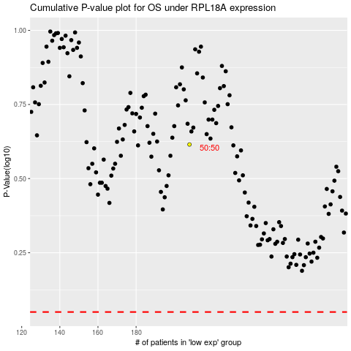

 |  |  |  |  |  | cases_OS | p_OS | rank | exp
 |  |  |  |  |  |  | cases_RFS | p_RFS | rank | exp

