RPL19P12 _multivariate
Reported by Tex Li-Hsing Chi. tex@gate.sinica.edu.tw 2019-08-16

Table 2. The clinicopathological features of HNSCC cohort and RPL19P12 expression. (Chi square test)
Cutoff at -0.237 (50.0%)
 |  | RPL19P12 expression |  | RPL19P12 expression |  | (Optimised)
 | Features | Low | (%) | High | (%) | Case no | P-value | Remark | Matthews
Gender | Female | 155 | 37.3 | 151 | 36.4 | 415 | 0.6768 | 0 | 0
2 | Male | 52 | 12.5 | 57 | 13.7
Age at diagnosis | <=65y | 142 | 34.2 | 132 | 31.8 | 415 | 0.3167 | 0 | 0
4 | >65y | 65 | 15.7 | 76 | 18.3
Clinical T Status | T1+T2 | 81 | 19.5 | 68 | 16.4 | 415 | 0.206 | 0 | 0
6 | T3+T4 | 126 | 30.4 | 140 | 33.7
Clinical N Status | N0 | 110 | 26.5 | 106 | 25.5 | 415 | 0.7294 | 0 | 0
8 | N1-3 | 97 | 23.4 | 102 | 24.6
Clinical M Status | M0 | 206 | 49.6 | 206 | 49.6 | 415 | 1 | 0 | 0
10 | M1 | 1 | 0.2 | 2 | 0.5
Clinical Stage | Stage I+II | 53 | 12.8 | 49 | 11.8 | 415 | 0.7113 | 0 | 0
12 | Stage III+IV | 154 | 37.1 | 159 | 38.3
Surgical Margin status | Negative | 158 | 38.1 | 160 | 38.6 | 415 | 0.9081 | 0 | 0
14 | Positive | 49 | 11.8 | 48 | 11.6
Tobacco Exposure | Low | 91 | 21.9 | 70 | 16.9 | 415 | 0.0346 | 1 | 0
16 | High | 116 | 28 | 138 | 33.3

Table 3. Univariate/Multivariate Cox's proportional hazards regression analyses on OS time of RPL19P12 gene expression in HNSCC

 |  | Univariate |  |  |  | Multivariate
 | Features | HR | CI95%(L) | CI95%(H) | P-value | HR | CI95%(L) | CI95%(H) | P-value
1 | Female | 1 |  |  |  | 1
Gender | Male | 1.157 | 0.843 | 1.587 | 0.367 | 1.191 | 0.851 | 1.666 | 0.308
11 | <=65y | 1 |  |  |  | 1
Age at diagnosis | >65y | 1.329 | 0.99 | 1.784 | 0.058 | 1.389 | 1.021 | 1.888 | 0.036
12 | T1+T2 | 1 |  |  |  | 1
Clinical T Status | T3+T4 | 1.409 | 1.028 | 1.931 | 0.033 | 2.193 | 1.16 | 4.147 | 0.016
13 | N0 | 1 |  |  |  | 1
Clinical N Status | N1-3 | 1.185 | 0.89 | 1.577 | 0.246 | 1.24 | 0.869 | 1.769 | 0.236
14 | M0 | 1 |  |  |  | 1
Clinical M Status | M1 | 4.097 | 1.009 | 16.644 | 0.049 | 9.288 | 2.025 | 42.607 | 0.004
15 | Stage I+II | 1 |  |  |  | 1
Clinical Stage | Stage III+IV | 1.245 | 0.882 | 1.759 | 0.213 | 0.508 | 0.236 | 1.089 | 0.082
16 | Negative | 1 |  |  |  | 1
Surgical Margin status | Positive | 1.591 | 1.155 | 2.191 | 0.004 | 1.671 | 1.21 | 2.309 | 0.002
17 | Low | 1 |  |  |  | 1
Tobacco Exposure | High | 1.364 | 1.008 | 1.844 | 0.044 | 1.446 | 1.049 | 1.995 | 0.024
18 | Low | 1 |  |  |  | 1
RNAseq(z-score) | High | 1.154 | 0.864 | 1.54 | 0.332 | 1.087 | 0.813 | 1.454 | 0.572

Table 4. Univariate/Multivariate Cox's proportional hazards regression analyses on RFS time of RPL19P12 gene expression in HNSCC

 |  | Univariate |  |  |  | Multivariate
 | Features | HR | CI95%(L) | CI95%(H) | P-value | HR | CI95%(L) | CI95%(H) | P-value
1 | Female | 1 |  |  |  | 1
Gender | Male | 1.157 | 0.843 | 1.587 | 0.367 | 1.191 | 0.851 | 1.666 | 0.308
11 | <=65y | 1 |  |  |  | 1
Age at diagnosis | >65y | 1.329 | 0.99 | 1.784 | 0.058 | 1.389 | 1.021 | 1.888 | 0.036
12 | T1+T2 | 1 |  |  |  | 1
Clinical T Status | T3+T4 | 1.409 | 1.028 | 1.931 | 0.033 | 2.193 | 1.16 | 4.147 | 0.016
13 | N0 | 1 |  |  |  | 1
Clinical N Status | N1-3 | 1.185 | 0.89 | 1.577 | 0.246 | 1.24 | 0.869 | 1.769 | 0.236
14 | M0 | 1 |  |  |  | 1
Clinical M Status | M1 | 4.097 | 1.009 | 16.644 | 0.049 | 9.288 | 2.025 | 42.607 | 0.004
15 | Stage I+II | 1 |  |  |  | 1
Clinical Stage | Stage III+IV | 1.245 | 0.882 | 1.759 | 0.213 | 0.508 | 0.236 | 1.089 | 0.082
16 | Negative | 1 |  |  |  | 1
Surgical Margin status | Positive | 1.591 | 1.155 | 2.191 | 0.004 | 1.671 | 1.21 | 2.309 | 0.002
17 | Low | 1 |  |  |  | 1
Tobacco Exposure | High | 1.364 | 1.008 | 1.844 | 0.044 | 1.446 | 1.049 | 1.995 | 0.024
18 | Low | 1 |  |  |  | 1
RNAseq(z-score) | High | 1.154 | 0.864 | 1.54 | 0.332 | 1.087 | 0.813 | 1.454 | 0.572

Kaplan-Meier survival estimate: Cutoff at -0.237 (50.0%)



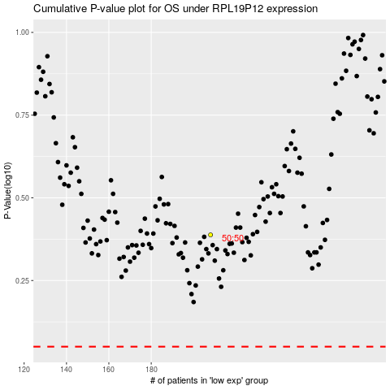

 |  |  |  |  |  | cases_OS | p_OS | rank | exp
 |  |  |  |  |  |  | cases_RFS | p_RFS | rank | exp

