RPL22 _multivariate
Reported by Tex Li-Hsing Chi. tex@gate.sinica.edu.tw 2019-08-16

Table 2. The clinicopathological features of HNSCC cohort and RPL22 expression. (Chi square test)
Cutoff at -0.298 (50.0%)
 |  | RPL22 expression |  | RPL22 expression |  | (Optimised)
 | Features | Low | (%) | High | (%) | Case no | P-value | Remark | Matthews
Gender | Female | 153 | 36.9 | 153 | 36.9 | 415 | 1 | 0 | 0
2 | Male | 54 | 13 | 55 | 13.3
Age at diagnosis | <=65y | 133 | 32 | 141 | 34 | 415 | 0.5111 | 0 | 0
4 | >65y | 74 | 17.8 | 67 | 16.1
Clinical T Status | T1+T2 | 67 | 16.1 | 82 | 19.8 | 415 | 0.1628 | 0 | 0
6 | T3+T4 | 140 | 33.7 | 126 | 30.4
Clinical N Status | N0 | 109 | 26.3 | 107 | 25.8 | 415 | 0.8812 | 0 | 0
8 | N1-3 | 98 | 23.6 | 101 | 24.3
Clinical M Status | M0 | 207 | 49.9 | 205 | 49.4 | 415 | 0.2482 | 0 | 0
10 | M1 | 0 | 0 | 3 | 0.7
Clinical Stage | Stage I+II | 47 | 11.3 | 55 | 13.3 | 415 | 0.4413 | 0 | 0
12 | Stage III+IV | 160 | 38.6 | 153 | 36.9
Surgical Margin status | Negative | 164 | 39.5 | 154 | 37.1 | 415 | 0.2462 | 0 | 0
14 | Positive | 43 | 10.4 | 54 | 13
Tobacco Exposure | Low | 82 | 19.8 | 79 | 19 | 415 | 0.763 | 0 | 0
16 | High | 125 | 30.1 | 129 | 31.1

Table 3. Univariate/Multivariate Cox's proportional hazards regression analyses on OS time of RPL22 gene expression in HNSCC

 |  | Univariate |  |  |  | Multivariate
 | Features | HR | CI95%(L) | CI95%(H) | P-value | HR | CI95%(L) | CI95%(H) | P-value
1 | Female | 1 |  |  |  | 1
Gender | Male | 1.157 | 0.843 | 1.587 | 0.367 | 1.207 | 0.863 | 1.687 | 0.271
11 | <=65y | 1 |  |  |  | 1
Age at diagnosis | >65y | 1.329 | 0.99 | 1.784 | 0.058 | 1.39 | 1.022 | 1.89 | 0.036
12 | T1+T2 | 1 |  |  |  | 1
Clinical T Status | T3+T4 | 1.409 | 1.028 | 1.931 | 0.033 | 2.195 | 1.16 | 4.153 | 0.016
13 | N0 | 1 |  |  |  | 1
Clinical N Status | N1-3 | 1.185 | 0.89 | 1.577 | 0.246 | 1.251 | 0.876 | 1.787 | 0.219
14 | M0 | 1 |  |  |  | 1
Clinical M Status | M1 | 4.097 | 1.009 | 16.644 | 0.049 | 9.805 | 2.123 | 45.282 | 0.003
15 | Stage I+II | 1 |  |  |  | 1
Clinical Stage | Stage III+IV | 1.245 | 0.882 | 1.759 | 0.213 | 0.499 | 0.232 | 1.072 | 0.075
16 | Negative | 1 |  |  |  | 1
Surgical Margin status | Positive | 1.591 | 1.155 | 2.191 | 0.004 | 1.689 | 1.22 | 2.339 | 0.002
17 | Low | 1 |  |  |  | 1
Tobacco Exposure | High | 1.364 | 1.008 | 1.844 | 0.044 | 1.459 | 1.058 | 2.012 | 0.021
18 | Low | 1 |  |  |  | 1
RNAseq(z-score) | High | 0.972 | 0.729 | 1.295 | 0.846 | 0.921 | 0.686 | 1.235 | 0.581

Table 4. Univariate/Multivariate Cox's proportional hazards regression analyses on RFS time of RPL22 gene expression in HNSCC

 |  | Univariate |  |  |  | Multivariate
 | Features | HR | CI95%(L) | CI95%(H) | P-value | HR | CI95%(L) | CI95%(H) | P-value
1 | Female | 1 |  |  |  | 1
Gender | Male | 1.157 | 0.843 | 1.587 | 0.367 | 1.207 | 0.863 | 1.687 | 0.271
11 | <=65y | 1 |  |  |  | 1
Age at diagnosis | >65y | 1.329 | 0.99 | 1.784 | 0.058 | 1.39 | 1.022 | 1.89 | 0.036
12 | T1+T2 | 1 |  |  |  | 1
Clinical T Status | T3+T4 | 1.409 | 1.028 | 1.931 | 0.033 | 2.195 | 1.16 | 4.153 | 0.016
13 | N0 | 1 |  |  |  | 1
Clinical N Status | N1-3 | 1.185 | 0.89 | 1.577 | 0.246 | 1.251 | 0.876 | 1.787 | 0.219
14 | M0 | 1 |  |  |  | 1
Clinical M Status | M1 | 4.097 | 1.009 | 16.644 | 0.049 | 9.805 | 2.123 | 45.282 | 0.003
15 | Stage I+II | 1 |  |  |  | 1
Clinical Stage | Stage III+IV | 1.245 | 0.882 | 1.759 | 0.213 | 0.499 | 0.232 | 1.072 | 0.075
16 | Negative | 1 |  |  |  | 1
Surgical Margin status | Positive | 1.591 | 1.155 | 2.191 | 0.004 | 1.689 | 1.22 | 2.339 | 0.002
17 | Low | 1 |  |  |  | 1
Tobacco Exposure | High | 1.364 | 1.008 | 1.844 | 0.044 | 1.459 | 1.058 | 2.012 | 0.021
18 | Low | 1 |  |  |  | 1
RNAseq(z-score) | High | 0.972 | 0.729 | 1.295 | 0.846 | 0.921 | 0.686 | 1.235 | 0.581

Kaplan-Meier survival estimate: Cutoff at -0.298 (50.0%)



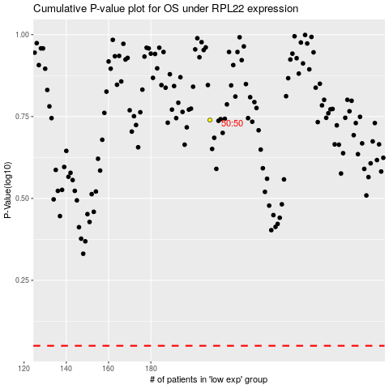

 |  |  |  |  |  | cases_OS | p_OS | rank | exp
 |  |  |  |  |  |  | cases_RFS | p_RFS | rank | exp

