RPL23AP82 _multivariate
Reported by Tex Li-Hsing Chi. tex@gate.sinica.edu.tw 2019-08-16

Table 2. The clinicopathological features of HNSCC cohort and RPL23AP82 expression. (Chi square test)
Cutoff at -0.141 (50.7%)
 |  | RPL23AP82 expression |  | RPL23AP82 expression |  | (Optimised)
 | Features | Low | (%) | High | (%) | Case no | P-value | Remark | Matthews
Gender | Female | 154 | 37.1 | 152 | 36.6 | 415 | 0.8095 | 0 | 0
2 | Male | 57 | 13.7 | 52 | 12.5
Age at diagnosis | <=65y | 141 | 34 | 133 | 32 | 415 | 0.8053 | 0 | 0
4 | >65y | 70 | 16.9 | 71 | 17.1
Clinical T Status | T1+T2 | 81 | 19.5 | 68 | 16.4 | 415 | 0.3316 | 0 | 0
6 | T3+T4 | 130 | 31.3 | 136 | 32.8
Clinical N Status | N0 | 117 | 28.2 | 99 | 23.9 | 415 | 0.1893 | 1 | 0
8 | N1-3 | 94 | 22.7 | 105 | 25.3
Clinical M Status | M0 | 211 | 50.8 | 201 | 48.4 | 415 | 0.1179 | 0 | 0
10 | M1 | 0 | 0 | 3 | 0.7
Clinical Stage | Stage I+II | 57 | 13.7 | 45 | 10.8 | 415 | 0.29 | 0 | 0
12 | Stage III+IV | 154 | 37.1 | 159 | 38.3
Surgical Margin status | Negative | 162 | 39 | 156 | 37.6 | 415 | 1 | 0 | 0
14 | Positive | 49 | 11.8 | 48 | 11.6
Tobacco Exposure | Low | 91 | 21.9 | 70 | 16.9 | 415 | 0.0703 | 0 | 0
16 | High | 120 | 28.9 | 134 | 32.3

Table 3. Univariate/Multivariate Cox's proportional hazards regression analyses on OS time of RPL23AP82 gene expression in HNSCC

 |  | Univariate |  |  |  | Multivariate
 | Features | HR | CI95%(L) | CI95%(H) | P-value | HR | CI95%(L) | CI95%(H) | P-value
1 | Female | 1 |  |  |  | 1
Gender | Male | 1.157 | 0.843 | 1.587 | 0.367 | 1.2 | 0.858 | 1.679 | 0.287
11 | <=65y | 1 |  |  |  | 1
Age at diagnosis | >65y | 1.329 | 0.99 | 1.784 | 0.058 | 1.357 | 0.997 | 1.845 | 0.052
12 | T1+T2 | 1 |  |  |  | 1
Clinical T Status | T3+T4 | 1.409 | 1.028 | 1.931 | 0.033 | 2.22 | 1.175 | 4.193 | 0.014
13 | N0 | 1 |  |  |  | 1
Clinical N Status | N1-3 | 1.185 | 0.89 | 1.577 | 0.246 | 1.227 | 0.86 | 1.751 | 0.26
14 | M0 | 1 |  |  |  | 1
Clinical M Status | M1 | 4.097 | 1.009 | 16.644 | 0.049 | 8.259 | 1.793 | 38.045 | 0.007
15 | Stage I+II | 1 |  |  |  | 1
Clinical Stage | Stage III+IV | 1.245 | 0.882 | 1.759 | 0.213 | 0.496 | 0.231 | 1.065 | 0.072
16 | Negative | 1 |  |  |  | 1
Surgical Margin status | Positive | 1.591 | 1.155 | 2.191 | 0.004 | 1.69 | 1.223 | 2.336 | 0.001
17 | Low | 1 |  |  |  | 1
Tobacco Exposure | High | 1.364 | 1.008 | 1.844 | 0.044 | 1.404 | 1.017 | 1.939 | 0.039
18 | Low | 1 |  |  |  | 1
RNAseq(z-score) | High | 1.409 | 1.056 | 1.88 | 0.02 | 1.338 | 0.998 | 1.793 | 0.052

Table 4. Univariate/Multivariate Cox's proportional hazards regression analyses on RFS time of RPL23AP82 gene expression in HNSCC

 |  | Univariate |  |  |  | Multivariate
 | Features | HR | CI95%(L) | CI95%(H) | P-value | HR | CI95%(L) | CI95%(H) | P-value
1 | Female | 1 |  |  |  | 1
Gender | Male | 1.157 | 0.843 | 1.587 | 0.367 | 1.2 | 0.858 | 1.679 | 0.287
11 | <=65y | 1 |  |  |  | 1
Age at diagnosis | >65y | 1.329 | 0.99 | 1.784 | 0.058 | 1.357 | 0.997 | 1.845 | 0.052
12 | T1+T2 | 1 |  |  |  | 1
Clinical T Status | T3+T4 | 1.409 | 1.028 | 1.931 | 0.033 | 2.22 | 1.175 | 4.193 | 0.014
13 | N0 | 1 |  |  |  | 1
Clinical N Status | N1-3 | 1.185 | 0.89 | 1.577 | 0.246 | 1.227 | 0.86 | 1.751 | 0.26
14 | M0 | 1 |  |  |  | 1
Clinical M Status | M1 | 4.097 | 1.009 | 16.644 | 0.049 | 8.259 | 1.793 | 38.045 | 0.007
15 | Stage I+II | 1 |  |  |  | 1
Clinical Stage | Stage III+IV | 1.245 | 0.882 | 1.759 | 0.213 | 0.496 | 0.231 | 1.065 | 0.072
16 | Negative | 1 |  |  |  | 1
Surgical Margin status | Positive | 1.591 | 1.155 | 2.191 | 0.004 | 1.69 | 1.223 | 2.336 | 0.001
17 | Low | 1 |  |  |  | 1
Tobacco Exposure | High | 1.364 | 1.008 | 1.844 | 0.044 | 1.404 | 1.017 | 1.939 | 0.039
18 | Low | 1 |  |  |  | 1
RNAseq(z-score) | High | 1.409 | 1.056 | 1.88 | 0.02 | 1.338 | 0.998 | 1.793 | 0.052

Kaplan-Meier survival estimate: Cutoff at -0.141 (50.7%)

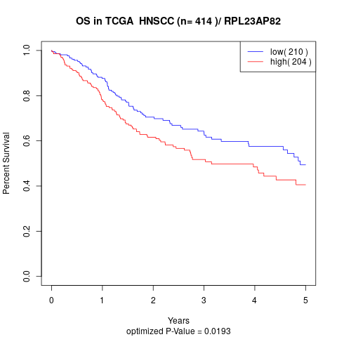

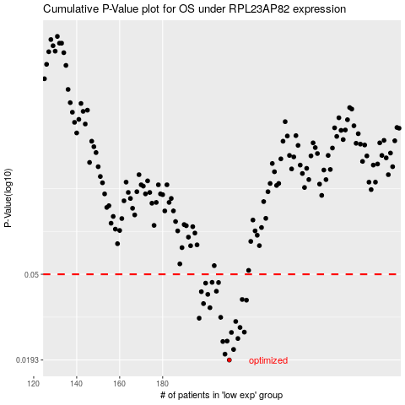

 |  |  |  |  |  | cases_OS | p_OS | rank | exp
 |  |  |  |  |  | 211 | 0.0193 | 387 | -0.14068346916
 |  |  |  |  |  | 209 | 0.0206 | 275 | -0.15482990039
 |  |  |  |  |  | 213 | 0.0217 | 133 | -0.13043377533
 |  |  |  |  |  | 208 | 0.0237 | 354 | -0.15645708112
 |  |  |  |  |  | 210 | 0.0238 | 164 | -0.15114042256
 |  |  |  |  |  | 215 | 0.0245 | 401 | -0.12072218399
 |  |  |  |  |  | 212 | 0.0262 | 167 | -0.13615722908
 |  |  |  |  |  | 218 | 0.0263 | 257 | -0.10705077625
 |  |  |  |  |  | 216 | 0.0277 | 229 | -0.11757080865
 |  |  |  |  |  | 214 | 0.0296 | 170 | -0.12927003215
 |  |  |  |  |  | 197 | 0.0307 | 88 | -0.24712735056
 |  |  |  |  |  | 207 | 0.031 | 397 | -0.15917977673
 |  |  |  |  |  | 202 | 0.0345 | 12 | -0.18877283899
 |  |  |  |  |  | 199 | 0.0361 | 236 | -0.22847012717
 |  |  |  |  |  | 219 | 0.0375 | 43 | -0.10626164509
 |  |  |  |  |  | 217 | 0.0378 | 403 | -0.10867152035
 |  |  |  |  |  | 201 | 0.04 | 100 | -0.19561755414
 |  |  |  |  |  | 198 | 0.0412 | 101 | -0.2385988123
 |  |  |  |  |  | 205 | 0.0414 | 256 | -0.16578504915
 |  |  |  |  |  | 200 | 0.0453 | 367 | -0.21481416735
 |  |  |  |  |  | 206 | 0.0456 | 272 | -0.16328763569
 |  |  |  |  |  | 203 | 0.0457 | 56 | -0.17973065744
 |  |  |  |  |  |  | cases_RFS | p_RFS | rank | exp
 |  |  |  |  |  |  | 210 | 0.0193 | 164 | -0.15114042256
 |  |  |  |  |  |  | 208 | 0.0206 | 354 | -0.15645708112
 |  |  |  |  |  |  | 212 | 0.0217 | 167 | -0.13615722908
 |  |  |  |  |  |  | 207 | 0.0237 | 397 | -0.15917977673
 |  |  |  |  |  |  | 209 | 0.0238 | 275 | -0.15482990039
 |  |  |  |  |  |  | 214 | 0.0245 | 170 | -0.12927003215
 |  |  |  |  |  |  | 211 | 0.0262 | 387 | -0.14068346916
 |  |  |  |  |  |  | 217 | 0.0263 | 403 | -0.10867152035
 |  |  |  |  |  |  | 215 | 0.0277 | 401 | -0.12072218399
 |  |  |  |  |  |  | 213 | 0.0296 | 133 | -0.13043377533
 |  |  |  |  |  |  | 196 | 0.0307 | 245 | -0.25426300151
 |  |  |  |  |  |  | 206 | 0.031 | 272 | -0.16328763569
 |  |  |  |  |  |  | 201 | 0.0345 | 100 | -0.19561755414
 |  |  |  |  |  |  | 198 | 0.0361 | 101 | -0.2385988123
 |  |  |  |  |  |  | 218 | 0.0375 | 257 | -0.10705077625
 |  |  |  |  |  |  | 216 | 0.0378 | 229 | -0.11757080865
 |  |  |  |  |  |  | 200 | 0.04 | 367 | -0.21481416735
 |  |  |  |  |  |  | 197 | 0.0412 | 88 | -0.24712735056
 |  |  |  |  |  |  | 204 | 0.0414 | 195 | -0.16810223691
 |  |  |  |  |  |  | 199 | 0.0453 | 236 | -0.22847012717
 |  |  |  |  |  |  | 205 | 0.0456 | 256 | -0.16578504915
 |  |  |  |  |  |  | 202 | 0.0457 | 12 | -0.18877283899

