RPL23P8 _multivariate
Reported by Tex Li-Hsing Chi. tex@gate.sinica.edu.tw 2019-08-16

Table 2. The clinicopathological features of HNSCC cohort and RPL23P8 expression. (Chi square test)
Cutoff at -0.313 (49.8%)
 |  | RPL23P8 expression |  | RPL23P8 expression |  | (Optimised)
 | Features | Low | (%) | High | (%) | Case no | P-value | Remark | Matthews
Gender | Female | 149 | 35.9 | 157 | 37.8 | 415 | 0.4848 | 0 | 0
2 | Male | 58 | 14 | 51 | 12.3
Age at diagnosis | <=65y | 138 | 33.3 | 136 | 32.8 | 415 | 0.8634 | 0 | 0
4 | >65y | 69 | 16.6 | 72 | 17.3
Clinical T Status | T1+T2 | 81 | 19.5 | 68 | 16.4 | 415 | 0.206 | 0 | 0
6 | T3+T4 | 126 | 30.4 | 140 | 33.7
Clinical N Status | N0 | 107 | 25.8 | 109 | 26.3 | 415 | 0.9624 | 0 | 0
8 | N1-3 | 100 | 24.1 | 99 | 23.9
Clinical M Status | M0 | 206 | 49.6 | 206 | 49.6 | 415 | 1 | 0 | 0
10 | M1 | 1 | 0.2 | 2 | 0.5
Clinical Stage | Stage I+II | 56 | 13.5 | 46 | 11.1 | 415 | 0.2918 | 0 | 0
12 | Stage III+IV | 151 | 36.4 | 162 | 39
Surgical Margin status | Negative | 157 | 37.8 | 161 | 38.8 | 415 | 0.729 | 0 | 0
14 | Positive | 50 | 12 | 47 | 11.3
Tobacco Exposure | Low | 91 | 21.9 | 70 | 16.9 | 415 | 0.0346 | 1 | 0
16 | High | 116 | 28 | 138 | 33.3

Table 3. Univariate/Multivariate Cox's proportional hazards regression analyses on OS time of RPL23P8 gene expression in HNSCC

 |  | Univariate |  |  |  | Multivariate
 | Features | HR | CI95%(L) | CI95%(H) | P-value | HR | CI95%(L) | CI95%(H) | P-value
1 | Female | 1 |  |  |  | 1
Gender | Male | 1.157 | 0.843 | 1.587 | 0.367 | 1.187 | 0.848 | 1.66 | 0.318
11 | <=65y | 1 |  |  |  | 1
Age at diagnosis | >65y | 1.329 | 0.99 | 1.784 | 0.058 | 1.412 | 1.038 | 1.921 | 0.028
12 | T1+T2 | 1 |  |  |  | 1
Clinical T Status | T3+T4 | 1.409 | 1.028 | 1.931 | 0.033 | 2.232 | 1.181 | 4.217 | 0.013
13 | N0 | 1 |  |  |  | 1
Clinical N Status | N1-3 | 1.185 | 0.89 | 1.577 | 0.246 | 1.275 | 0.893 | 1.82 | 0.182
14 | M0 | 1 |  |  |  | 1
Clinical M Status | M1 | 4.097 | 1.009 | 16.644 | 0.049 | 9.237 | 2.015 | 42.348 | 0.004
15 | Stage I+II | 1 |  |  |  | 1
Clinical Stage | Stage III+IV | 1.245 | 0.882 | 1.759 | 0.213 | 0.49 | 0.228 | 1.052 | 0.067
16 | Negative | 1 |  |  |  | 1
Surgical Margin status | Positive | 1.591 | 1.155 | 2.191 | 0.004 | 1.663 | 1.204 | 2.298 | 0.002
17 | Low | 1 |  |  |  | 1
Tobacco Exposure | High | 1.364 | 1.008 | 1.844 | 0.044 | 1.42 | 1.028 | 1.961 | 0.034
18 | Low | 1 |  |  |  | 1
RNAseq(z-score) | High | 1.259 | 0.944 | 1.68 | 0.117 | 1.246 | 0.931 | 1.667 | 0.14

Table 4. Univariate/Multivariate Cox's proportional hazards regression analyses on RFS time of RPL23P8 gene expression in HNSCC

 |  | Univariate |  |  |  | Multivariate
 | Features | HR | CI95%(L) | CI95%(H) | P-value | HR | CI95%(L) | CI95%(H) | P-value
1 | Female | 1 |  |  |  | 1
Gender | Male | 1.157 | 0.843 | 1.587 | 0.367 | 1.187 | 0.848 | 1.66 | 0.318
11 | <=65y | 1 |  |  |  | 1
Age at diagnosis | >65y | 1.329 | 0.99 | 1.784 | 0.058 | 1.412 | 1.038 | 1.921 | 0.028
12 | T1+T2 | 1 |  |  |  | 1
Clinical T Status | T3+T4 | 1.409 | 1.028 | 1.931 | 0.033 | 2.232 | 1.181 | 4.217 | 0.013
13 | N0 | 1 |  |  |  | 1
Clinical N Status | N1-3 | 1.185 | 0.89 | 1.577 | 0.246 | 1.275 | 0.893 | 1.82 | 0.182
14 | M0 | 1 |  |  |  | 1
Clinical M Status | M1 | 4.097 | 1.009 | 16.644 | 0.049 | 9.237 | 2.015 | 42.348 | 0.004
15 | Stage I+II | 1 |  |  |  | 1
Clinical Stage | Stage III+IV | 1.245 | 0.882 | 1.759 | 0.213 | 0.49 | 0.228 | 1.052 | 0.067
16 | Negative | 1 |  |  |  | 1
Surgical Margin status | Positive | 1.591 | 1.155 | 2.191 | 0.004 | 1.663 | 1.204 | 2.298 | 0.002
17 | Low | 1 |  |  |  | 1
Tobacco Exposure | High | 1.364 | 1.008 | 1.844 | 0.044 | 1.42 | 1.028 | 1.961 | 0.034
18 | Low | 1 |  |  |  | 1
RNAseq(z-score) | High | 1.259 | 0.944 | 1.68 | 0.117 | 1.246 | 0.931 | 1.667 | 0.14

Kaplan-Meier survival estimate: Cutoff at -0.313 (49.8%)



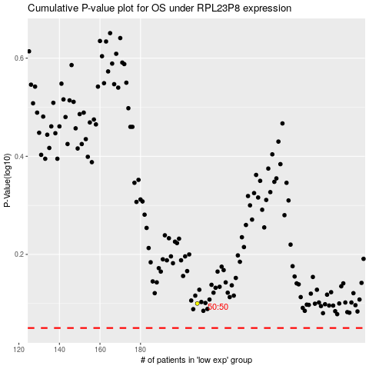

 |  |  |  |  |  | cases_OS | p_OS | rank | exp
 |  |  |  |  |  |  | cases_RFS | p_RFS | rank | exp

