RPL27A _multivariate
Reported by Tex Li-Hsing Chi. tex@gate.sinica.edu.tw 2019-08-16

Table 2. The clinicopathological features of HNSCC cohort and RPL27A expression. (Chi square test)
Cutoff at -0.306 (50.0%)
 |  | RPL27A expression |  | RPL27A expression |  | (Optimised)
 | Features | Low | (%) | High | (%) | Case no | P-value | Remark | Matthews
Gender | Female | 155 | 37.3 | 151 | 36.4 | 415 | 0.6768 | 0 | 0
2 | Male | 52 | 12.5 | 57 | 13.7
Age at diagnosis | <=65y | 142 | 34.2 | 132 | 31.8 | 415 | 0.3167 | 0 | 0
4 | >65y | 65 | 15.7 | 76 | 18.3
Clinical T Status | T1+T2 | 77 | 18.6 | 72 | 17.3 | 415 | 0.6556 | 0 | 0
6 | T3+T4 | 130 | 31.3 | 136 | 32.8
Clinical N Status | N0 | 107 | 25.8 | 109 | 26.3 | 415 | 0.9624 | 0 | 0
8 | N1-3 | 100 | 24.1 | 99 | 23.9
Clinical M Status | M0 | 207 | 49.9 | 205 | 49.4 | 415 | 0.2482 | 0 | 0
10 | M1 | 0 | 0 | 3 | 0.7
Clinical Stage | Stage I+II | 49 | 11.8 | 53 | 12.8 | 415 | 0.7535 | 0 | 0
12 | Stage III+IV | 158 | 38.1 | 155 | 37.3
Surgical Margin status | Negative | 166 | 40 | 152 | 36.6 | 415 | 0.1042 | 0 | 0
14 | Positive | 41 | 9.9 | 56 | 13.5
Tobacco Exposure | Low | 77 | 18.6 | 84 | 20.2 | 415 | 0.5459 | 0 | 0
16 | High | 130 | 31.3 | 124 | 29.9

Table 3. Univariate/Multivariate Cox's proportional hazards regression analyses on OS time of RPL27A gene expression in HNSCC

 |  | Univariate |  |  |  | Multivariate
 | Features | HR | CI95%(L) | CI95%(H) | P-value | HR | CI95%(L) | CI95%(H) | P-value
1 | Female | 1 |  |  |  | 1
Gender | Male | 1.157 | 0.843 | 1.587 | 0.367 | 1.2 | 0.858 | 1.677 | 0.286
11 | <=65y | 1 |  |  |  | 1
Age at diagnosis | >65y | 1.329 | 0.99 | 1.784 | 0.058 | 1.391 | 1.023 | 1.891 | 0.035
12 | T1+T2 | 1 |  |  |  | 1
Clinical T Status | T3+T4 | 1.409 | 1.028 | 1.931 | 0.033 | 2.194 | 1.158 | 4.157 | 0.016
13 | N0 | 1 |  |  |  | 1
Clinical N Status | N1-3 | 1.185 | 0.89 | 1.577 | 0.246 | 1.239 | 0.868 | 1.769 | 0.237
14 | M0 | 1 |  |  |  | 1
Clinical M Status | M1 | 4.097 | 1.009 | 16.644 | 0.049 | 9.276 | 1.999 | 43.032 | 0.004
15 | Stage I+II | 1 |  |  |  | 1
Clinical Stage | Stage III+IV | 1.245 | 0.882 | 1.759 | 0.213 | 0.506 | 0.236 | 1.089 | 0.082
16 | Negative | 1 |  |  |  | 1
Surgical Margin status | Positive | 1.591 | 1.155 | 2.191 | 0.004 | 1.665 | 1.199 | 2.312 | 0.002
17 | Low | 1 |  |  |  | 1
Tobacco Exposure | High | 1.364 | 1.008 | 1.844 | 0.044 | 1.454 | 1.055 | 2.003 | 0.022
18 | Low | 1 |  |  |  | 1
RNAseq(z-score) | High | 1.142 | 0.857 | 1.521 | 0.365 | 1.022 | 0.761 | 1.372 | 0.887

Table 4. Univariate/Multivariate Cox's proportional hazards regression analyses on RFS time of RPL27A gene expression in HNSCC

 |  | Univariate |  |  |  | Multivariate
 | Features | HR | CI95%(L) | CI95%(H) | P-value | HR | CI95%(L) | CI95%(H) | P-value
1 | Female | 1 |  |  |  | 1
Gender | Male | 1.157 | 0.843 | 1.587 | 0.367 | 1.2 | 0.858 | 1.677 | 0.286
11 | <=65y | 1 |  |  |  | 1
Age at diagnosis | >65y | 1.329 | 0.99 | 1.784 | 0.058 | 1.391 | 1.023 | 1.891 | 0.035
12 | T1+T2 | 1 |  |  |  | 1
Clinical T Status | T3+T4 | 1.409 | 1.028 | 1.931 | 0.033 | 2.194 | 1.158 | 4.157 | 0.016
13 | N0 | 1 |  |  |  | 1
Clinical N Status | N1-3 | 1.185 | 0.89 | 1.577 | 0.246 | 1.239 | 0.868 | 1.769 | 0.237
14 | M0 | 1 |  |  |  | 1
Clinical M Status | M1 | 4.097 | 1.009 | 16.644 | 0.049 | 9.276 | 1.999 | 43.032 | 0.004
15 | Stage I+II | 1 |  |  |  | 1
Clinical Stage | Stage III+IV | 1.245 | 0.882 | 1.759 | 0.213 | 0.506 | 0.236 | 1.089 | 0.082
16 | Negative | 1 |  |  |  | 1
Surgical Margin status | Positive | 1.591 | 1.155 | 2.191 | 0.004 | 1.665 | 1.199 | 2.312 | 0.002
17 | Low | 1 |  |  |  | 1
Tobacco Exposure | High | 1.364 | 1.008 | 1.844 | 0.044 | 1.454 | 1.055 | 2.003 | 0.022
18 | Low | 1 |  |  |  | 1
RNAseq(z-score) | High | 1.142 | 0.857 | 1.521 | 0.365 | 1.022 | 0.761 | 1.372 | 0.887

Kaplan-Meier survival estimate: Cutoff at -0.306 (50.0%)



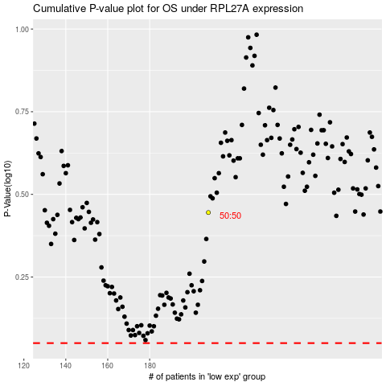

 |  |  |  |  |  | cases_OS | p_OS | rank | exp
 |  |  |  |  |  |  | cases_RFS | p_RFS | rank | exp

