RPL29 _multivariate
Reported by Tex Li-Hsing Chi. tex@gate.sinica.edu.tw 2019-08-16

Table 2. The clinicopathological features of HNSCC cohort and RPL29 expression. (Chi square test)
Cutoff at -0.361 (49.8%)
 |  | RPL29 expression |  | RPL29 expression |  | (Optimised)
 | Features | Low | (%) | High | (%) | Case no | P-value | Remark | Matthews
Gender | Female | 162 | 39 | 144 | 34.7 | 415 | 0.0479 | 1 | 0
2 | Male | 45 | 10.8 | 64 | 15.4
Age at diagnosis | <=65y | 149 | 35.9 | 125 | 30.1 | 415 | 0.0142 | 1 | 0
4 | >65y | 58 | 14 | 83 | 20
Clinical T Status | T1+T2 | 80 | 19.3 | 69 | 16.6 | 415 | 0.2891 | 0 | 0
6 | T3+T4 | 127 | 30.6 | 139 | 33.5
Clinical N Status | N0 | 108 | 26 | 108 | 26 | 415 | 1 | 0 | 0
8 | N1-3 | 99 | 23.9 | 100 | 24.1
Clinical M Status | M0 | 206 | 49.6 | 206 | 49.6 | 415 | 1 | 0 | 0
10 | M1 | 1 | 0.2 | 2 | 0.5
Clinical Stage | Stage I+II | 54 | 13 | 48 | 11.6 | 415 | 0.5498 | 0 | 0
12 | Stage III+IV | 153 | 36.9 | 160 | 38.6
Surgical Margin status | Negative | 165 | 39.8 | 153 | 36.9 | 415 | 0.1639 | 0 | 0
14 | Positive | 42 | 10.1 | 55 | 13.3
Tobacco Exposure | Low | 79 | 19 | 82 | 19.8 | 415 | 0.8405 | 0 | 0
16 | High | 128 | 30.8 | 126 | 30.4

Table 3. Univariate/Multivariate Cox's proportional hazards regression analyses on OS time of RPL29 gene expression in HNSCC

 |  | Univariate |  |  |  | Multivariate
 | Features | HR | CI95%(L) | CI95%(H) | P-value | HR | CI95%(L) | CI95%(H) | P-value
1 | Female | 1 |  |  |  | 1
Gender | Male | 1.157 | 0.843 | 1.587 | 0.367 | 1.19 | 0.85 | 1.667 | 0.311
11 | <=65y | 1 |  |  |  | 1
Age at diagnosis | >65y | 1.329 | 0.99 | 1.784 | 0.058 | 1.384 | 1.017 | 1.883 | 0.038
12 | T1+T2 | 1 |  |  |  | 1
Clinical T Status | T3+T4 | 1.409 | 1.028 | 1.931 | 0.033 | 2.2 | 1.164 | 4.159 | 0.015
13 | N0 | 1 |  |  |  | 1
Clinical N Status | N1-3 | 1.185 | 0.89 | 1.577 | 0.246 | 1.243 | 0.871 | 1.774 | 0.23
14 | M0 | 1 |  |  |  | 1
Clinical M Status | M1 | 4.097 | 1.009 | 16.644 | 0.049 | 9.309 | 2.03 | 42.699 | 0.004
15 | Stage I+II | 1 |  |  |  | 1
Clinical Stage | Stage III+IV | 1.245 | 0.882 | 1.759 | 0.213 | 0.505 | 0.235 | 1.084 | 0.079
16 | Negative | 1 |  |  |  | 1
Surgical Margin status | Positive | 1.591 | 1.155 | 2.191 | 0.004 | 1.661 | 1.201 | 2.297 | 0.002
17 | Low | 1 |  |  |  | 1
Tobacco Exposure | High | 1.364 | 1.008 | 1.844 | 0.044 | 1.45 | 1.053 | 1.998 | 0.023
18 | Low | 1 |  |  |  | 1
RNAseq(z-score) | High | 1.149 | 0.861 | 1.533 | 0.344 | 1.069 | 0.798 | 1.432 | 0.656

Table 4. Univariate/Multivariate Cox's proportional hazards regression analyses on RFS time of RPL29 gene expression in HNSCC

 |  | Univariate |  |  |  | Multivariate
 | Features | HR | CI95%(L) | CI95%(H) | P-value | HR | CI95%(L) | CI95%(H) | P-value
1 | Female | 1 |  |  |  | 1
Gender | Male | 1.157 | 0.843 | 1.587 | 0.367 | 1.19 | 0.85 | 1.667 | 0.311
11 | <=65y | 1 |  |  |  | 1
Age at diagnosis | >65y | 1.329 | 0.99 | 1.784 | 0.058 | 1.384 | 1.017 | 1.883 | 0.038
12 | T1+T2 | 1 |  |  |  | 1
Clinical T Status | T3+T4 | 1.409 | 1.028 | 1.931 | 0.033 | 2.2 | 1.164 | 4.159 | 0.015
13 | N0 | 1 |  |  |  | 1
Clinical N Status | N1-3 | 1.185 | 0.89 | 1.577 | 0.246 | 1.243 | 0.871 | 1.774 | 0.23
14 | M0 | 1 |  |  |  | 1
Clinical M Status | M1 | 4.097 | 1.009 | 16.644 | 0.049 | 9.309 | 2.03 | 42.699 | 0.004
15 | Stage I+II | 1 |  |  |  | 1
Clinical Stage | Stage III+IV | 1.245 | 0.882 | 1.759 | 0.213 | 0.505 | 0.235 | 1.084 | 0.079
16 | Negative | 1 |  |  |  | 1
Surgical Margin status | Positive | 1.591 | 1.155 | 2.191 | 0.004 | 1.661 | 1.201 | 2.297 | 0.002
17 | Low | 1 |  |  |  | 1
Tobacco Exposure | High | 1.364 | 1.008 | 1.844 | 0.044 | 1.45 | 1.053 | 1.998 | 0.023
18 | Low | 1 |  |  |  | 1
RNAseq(z-score) | High | 1.149 | 0.861 | 1.533 | 0.344 | 1.069 | 0.798 | 1.432 | 0.656

Kaplan-Meier survival estimate: Cutoff at -0.361 (49.8%)



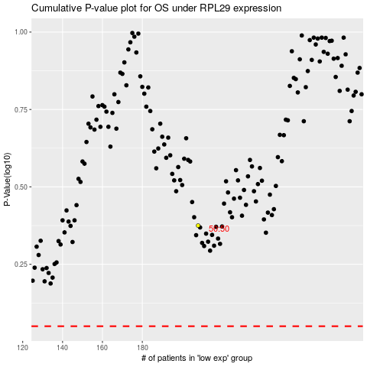

 |  |  |  |  |  | cases_OS | p_OS | rank | exp
 |  |  |  |  |  |  | cases_RFS | p_RFS | rank | exp

