RPL34 _multivariate
Reported by Tex Li-Hsing Chi. tex@gate.sinica.edu.tw 2019-08-16

Table 2. The clinicopathological features of HNSCC cohort and RPL34 expression. (Chi square test)
Cutoff at -0.339 (50.0%)
 |  | RPL34 expression |  | RPL34 expression |  | (Optimised)
 | Features | Low | (%) | High | (%) | Case no | P-value | Remark | Matthews
Gender | Female | 162 | 39 | 144 | 34.7 | 415 | 0.0479 | 1 | 0
2 | Male | 45 | 10.8 | 64 | 15.4
Age at diagnosis | <=65y | 146 | 35.2 | 128 | 30.8 | 415 | 0.0672 | 0 | 0
4 | >65y | 61 | 14.7 | 80 | 19.3
Clinical T Status | T1+T2 | 81 | 19.5 | 68 | 16.4 | 415 | 0.206 | 0 | 0
6 | T3+T4 | 126 | 30.4 | 140 | 33.7
Clinical N Status | N0 | 104 | 25.1 | 112 | 27 | 415 | 0.5243 | 0 | 0
8 | N1-3 | 103 | 24.8 | 96 | 23.1
Clinical M Status | M0 | 207 | 49.9 | 205 | 49.4 | 415 | 0.2482 | 0 | 0
10 | M1 | 0 | 0 | 3 | 0.7
Clinical Stage | Stage I+II | 56 | 13.5 | 46 | 11.1 | 415 | 0.2918 | 0 | 0
12 | Stage III+IV | 151 | 36.4 | 162 | 39
Surgical Margin status | Negative | 165 | 39.8 | 153 | 36.9 | 415 | 0.1639 | 0 | 0
14 | Positive | 42 | 10.1 | 55 | 13.3
Tobacco Exposure | Low | 88 | 21.2 | 73 | 17.6 | 415 | 0.1314 | 0 | 0
16 | High | 119 | 28.7 | 135 | 32.5

Table 3. Univariate/Multivariate Cox's proportional hazards regression analyses on OS time of RPL34 gene expression in HNSCC

 |  | Univariate |  |  |  | Multivariate
 | Features | HR | CI95%(L) | CI95%(H) | P-value | HR | CI95%(L) | CI95%(H) | P-value
1 | Female | 1 |  |  |  | 1
Gender | Male | 1.157 | 0.843 | 1.587 | 0.367 | 1.191 | 0.849 | 1.672 | 0.312
11 | <=65y | 1 |  |  |  | 1
Age at diagnosis | >65y | 1.329 | 0.99 | 1.784 | 0.058 | 1.385 | 1.017 | 1.886 | 0.039
12 | T1+T2 | 1 |  |  |  | 1
Clinical T Status | T3+T4 | 1.409 | 1.028 | 1.931 | 0.033 | 2.202 | 1.165 | 4.164 | 0.015
13 | N0 | 1 |  |  |  | 1
Clinical N Status | N1-3 | 1.185 | 0.89 | 1.577 | 0.246 | 1.246 | 0.872 | 1.779 | 0.227
14 | M0 | 1 |  |  |  | 1
Clinical M Status | M1 | 4.097 | 1.009 | 16.644 | 0.049 | 9.152 | 1.975 | 42.402 | 0.005
15 | Stage I+II | 1 |  |  |  | 1
Clinical Stage | Stage III+IV | 1.245 | 0.882 | 1.759 | 0.213 | 0.503 | 0.234 | 1.079 | 0.078
16 | Negative | 1 |  |  |  | 1
Surgical Margin status | Positive | 1.591 | 1.155 | 2.191 | 0.004 | 1.659 | 1.196 | 2.301 | 0.002
17 | Low | 1 |  |  |  | 1
Tobacco Exposure | High | 1.364 | 1.008 | 1.844 | 0.044 | 1.445 | 1.047 | 1.995 | 0.025
18 | Low | 1 |  |  |  | 1
RNAseq(z-score) | High | 1.222 | 0.917 | 1.628 | 0.171 | 1.046 | 0.775 | 1.412 | 0.768

Table 4. Univariate/Multivariate Cox's proportional hazards regression analyses on RFS time of RPL34 gene expression in HNSCC

 |  | Univariate |  |  |  | Multivariate
 | Features | HR | CI95%(L) | CI95%(H) | P-value | HR | CI95%(L) | CI95%(H) | P-value
1 | Female | 1 |  |  |  | 1
Gender | Male | 1.157 | 0.843 | 1.587 | 0.367 | 1.191 | 0.849 | 1.672 | 0.312
11 | <=65y | 1 |  |  |  | 1
Age at diagnosis | >65y | 1.329 | 0.99 | 1.784 | 0.058 | 1.385 | 1.017 | 1.886 | 0.039
12 | T1+T2 | 1 |  |  |  | 1
Clinical T Status | T3+T4 | 1.409 | 1.028 | 1.931 | 0.033 | 2.202 | 1.165 | 4.164 | 0.015
13 | N0 | 1 |  |  |  | 1
Clinical N Status | N1-3 | 1.185 | 0.89 | 1.577 | 0.246 | 1.246 | 0.872 | 1.779 | 0.227
14 | M0 | 1 |  |  |  | 1
Clinical M Status | M1 | 4.097 | 1.009 | 16.644 | 0.049 | 9.152 | 1.975 | 42.402 | 0.005
15 | Stage I+II | 1 |  |  |  | 1
Clinical Stage | Stage III+IV | 1.245 | 0.882 | 1.759 | 0.213 | 0.503 | 0.234 | 1.079 | 0.078
16 | Negative | 1 |  |  |  | 1
Surgical Margin status | Positive | 1.591 | 1.155 | 2.191 | 0.004 | 1.659 | 1.196 | 2.301 | 0.002
17 | Low | 1 |  |  |  | 1
Tobacco Exposure | High | 1.364 | 1.008 | 1.844 | 0.044 | 1.445 | 1.047 | 1.995 | 0.025
18 | Low | 1 |  |  |  | 1
RNAseq(z-score) | High | 1.222 | 0.917 | 1.628 | 0.171 | 1.046 | 0.775 | 1.412 | 0.768

Kaplan-Meier survival estimate: Cutoff at -0.339 (50.0%)



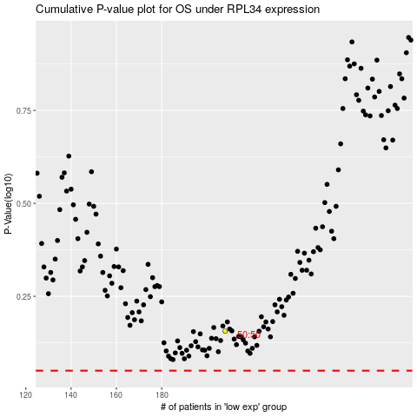

 |  |  |  |  |  | cases_OS | p_OS | rank | exp
 |  |  |  |  |  |  | cases_RFS | p_RFS | rank | exp

