RPL36 _multivariate
Reported by Tex Li-Hsing Chi. tex@gate.sinica.edu.tw 2019-08-16

Table 2. The clinicopathological features of HNSCC cohort and RPL36 expression. (Chi square test)
Cutoff at -0.279 (50.0%)
 |  | RPL36 expression |  | RPL36 expression |  | (Optimised)
 | Features | Low | (%) | High | (%) | Case no | P-value | Remark | Matthews
Gender | Female | 153 | 36.9 | 153 | 36.9 | 415 | 1 | 0 | 0
2 | Male | 54 | 13 | 55 | 13.3
Age at diagnosis | <=65y | 142 | 34.2 | 132 | 31.8 | 415 | 0.3167 | 0 | 0
4 | >65y | 65 | 15.7 | 76 | 18.3
Clinical T Status | T1+T2 | 83 | 20 | 66 | 15.9 | 415 | 0.0941 | 0 | 0
6 | T3+T4 | 124 | 29.9 | 142 | 34.2
Clinical N Status | N0 | 109 | 26.3 | 107 | 25.8 | 415 | 0.8812 | 0 | 0
8 | N1-3 | 98 | 23.6 | 101 | 24.3
Clinical M Status | M0 | 206 | 49.6 | 206 | 49.6 | 415 | 1 | 0 | 0
10 | M1 | 1 | 0.2 | 2 | 0.5
Clinical Stage | Stage I+II | 55 | 13.3 | 47 | 11.3 | 415 | 0.4087 | 0 | 0
12 | Stage III+IV | 152 | 36.6 | 161 | 38.8
Surgical Margin status | Negative | 164 | 39.5 | 154 | 37.1 | 415 | 0.2462 | 0 | 0
14 | Positive | 43 | 10.4 | 54 | 13
Tobacco Exposure | Low | 81 | 19.5 | 80 | 19.3 | 415 | 0.9199 | 0 | 0
16 | High | 126 | 30.4 | 128 | 30.8

Table 3. Univariate/Multivariate Cox's proportional hazards regression analyses on OS time of RPL36 gene expression in HNSCC

 |  | Univariate |  |  |  | Multivariate
 | Features | HR | CI95%(L) | CI95%(H) | P-value | HR | CI95%(L) | CI95%(H) | P-value
1 | Female | 1 |  |  |  | 1
Gender | Male | 1.157 | 0.843 | 1.587 | 0.367 | 1.224 | 0.875 | 1.711 | 0.238
11 | <=65y | 1 |  |  |  | 1
Age at diagnosis | >65y | 1.329 | 0.99 | 1.784 | 0.058 | 1.396 | 1.027 | 1.9 | 0.033
12 | T1+T2 | 1 |  |  |  | 1
Clinical T Status | T3+T4 | 1.409 | 1.028 | 1.931 | 0.033 | 2.267 | 1.196 | 4.297 | 0.012
13 | N0 | 1 |  |  |  | 1
Clinical N Status | N1-3 | 1.185 | 0.89 | 1.577 | 0.246 | 1.247 | 0.874 | 1.78 | 0.224
14 | M0 | 1 |  |  |  | 1
Clinical M Status | M1 | 4.097 | 1.009 | 16.644 | 0.049 | 9.892 | 2.154 | 45.436 | 0.003
15 | Stage I+II | 1 |  |  |  | 1
Clinical Stage | Stage III+IV | 1.245 | 0.882 | 1.759 | 0.213 | 0.498 | 0.232 | 1.069 | 0.074
16 | Negative | 1 |  |  |  | 1
Surgical Margin status | Positive | 1.591 | 1.155 | 2.191 | 0.004 | 1.715 | 1.237 | 2.376 | 0.001
17 | Low | 1 |  |  |  | 1
Tobacco Exposure | High | 1.364 | 1.008 | 1.844 | 0.044 | 1.453 | 1.054 | 2.002 | 0.023
18 | Low | 1 |  |  |  | 1
RNAseq(z-score) | High | 0.923 | 0.693 | 1.231 | 0.586 | 0.824 | 0.616 | 1.103 | 0.193

Table 4. Univariate/Multivariate Cox's proportional hazards regression analyses on RFS time of RPL36 gene expression in HNSCC

 |  | Univariate |  |  |  | Multivariate
 | Features | HR | CI95%(L) | CI95%(H) | P-value | HR | CI95%(L) | CI95%(H) | P-value
1 | Female | 1 |  |  |  | 1
Gender | Male | 1.157 | 0.843 | 1.587 | 0.367 | 1.224 | 0.875 | 1.711 | 0.238
11 | <=65y | 1 |  |  |  | 1
Age at diagnosis | >65y | 1.329 | 0.99 | 1.784 | 0.058 | 1.396 | 1.027 | 1.9 | 0.033
12 | T1+T2 | 1 |  |  |  | 1
Clinical T Status | T3+T4 | 1.409 | 1.028 | 1.931 | 0.033 | 2.267 | 1.196 | 4.297 | 0.012
13 | N0 | 1 |  |  |  | 1
Clinical N Status | N1-3 | 1.185 | 0.89 | 1.577 | 0.246 | 1.247 | 0.874 | 1.78 | 0.224
14 | M0 | 1 |  |  |  | 1
Clinical M Status | M1 | 4.097 | 1.009 | 16.644 | 0.049 | 9.892 | 2.154 | 45.436 | 0.003
15 | Stage I+II | 1 |  |  |  | 1
Clinical Stage | Stage III+IV | 1.245 | 0.882 | 1.759 | 0.213 | 0.498 | 0.232 | 1.069 | 0.074
16 | Negative | 1 |  |  |  | 1
Surgical Margin status | Positive | 1.591 | 1.155 | 2.191 | 0.004 | 1.715 | 1.237 | 2.376 | 0.001
17 | Low | 1 |  |  |  | 1
Tobacco Exposure | High | 1.364 | 1.008 | 1.844 | 0.044 | 1.453 | 1.054 | 2.002 | 0.023
18 | Low | 1 |  |  |  | 1
RNAseq(z-score) | High | 0.923 | 0.693 | 1.231 | 0.586 | 0.824 | 0.616 | 1.103 | 0.193

Kaplan-Meier survival estimate: Cutoff at -0.279 (50.0%)



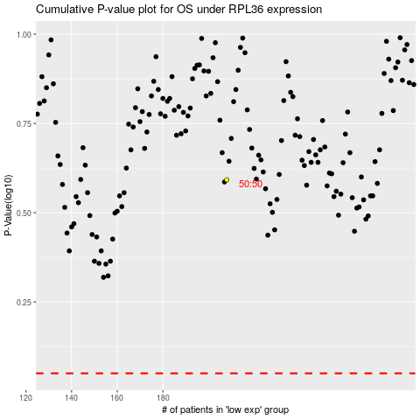

 |  |  |  |  |  | cases_OS | p_OS | rank | exp
 |  |  |  |  |  |  | cases_RFS | p_RFS | rank | exp

