RPL36A _multivariate
Reported by Tex Li-Hsing Chi. tex@gate.sinica.edu.tw 2019-08-16

Table 2. The clinicopathological features of HNSCC cohort and RPL36A expression. (Chi square test)
Cutoff at -0.172 (50.0%)
 |  | RPL36A expression |  | RPL36A expression |  | (Optimised)
 | Features | Low | (%) | High | (%) | Case no | P-value | Remark | Matthews
Gender | Female | 155 | 37.3 | 151 | 36.4 | 415 | 0.6768 | 0 | 0
2 | Male | 52 | 12.5 | 57 | 13.7
Age at diagnosis | <=65y | 136 | 32.8 | 138 | 33.3 | 415 | 0.9719 | 0 | 0
4 | >65y | 71 | 17.1 | 70 | 16.9
Clinical T Status | T1+T2 | 79 | 19 | 70 | 16.9 | 415 | 0.3924 | 0 | 0
6 | T3+T4 | 128 | 30.8 | 138 | 33.3
Clinical N Status | N0 | 107 | 25.8 | 109 | 26.3 | 415 | 0.9624 | 0 | 0
8 | N1-3 | 100 | 24.1 | 99 | 23.9
Clinical M Status | M0 | 207 | 49.9 | 205 | 49.4 | 415 | 0.2482 | 0 | 0
10 | M1 | 0 | 0 | 3 | 0.7
Clinical Stage | Stage I+II | 54 | 13 | 48 | 11.6 | 415 | 0.5498 | 0 | 0
12 | Stage III+IV | 153 | 36.9 | 160 | 38.6
Surgical Margin status | Negative | 163 | 39.3 | 155 | 37.3 | 415 | 0.3537 | 0 | 0
14 | Positive | 44 | 10.6 | 53 | 12.8
Tobacco Exposure | Low | 79 | 19 | 82 | 19.8 | 415 | 0.8405 | 0 | 0
16 | High | 128 | 30.8 | 126 | 30.4

Table 3. Univariate/Multivariate Cox's proportional hazards regression analyses on OS time of RPL36A gene expression in HNSCC

 |  | Univariate |  |  |  | Multivariate
 | Features | HR | CI95%(L) | CI95%(H) | P-value | HR | CI95%(L) | CI95%(H) | P-value
1 | Female | 1 |  |  |  | 1
Gender | Male | 1.157 | 0.843 | 1.587 | 0.367 | 1.186 | 0.847 | 1.66 | 0.321
11 | <=65y | 1 |  |  |  | 1
Age at diagnosis | >65y | 1.329 | 0.99 | 1.784 | 0.058 | 1.384 | 1.018 | 1.882 | 0.038
12 | T1+T2 | 1 |  |  |  | 1
Clinical T Status | T3+T4 | 1.409 | 1.028 | 1.931 | 0.033 | 2.201 | 1.164 | 4.161 | 0.015
13 | N0 | 1 |  |  |  | 1
Clinical N Status | N1-3 | 1.185 | 0.89 | 1.577 | 0.246 | 1.251 | 0.876 | 1.785 | 0.218
14 | M0 | 1 |  |  |  | 1
Clinical M Status | M1 | 4.097 | 1.009 | 16.644 | 0.049 | 8.777 | 1.899 | 40.566 | 0.005
15 | Stage I+II | 1 |  |  |  | 1
Clinical Stage | Stage III+IV | 1.245 | 0.882 | 1.759 | 0.213 | 0.504 | 0.235 | 1.081 | 0.078
16 | Negative | 1 |  |  |  | 1
Surgical Margin status | Positive | 1.591 | 1.155 | 2.191 | 0.004 | 1.659 | 1.2 | 2.293 | 0.002
17 | Low | 1 |  |  |  | 1
Tobacco Exposure | High | 1.364 | 1.008 | 1.844 | 0.044 | 1.449 | 1.051 | 1.998 | 0.024
18 | Low | 1 |  |  |  | 1
RNAseq(z-score) | High | 1.209 | 0.906 | 1.614 | 0.197 | 1.132 | 0.844 | 1.519 | 0.407

Table 4. Univariate/Multivariate Cox's proportional hazards regression analyses on RFS time of RPL36A gene expression in HNSCC

 |  | Univariate |  |  |  | Multivariate
 | Features | HR | CI95%(L) | CI95%(H) | P-value | HR | CI95%(L) | CI95%(H) | P-value
1 | Female | 1 |  |  |  | 1
Gender | Male | 1.157 | 0.843 | 1.587 | 0.367 | 1.186 | 0.847 | 1.66 | 0.321
11 | <=65y | 1 |  |  |  | 1
Age at diagnosis | >65y | 1.329 | 0.99 | 1.784 | 0.058 | 1.384 | 1.018 | 1.882 | 0.038
12 | T1+T2 | 1 |  |  |  | 1
Clinical T Status | T3+T4 | 1.409 | 1.028 | 1.931 | 0.033 | 2.201 | 1.164 | 4.161 | 0.015
13 | N0 | 1 |  |  |  | 1
Clinical N Status | N1-3 | 1.185 | 0.89 | 1.577 | 0.246 | 1.251 | 0.876 | 1.785 | 0.218
14 | M0 | 1 |  |  |  | 1
Clinical M Status | M1 | 4.097 | 1.009 | 16.644 | 0.049 | 8.777 | 1.899 | 40.566 | 0.005
15 | Stage I+II | 1 |  |  |  | 1
Clinical Stage | Stage III+IV | 1.245 | 0.882 | 1.759 | 0.213 | 0.504 | 0.235 | 1.081 | 0.078
16 | Negative | 1 |  |  |  | 1
Surgical Margin status | Positive | 1.591 | 1.155 | 2.191 | 0.004 | 1.659 | 1.2 | 2.293 | 0.002
17 | Low | 1 |  |  |  | 1
Tobacco Exposure | High | 1.364 | 1.008 | 1.844 | 0.044 | 1.449 | 1.051 | 1.998 | 0.024
18 | Low | 1 |  |  |  | 1
RNAseq(z-score) | High | 1.209 | 0.906 | 1.614 | 0.197 | 1.132 | 0.844 | 1.519 | 0.407

Kaplan-Meier survival estimate: Cutoff at -0.172 (50.0%)

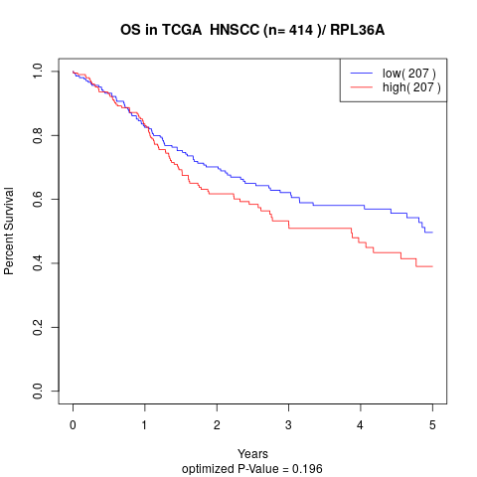

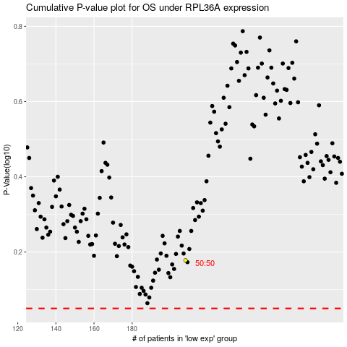

 |  |  |  |  |  | cases_OS | p_OS | rank | exp
 |  |  |  |  |  |  | cases_RFS | p_RFS | rank | exp

