RPL36AL _multivariate
Reported by Tex Li-Hsing Chi. tex@gate.sinica.edu.tw 2019-08-16

Table 2. The clinicopathological features of HNSCC cohort and RPL36AL expression. (Chi square test)
Cutoff at 0.077 (68.8%)
 |  | RPL36AL expression |  | RPL36AL expression |  | (Optimised)
 | Features | Low | (%) | High | (%) | Case no | P-value | Remark | Matthews
Gender | Female | 209 | 50.4 | 97 | 23.4 | 415 | 0.8768 | 0 | 0
2 | Male | 76 | 18.3 | 33 | 8
Age at diagnosis | <=65y | 194 | 46.7 | 80 | 19.3 | 415 | 0.2335 | 0 | 0
4 | >65y | 91 | 21.9 | 50 | 12
Clinical T Status | T1+T2 | 105 | 25.3 | 44 | 10.6 | 415 | 0.6314 | 0 | 0
6 | T3+T4 | 180 | 43.4 | 86 | 20.7
Clinical N Status | N0 | 148 | 35.7 | 68 | 16.4 | 415 | 1 | 0 | 0
8 | N1-3 | 137 | 33 | 62 | 14.9
Clinical M Status | M0 | 285 | 68.7 | 127 | 30.6 | 415 | 0.0303 | 1 | 0
10 | M1 | 0 | 0 | 3 | 0.7
Clinical Stage | Stage I+II | 72 | 17.3 | 30 | 7.2 | 415 | 0.7212 | 0 | 0
12 | Stage III+IV | 213 | 51.3 | 100 | 24.1
Surgical Margin status | Negative | 228 | 54.9 | 90 | 21.7 | 415 | 0.0179 | 1 | 0
14 | Positive | 57 | 13.7 | 40 | 9.6
Tobacco Exposure | Low | 106 | 25.5 | 55 | 13.3 | 415 | 0.3302 | 0 | 0
16 | High | 179 | 43.1 | 75 | 18.1

Table 3. Univariate/Multivariate Cox's proportional hazards regression analyses on OS time of RPL36AL gene expression in HNSCC

 |  | Univariate |  |  |  | Multivariate
 | Features | HR | CI95%(L) | CI95%(H) | P-value | HR | CI95%(L) | CI95%(H) | P-value
1 | Female | 1 |  |  |  | 1
Gender | Male | 1.157 | 0.843 | 1.587 | 0.367 | 1.184 | 0.846 | 1.658 | 0.324
11 | <=65y | 1 |  |  |  | 1
Age at diagnosis | >65y | 1.329 | 0.99 | 1.784 | 0.058 | 1.37 | 1.008 | 1.864 | 0.045
12 | T1+T2 | 1 |  |  |  | 1
Clinical T Status | T3+T4 | 1.409 | 1.028 | 1.931 | 0.033 | 2.152 | 1.137 | 4.073 | 0.019
13 | N0 | 1 |  |  |  | 1
Clinical N Status | N1-3 | 1.185 | 0.89 | 1.577 | 0.246 | 1.246 | 0.873 | 1.778 | 0.225
14 | M0 | 1 |  |  |  | 1
Clinical M Status | M1 | 4.097 | 1.009 | 16.644 | 0.049 | 7.976 | 1.7 | 37.412 | 0.008
15 | Stage I+II | 1 |  |  |  | 1
Clinical Stage | Stage III+IV | 1.245 | 0.882 | 1.759 | 0.213 | 0.518 | 0.241 | 1.113 | 0.092
16 | Negative | 1 |  |  |  | 1
Surgical Margin status | Positive | 1.591 | 1.155 | 2.191 | 0.004 | 1.615 | 1.163 | 2.243 | 0.004
17 | Low | 1 |  |  |  | 1
Tobacco Exposure | High | 1.364 | 1.008 | 1.844 | 0.044 | 1.455 | 1.056 | 2.005 | 0.022
18 | Low | 1 |  |  |  | 1
RNAseq(z-score) | High | 1.377 | 1.014 | 1.869 | 0.04 | 1.213 | 0.883 | 1.667 | 0.234

Table 4. Univariate/Multivariate Cox's proportional hazards regression analyses on RFS time of RPL36AL gene expression in HNSCC

 |  | Univariate |  |  |  | Multivariate
 | Features | HR | CI95%(L) | CI95%(H) | P-value | HR | CI95%(L) | CI95%(H) | P-value
1 | Female | 1 |  |  |  | 1
Gender | Male | 1.157 | 0.843 | 1.587 | 0.367 | 1.184 | 0.846 | 1.658 | 0.324
11 | <=65y | 1 |  |  |  | 1
Age at diagnosis | >65y | 1.329 | 0.99 | 1.784 | 0.058 | 1.37 | 1.008 | 1.864 | 0.045
12 | T1+T2 | 1 |  |  |  | 1
Clinical T Status | T3+T4 | 1.409 | 1.028 | 1.931 | 0.033 | 2.152 | 1.137 | 4.073 | 0.019
13 | N0 | 1 |  |  |  | 1
Clinical N Status | N1-3 | 1.185 | 0.89 | 1.577 | 0.246 | 1.246 | 0.873 | 1.778 | 0.225
14 | M0 | 1 |  |  |  | 1
Clinical M Status | M1 | 4.097 | 1.009 | 16.644 | 0.049 | 7.976 | 1.7 | 37.412 | 0.008
15 | Stage I+II | 1 |  |  |  | 1
Clinical Stage | Stage III+IV | 1.245 | 0.882 | 1.759 | 0.213 | 0.518 | 0.241 | 1.113 | 0.092
16 | Negative | 1 |  |  |  | 1
Surgical Margin status | Positive | 1.591 | 1.155 | 2.191 | 0.004 | 1.615 | 1.163 | 2.243 | 0.004
17 | Low | 1 |  |  |  | 1
Tobacco Exposure | High | 1.364 | 1.008 | 1.844 | 0.044 | 1.455 | 1.056 | 2.005 | 0.022
18 | Low | 1 |  |  |  | 1
RNAseq(z-score) | High | 1.377 | 1.014 | 1.869 | 0.04 | 1.213 | 0.883 | 1.667 | 0.234

Kaplan-Meier survival estimate: Cutoff at 0.077 (68.8%)

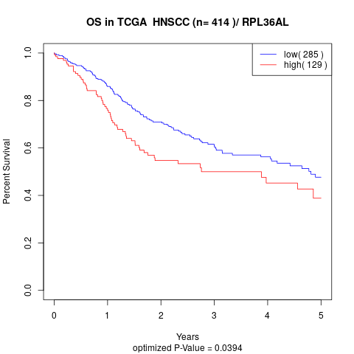

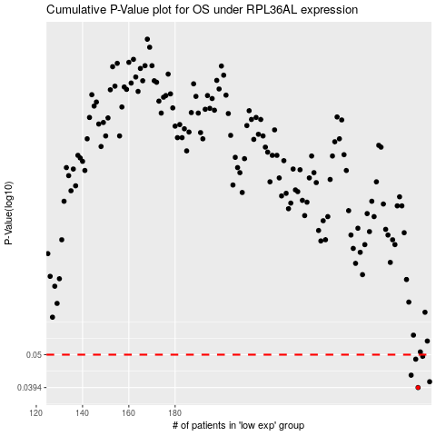

 |  |  |  |  |  | cases_OS | p_OS | rank | exp
 |  |  |  |  |  | 285 | 0.0394 | 185 | 0.076807675441
 |  |  |  |  |  | 290 | 0.0411 | 13 | 0.11253711049
 |  |  |  |  |  | 282 | 0.0431 | 123 | 0.051070030837
 |  |  |  |  |  | 284 | 0.0484 | 157 | 0.069008446688
 |  |  |  |  |  | 287 | 0.0494 | 296 | 0.090545238047
 |  |  |  |  |  |  | cases_RFS | p_RFS | rank | exp
 |  |  |  |  |  |  | 284 | 0.0394 | 157 | 0.069008446688
 |  |  |  |  |  |  | 289 | 0.0411 | 127 | 0.10213309588
 |  |  |  |  |  |  | 281 | 0.0431 | 182 | 0.046346770776
 |  |  |  |  |  |  | 283 | 0.0484 | 156 | 0.053564293532
 |  |  |  |  |  |  | 286 | 0.0494 | 25 | 0.082210516768

