RPL37A _multivariate
Reported by Tex Li-Hsing Chi. tex@gate.sinica.edu.tw 2019-08-16

Table 2. The clinicopathological features of HNSCC cohort and RPL37A expression. (Chi square test)
Cutoff at -0.315 (50.0%)
 |  | RPL37A expression |  | RPL37A expression |  | (Optimised)
 | Features | Low | (%) | High | (%) | Case no | P-value | Remark | Matthews
Gender | Female | 149 | 35.9 | 157 | 37.8 | 415 | 0.4848 | 0 | 0
2 | Male | 58 | 14 | 51 | 12.3
Age at diagnosis | <=65y | 144 | 34.7 | 130 | 31.3 | 415 | 0.1568 | 0 | 0
4 | >65y | 63 | 15.2 | 78 | 18.8
Clinical T Status | T1+T2 | 78 | 18.8 | 71 | 17.1 | 415 | 0.5152 | 0 | 0
6 | T3+T4 | 129 | 31.1 | 137 | 33
Clinical N Status | N0 | 105 | 25.3 | 111 | 26.7 | 415 | 0.6598 | 0 | 0
8 | N1-3 | 102 | 24.6 | 97 | 23.4
Clinical M Status | M0 | 207 | 49.9 | 205 | 49.4 | 415 | 0.2482 | 0 | 0
10 | M1 | 0 | 0 | 3 | 0.7
Clinical Stage | Stage I+II | 50 | 12 | 52 | 12.5 | 415 | 0.9315 | 0 | 0
12 | Stage III+IV | 157 | 37.8 | 156 | 37.6
Surgical Margin status | Negative | 166 | 40 | 152 | 36.6 | 415 | 0.1042 | 0 | 0
14 | Positive | 41 | 9.9 | 56 | 13.5
Tobacco Exposure | Low | 83 | 20 | 78 | 18.8 | 415 | 0.6152 | 0 | 0
16 | High | 124 | 29.9 | 130 | 31.3

Table 3. Univariate/Multivariate Cox's proportional hazards regression analyses on OS time of RPL37A gene expression in HNSCC

 |  | Univariate |  |  |  | Multivariate
 | Features | HR | CI95%(L) | CI95%(H) | P-value | HR | CI95%(L) | CI95%(H) | P-value
1 | Female | 1 |  |  |  | 1
Gender | Male | 1.157 | 0.843 | 1.587 | 0.367 | 1.205 | 0.863 | 1.684 | 0.274
11 | <=65y | 1 |  |  |  | 1
Age at diagnosis | >65y | 1.329 | 0.99 | 1.784 | 0.058 | 1.398 | 1.028 | 1.901 | 0.033
12 | T1+T2 | 1 |  |  |  | 1
Clinical T Status | T3+T4 | 1.409 | 1.028 | 1.931 | 0.033 | 2.228 | 1.176 | 4.221 | 0.014
13 | N0 | 1 |  |  |  | 1
Clinical N Status | N1-3 | 1.185 | 0.89 | 1.577 | 0.246 | 1.242 | 0.87 | 1.771 | 0.233
14 | M0 | 1 |  |  |  | 1
Clinical M Status | M1 | 4.097 | 1.009 | 16.644 | 0.049 | 9.875 | 2.127 | 45.854 | 0.003
15 | Stage I+II | 1 |  |  |  | 1
Clinical Stage | Stage III+IV | 1.245 | 0.882 | 1.759 | 0.213 | 0.5 | 0.233 | 1.075 | 0.076
16 | Negative | 1 |  |  |  | 1
Surgical Margin status | Positive | 1.591 | 1.155 | 2.191 | 0.004 | 1.69 | 1.219 | 2.343 | 0.002
17 | Low | 1 |  |  |  | 1
Tobacco Exposure | High | 1.364 | 1.008 | 1.844 | 0.044 | 1.458 | 1.058 | 2.009 | 0.021
18 | Low | 1 |  |  |  | 1
RNAseq(z-score) | High | 1.06 | 0.796 | 1.411 | 0.692 | 0.93 | 0.694 | 1.245 | 0.626

Table 4. Univariate/Multivariate Cox's proportional hazards regression analyses on RFS time of RPL37A gene expression in HNSCC

 |  | Univariate |  |  |  | Multivariate
 | Features | HR | CI95%(L) | CI95%(H) | P-value | HR | CI95%(L) | CI95%(H) | P-value
1 | Female | 1 |  |  |  | 1
Gender | Male | 1.157 | 0.843 | 1.587 | 0.367 | 1.205 | 0.863 | 1.684 | 0.274
11 | <=65y | 1 |  |  |  | 1
Age at diagnosis | >65y | 1.329 | 0.99 | 1.784 | 0.058 | 1.398 | 1.028 | 1.901 | 0.033
12 | T1+T2 | 1 |  |  |  | 1
Clinical T Status | T3+T4 | 1.409 | 1.028 | 1.931 | 0.033 | 2.228 | 1.176 | 4.221 | 0.014
13 | N0 | 1 |  |  |  | 1
Clinical N Status | N1-3 | 1.185 | 0.89 | 1.577 | 0.246 | 1.242 | 0.87 | 1.771 | 0.233
14 | M0 | 1 |  |  |  | 1
Clinical M Status | M1 | 4.097 | 1.009 | 16.644 | 0.049 | 9.875 | 2.127 | 45.854 | 0.003
15 | Stage I+II | 1 |  |  |  | 1
Clinical Stage | Stage III+IV | 1.245 | 0.882 | 1.759 | 0.213 | 0.5 | 0.233 | 1.075 | 0.076
16 | Negative | 1 |  |  |  | 1
Surgical Margin status | Positive | 1.591 | 1.155 | 2.191 | 0.004 | 1.69 | 1.219 | 2.343 | 0.002
17 | Low | 1 |  |  |  | 1
Tobacco Exposure | High | 1.364 | 1.008 | 1.844 | 0.044 | 1.458 | 1.058 | 2.009 | 0.021
18 | Low | 1 |  |  |  | 1
RNAseq(z-score) | High | 1.06 | 0.796 | 1.411 | 0.692 | 0.93 | 0.694 | 1.245 | 0.626

Kaplan-Meier survival estimate: Cutoff at -0.315 (50.0%)



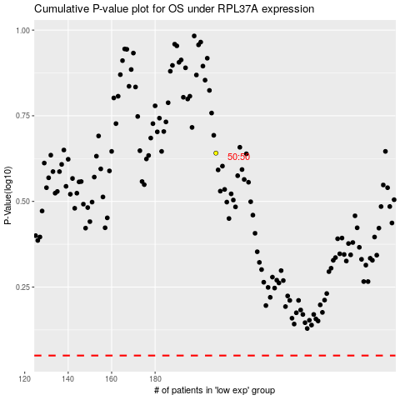

 |  |  |  |  |  | cases_OS | p_OS | rank | exp
 |  |  |  |  |  |  | cases_RFS | p_RFS | rank | exp

