RPL39 _multivariate
Reported by Tex Li-Hsing Chi. tex@gate.sinica.edu.tw 2019-08-16

Table 2. The clinicopathological features of HNSCC cohort and RPL39 expression. (Chi square test)
Cutoff at -0.257 (50.0%)
 |  | RPL39 expression |  | RPL39 expression |  | (Optimised)
 | Features | Low | (%) | High | (%) | Case no | P-value | Remark | Matthews
Gender | Female | 154 | 37.1 | 152 | 36.6 | 415 | 0.8463 | 0 | 0
2 | Male | 53 | 12.8 | 56 | 13.5
Age at diagnosis | <=65y | 135 | 32.5 | 139 | 33.5 | 415 | 0.8084 | 0 | 0
4 | >65y | 72 | 17.3 | 69 | 16.6
Clinical T Status | T1+T2 | 77 | 18.6 | 72 | 17.3 | 415 | 0.6556 | 0 | 0
6 | T3+T4 | 130 | 31.3 | 136 | 32.8
Clinical N Status | N0 | 102 | 24.6 | 114 | 27.5 | 415 | 0.3031 | 0 | 0
8 | N1-3 | 105 | 25.3 | 94 | 22.7
Clinical M Status | M0 | 207 | 49.9 | 205 | 49.4 | 415 | 0.2482 | 0 | 0
10 | M1 | 0 | 0 | 3 | 0.7
Clinical Stage | Stage I+II | 52 | 12.5 | 50 | 12 | 415 | 0.8871 | 0 | 0
12 | Stage III+IV | 155 | 37.3 | 158 | 38.1
Surgical Margin status | Negative | 165 | 39.8 | 153 | 36.9 | 415 | 0.1639 | 0 | 0
14 | Positive | 42 | 10.1 | 55 | 13.3
Tobacco Exposure | Low | 83 | 20 | 78 | 18.8 | 415 | 0.6152 | 0 | 0
16 | High | 124 | 29.9 | 130 | 31.3

Table 3. Univariate/Multivariate Cox's proportional hazards regression analyses on OS time of RPL39 gene expression in HNSCC

 |  | Univariate |  |  |  | Multivariate
 | Features | HR | CI95%(L) | CI95%(H) | P-value | HR | CI95%(L) | CI95%(H) | P-value
1 | Female | 1 |  |  |  | 1
Gender | Male | 1.157 | 0.843 | 1.587 | 0.367 | 1.187 | 0.848 | 1.66 | 0.318
11 | <=65y | 1 |  |  |  | 1
Age at diagnosis | >65y | 1.329 | 0.99 | 1.784 | 0.058 | 1.397 | 1.027 | 1.898 | 0.033
12 | T1+T2 | 1 |  |  |  | 1
Clinical T Status | T3+T4 | 1.409 | 1.028 | 1.931 | 0.033 | 2.204 | 1.166 | 4.166 | 0.015
13 | N0 | 1 |  |  |  | 1
Clinical N Status | N1-3 | 1.185 | 0.89 | 1.577 | 0.246 | 1.255 | 0.879 | 1.793 | 0.211
14 | M0 | 1 |  |  |  | 1
Clinical M Status | M1 | 4.097 | 1.009 | 16.644 | 0.049 | 8.824 | 1.909 | 40.775 | 0.005
15 | Stage I+II | 1 |  |  |  | 1
Clinical Stage | Stage III+IV | 1.245 | 0.882 | 1.759 | 0.213 | 0.499 | 0.232 | 1.071 | 0.074
16 | Negative | 1 |  |  |  | 1
Surgical Margin status | Positive | 1.591 | 1.155 | 2.191 | 0.004 | 1.642 | 1.185 | 2.276 | 0.003
17 | Low | 1 |  |  |  | 1
Tobacco Exposure | High | 1.364 | 1.008 | 1.844 | 0.044 | 1.45 | 1.052 | 1.999 | 0.023
18 | Low | 1 |  |  |  | 1
RNAseq(z-score) | High | 1.217 | 0.913 | 1.621 | 0.18 | 1.124 | 0.839 | 1.507 | 0.433

Table 4. Univariate/Multivariate Cox's proportional hazards regression analyses on RFS time of RPL39 gene expression in HNSCC

 |  | Univariate |  |  |  | Multivariate
 | Features | HR | CI95%(L) | CI95%(H) | P-value | HR | CI95%(L) | CI95%(H) | P-value
1 | Female | 1 |  |  |  | 1
Gender | Male | 1.157 | 0.843 | 1.587 | 0.367 | 1.187 | 0.848 | 1.66 | 0.318
11 | <=65y | 1 |  |  |  | 1
Age at diagnosis | >65y | 1.329 | 0.99 | 1.784 | 0.058 | 1.397 | 1.027 | 1.898 | 0.033
12 | T1+T2 | 1 |  |  |  | 1
Clinical T Status | T3+T4 | 1.409 | 1.028 | 1.931 | 0.033 | 2.204 | 1.166 | 4.166 | 0.015
13 | N0 | 1 |  |  |  | 1
Clinical N Status | N1-3 | 1.185 | 0.89 | 1.577 | 0.246 | 1.255 | 0.879 | 1.793 | 0.211
14 | M0 | 1 |  |  |  | 1
Clinical M Status | M1 | 4.097 | 1.009 | 16.644 | 0.049 | 8.824 | 1.909 | 40.775 | 0.005
15 | Stage I+II | 1 |  |  |  | 1
Clinical Stage | Stage III+IV | 1.245 | 0.882 | 1.759 | 0.213 | 0.499 | 0.232 | 1.071 | 0.074
16 | Negative | 1 |  |  |  | 1
Surgical Margin status | Positive | 1.591 | 1.155 | 2.191 | 0.004 | 1.642 | 1.185 | 2.276 | 0.003
17 | Low | 1 |  |  |  | 1
Tobacco Exposure | High | 1.364 | 1.008 | 1.844 | 0.044 | 1.45 | 1.052 | 1.999 | 0.023
18 | Low | 1 |  |  |  | 1
RNAseq(z-score) | High | 1.217 | 0.913 | 1.621 | 0.18 | 1.124 | 0.839 | 1.507 | 0.433

Kaplan-Meier survival estimate: Cutoff at -0.257 (50.0%)



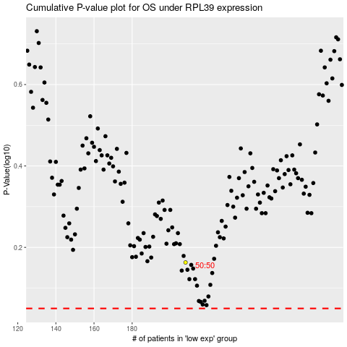

 |  |  |  |  |  | cases_OS | p_OS | rank | exp
 |  |  |  |  |  |  | cases_RFS | p_RFS | rank | exp

