RPL39L _multivariate
Reported by Tex Li-Hsing Chi. tex@gate.sinica.edu.tw 2019-08-16

Table 2. The clinicopathological features of HNSCC cohort and RPL39L expression. (Chi square test)
Cutoff at -0.305 (49.8%)
 |  | RPL39L expression |  | RPL39L expression |  | (Optimised)
 | Features | Low | (%) | High | (%) | Case no | P-value | Remark | Matthews
Gender | Female | 139 | 33.5 | 167 | 40.2 | 415 | 0.0034 | 1 | 0
2 | Male | 68 | 16.4 | 41 | 9.9
Age at diagnosis | <=65y | 131 | 31.6 | 143 | 34.5 | 415 | 0.2839 | 0 | 0
4 | >65y | 76 | 18.3 | 65 | 15.7
Clinical T Status | T1+T2 | 84 | 20.2 | 65 | 15.7 | 415 | 0.0603 | 0 | 0
6 | T3+T4 | 123 | 29.6 | 143 | 34.5
Clinical N Status | N0 | 116 | 28 | 100 | 24.1 | 415 | 0.1273 | 1 | 0
8 | N1-3 | 91 | 21.9 | 108 | 26
Clinical M Status | M0 | 207 | 49.9 | 205 | 49.4 | 415 | 0.2482 | 0 | 0
10 | M1 | 0 | 0 | 3 | 0.7
Clinical Stage | Stage I+II | 65 | 15.7 | 37 | 8.9 | 415 | 0.0019 | 1 | 0
12 | Stage III+IV | 142 | 34.2 | 171 | 41.2
Surgical Margin status | Negative | 168 | 40.5 | 150 | 36.1 | 415 | 0.0366 | 1 | 0
14 | Positive | 39 | 9.4 | 58 | 14
Tobacco Exposure | Low | 105 | 25.3 | 56 | 13.5 | 415 | 0 | 1 | 0
16 | High | 102 | 24.6 | 152 | 36.6

Table 3. Univariate/Multivariate Cox's proportional hazards regression analyses on OS time of RPL39L gene expression in HNSCC

 |  | Univariate |  |  |  | Multivariate
 | Features | HR | CI95%(L) | CI95%(H) | P-value | HR | CI95%(L) | CI95%(H) | P-value
1 | Female | 1 |  |  |  | 1
Gender | Male | 1.157 | 0.843 | 1.587 | 0.367 | 1.209 | 0.865 | 1.69 | 0.266
11 | <=65y | 1 |  |  |  | 1
Age at diagnosis | >65y | 1.329 | 0.99 | 1.784 | 0.058 | 1.398 | 1.028 | 1.901 | 0.033
12 | T1+T2 | 1 |  |  |  | 1
Clinical T Status | T3+T4 | 1.409 | 1.028 | 1.931 | 0.033 | 2.219 | 1.173 | 4.199 | 0.014
13 | N0 | 1 |  |  |  | 1
Clinical N Status | N1-3 | 1.185 | 0.89 | 1.577 | 0.246 | 1.251 | 0.875 | 1.789 | 0.219
14 | M0 | 1 |  |  |  | 1
Clinical M Status | M1 | 4.097 | 1.009 | 16.644 | 0.049 | 9.14 | 1.985 | 42.077 | 0.005
15 | Stage I+II | 1 |  |  |  | 1
Clinical Stage | Stage III+IV | 1.245 | 0.882 | 1.759 | 0.213 | 0.493 | 0.228 | 1.064 | 0.072
16 | Negative | 1 |  |  |  | 1
Surgical Margin status | Positive | 1.591 | 1.155 | 2.191 | 0.004 | 1.659 | 1.199 | 2.296 | 0.002
17 | Low | 1 |  |  |  | 1
Tobacco Exposure | High | 1.364 | 1.008 | 1.844 | 0.044 | 1.432 | 1.034 | 1.983 | 0.031
18 | Low | 1 |  |  |  | 1
RNAseq(z-score) | High | 1.157 | 0.868 | 1.542 | 0.319 | 1.078 | 0.795 | 1.462 | 0.627

Table 4. Univariate/Multivariate Cox's proportional hazards regression analyses on RFS time of RPL39L gene expression in HNSCC

 |  | Univariate |  |  |  | Multivariate
 | Features | HR | CI95%(L) | CI95%(H) | P-value | HR | CI95%(L) | CI95%(H) | P-value
1 | Female | 1 |  |  |  | 1
Gender | Male | 1.157 | 0.843 | 1.587 | 0.367 | 1.209 | 0.865 | 1.69 | 0.266
11 | <=65y | 1 |  |  |  | 1
Age at diagnosis | >65y | 1.329 | 0.99 | 1.784 | 0.058 | 1.398 | 1.028 | 1.901 | 0.033
12 | T1+T2 | 1 |  |  |  | 1
Clinical T Status | T3+T4 | 1.409 | 1.028 | 1.931 | 0.033 | 2.219 | 1.173 | 4.199 | 0.014
13 | N0 | 1 |  |  |  | 1
Clinical N Status | N1-3 | 1.185 | 0.89 | 1.577 | 0.246 | 1.251 | 0.875 | 1.789 | 0.219
14 | M0 | 1 |  |  |  | 1
Clinical M Status | M1 | 4.097 | 1.009 | 16.644 | 0.049 | 9.14 | 1.985 | 42.077 | 0.005
15 | Stage I+II | 1 |  |  |  | 1
Clinical Stage | Stage III+IV | 1.245 | 0.882 | 1.759 | 0.213 | 0.493 | 0.228 | 1.064 | 0.072
16 | Negative | 1 |  |  |  | 1
Surgical Margin status | Positive | 1.591 | 1.155 | 2.191 | 0.004 | 1.659 | 1.199 | 2.296 | 0.002
17 | Low | 1 |  |  |  | 1
Tobacco Exposure | High | 1.364 | 1.008 | 1.844 | 0.044 | 1.432 | 1.034 | 1.983 | 0.031
18 | Low | 1 |  |  |  | 1
RNAseq(z-score) | High | 1.157 | 0.868 | 1.542 | 0.319 | 1.078 | 0.795 | 1.462 | 0.627

Kaplan-Meier survival estimate: Cutoff at -0.305 (49.8%)



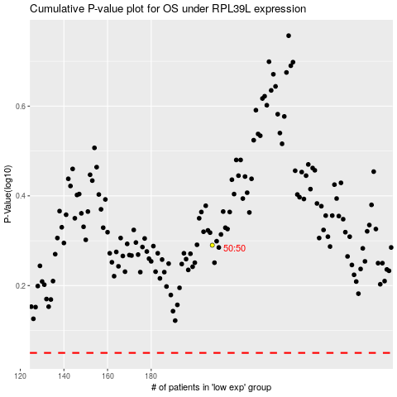

 |  |  |  |  |  | cases_OS | p_OS | rank | exp
 |  |  |  |  |  |  | cases_RFS | p_RFS | rank | exp

