RPL6 _multivariate
Reported by Tex Li-Hsing Chi. tex@gate.sinica.edu.tw 2019-08-16

Table 2. The clinicopathological features of HNSCC cohort and RPL6 expression. (Chi square test)
Cutoff at -0.312 (49.8%)
 |  | RPL6 expression |  | RPL6 expression |  | (Optimised)
 | Features | Low | (%) | High | (%) | Case no | P-value | Remark | Matthews
Gender | Female | 158 | 38.1 | 148 | 35.7 | 415 | 0.2774 | 0 | 0
2 | Male | 49 | 11.8 | 60 | 14.5
Age at diagnosis | <=65y | 141 | 34 | 133 | 32 | 415 | 0.4272 | 0 | 0
4 | >65y | 66 | 15.9 | 75 | 18.1
Clinical T Status | T1+T2 | 75 | 18.1 | 74 | 17.8 | 415 | 0.9707 | 0 | 0
6 | T3+T4 | 132 | 31.8 | 134 | 32.3
Clinical N Status | N0 | 102 | 24.6 | 114 | 27.5 | 415 | 0.3031 | 0 | 0
8 | N1-3 | 105 | 25.3 | 94 | 22.7
Clinical M Status | M0 | 207 | 49.9 | 205 | 49.4 | 415 | 0.2482 | 0 | 0
10 | M1 | 0 | 0 | 3 | 0.7
Clinical Stage | Stage I+II | 50 | 12 | 52 | 12.5 | 415 | 0.9315 | 0 | 0
12 | Stage III+IV | 157 | 37.8 | 156 | 37.6
Surgical Margin status | Negative | 167 | 40.2 | 151 | 36.4 | 415 | 0.0632 | 0 | 0
14 | Positive | 40 | 9.6 | 57 | 13.7
Tobacco Exposure | Low | 84 | 20.2 | 77 | 18.6 | 415 | 0.4816 | 0 | 0
16 | High | 123 | 29.6 | 131 | 31.6

Table 3. Univariate/Multivariate Cox's proportional hazards regression analyses on OS time of RPL6 gene expression in HNSCC

 |  | Univariate |  |  |  | Multivariate
 | Features | HR | CI95%(L) | CI95%(H) | P-value | HR | CI95%(L) | CI95%(H) | P-value
1 | Female | 1 |  |  |  | 1
Gender | Male | 1.157 | 0.843 | 1.587 | 0.367 | 1.221 | 0.872 | 1.709 | 0.245
11 | <=65y | 1 |  |  |  | 1
Age at diagnosis | >65y | 1.329 | 0.99 | 1.784 | 0.058 | 1.396 | 1.027 | 1.898 | 0.033
12 | T1+T2 | 1 |  |  |  | 1
Clinical T Status | T3+T4 | 1.409 | 1.028 | 1.931 | 0.033 | 2.194 | 1.16 | 4.149 | 0.016
13 | N0 | 1 |  |  |  | 1
Clinical N Status | N1-3 | 1.185 | 0.89 | 1.577 | 0.246 | 1.231 | 0.862 | 1.758 | 0.252
14 | M0 | 1 |  |  |  | 1
Clinical M Status | M1 | 4.097 | 1.009 | 16.644 | 0.049 | 10.014 | 2.165 | 46.317 | 0.003
15 | Stage I+II | 1 |  |  |  | 1
Clinical Stage | Stage III+IV | 1.245 | 0.882 | 1.759 | 0.213 | 0.51 | 0.237 | 1.096 | 0.084
16 | Negative | 1 |  |  |  | 1
Surgical Margin status | Positive | 1.591 | 1.155 | 2.191 | 0.004 | 1.695 | 1.224 | 2.347 | 0.001
17 | Low | 1 |  |  |  | 1
Tobacco Exposure | High | 1.364 | 1.008 | 1.844 | 0.044 | 1.47 | 1.065 | 2.027 | 0.019
18 | Low | 1 |  |  |  | 1
RNAseq(z-score) | High | 0.999 | 0.75 | 1.331 | 0.995 | 0.894 | 0.666 | 1.199 | 0.453

Table 4. Univariate/Multivariate Cox's proportional hazards regression analyses on RFS time of RPL6 gene expression in HNSCC

 |  | Univariate |  |  |  | Multivariate
 | Features | HR | CI95%(L) | CI95%(H) | P-value | HR | CI95%(L) | CI95%(H) | P-value
1 | Female | 1 |  |  |  | 1
Gender | Male | 1.157 | 0.843 | 1.587 | 0.367 | 1.221 | 0.872 | 1.709 | 0.245
11 | <=65y | 1 |  |  |  | 1
Age at diagnosis | >65y | 1.329 | 0.99 | 1.784 | 0.058 | 1.396 | 1.027 | 1.898 | 0.033
12 | T1+T2 | 1 |  |  |  | 1
Clinical T Status | T3+T4 | 1.409 | 1.028 | 1.931 | 0.033 | 2.194 | 1.16 | 4.149 | 0.016
13 | N0 | 1 |  |  |  | 1
Clinical N Status | N1-3 | 1.185 | 0.89 | 1.577 | 0.246 | 1.231 | 0.862 | 1.758 | 0.252
14 | M0 | 1 |  |  |  | 1
Clinical M Status | M1 | 4.097 | 1.009 | 16.644 | 0.049 | 10.014 | 2.165 | 46.317 | 0.003
15 | Stage I+II | 1 |  |  |  | 1
Clinical Stage | Stage III+IV | 1.245 | 0.882 | 1.759 | 0.213 | 0.51 | 0.237 | 1.096 | 0.084
16 | Negative | 1 |  |  |  | 1
Surgical Margin status | Positive | 1.591 | 1.155 | 2.191 | 0.004 | 1.695 | 1.224 | 2.347 | 0.001
17 | Low | 1 |  |  |  | 1
Tobacco Exposure | High | 1.364 | 1.008 | 1.844 | 0.044 | 1.47 | 1.065 | 2.027 | 0.019
18 | Low | 1 |  |  |  | 1
RNAseq(z-score) | High | 0.999 | 0.75 | 1.331 | 0.995 | 0.894 | 0.666 | 1.199 | 0.453

Kaplan-Meier survival estimate: Cutoff at -0.312 (49.8%)



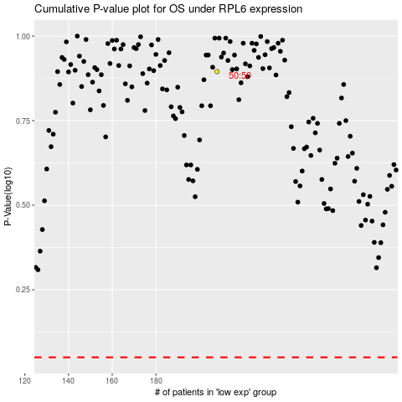

 |  |  |  |  |  | cases_OS | p_OS | rank | exp
 |  |  |  |  |  |  | cases_RFS | p_RFS | rank | exp

