RPL7 _multivariate
Reported by Tex Li-Hsing Chi. tex@gate.sinica.edu.tw 2019-08-16

Table 2. The clinicopathological features of HNSCC cohort and RPL7 expression. (Chi square test)
Cutoff at -0.581 (30.9%)
 |  | RPL7 expression |  | RPL7 expression |  | (Optimised)
 | Features | Low | (%) | High | (%) | Case no | P-value | Remark | Matthews
Gender | Female | 95 | 22.9 | 211 | 50.8 | 415 | 1 | 0 | 0
2 | Male | 34 | 8.2 | 75 | 18.1
Age at diagnosis | <=65y | 91 | 21.9 | 183 | 44.1 | 415 | 0.2328 | 0 | 0
4 | >65y | 38 | 9.2 | 103 | 24.8
Clinical T Status | T1+T2 | 47 | 11.3 | 102 | 24.6 | 415 | 0.9675 | 0 | 0
6 | T3+T4 | 82 | 19.8 | 184 | 44.3
Clinical N Status | N0 | 66 | 15.9 | 150 | 36.1 | 415 | 0.8916 | 0 | 0
8 | N1-3 | 63 | 15.2 | 136 | 32.8
Clinical M Status | M0 | 128 | 30.8 | 284 | 68.4 | 415 | 1 | 0 | 0
10 | M1 | 1 | 0.2 | 2 | 0.5
Clinical Stage | Stage I+II | 28 | 6.7 | 74 | 17.8 | 415 | 0.4297 | 0 | 0
12 | Stage III+IV | 101 | 24.3 | 212 | 51.1
Surgical Margin status | Negative | 93 | 22.4 | 225 | 54.2 | 415 | 0.1679 | 0 | 0
14 | Positive | 36 | 8.7 | 61 | 14.7
Tobacco Exposure | Low | 54 | 13 | 107 | 25.8 | 415 | 0.4463 | 0 | 0
16 | High | 75 | 18.1 | 179 | 43.1

Table 3. Univariate/Multivariate Cox's proportional hazards regression analyses on OS time of RPL7 gene expression in HNSCC

 |  | Univariate |  |  |  | Multivariate
 | Features | HR | CI95%(L) | CI95%(H) | P-value | HR | CI95%(L) | CI95%(H) | P-value
1 | Female | 1 |  |  |  | 1
Gender | Male | 1.157 | 0.843 | 1.587 | 0.367 | 1.269 | 0.906 | 1.776 | 0.165
11 | <=65y | 1 |  |  |  | 1
Age at diagnosis | >65y | 1.329 | 0.99 | 1.784 | 0.058 | 1.355 | 0.996 | 1.842 | 0.053
12 | T1+T2 | 1 |  |  |  | 1
Clinical T Status | T3+T4 | 1.409 | 1.028 | 1.931 | 0.033 | 2.132 | 1.13 | 4.023 | 0.019
13 | N0 | 1 |  |  |  | 1
Clinical N Status | N1-3 | 1.185 | 0.89 | 1.577 | 0.246 | 1.224 | 0.858 | 1.745 | 0.265
14 | M0 | 1 |  |  |  | 1
Clinical M Status | M1 | 4.097 | 1.009 | 16.644 | 0.049 | 9.6 | 2.093 | 44.039 | 0.004
15 | Stage I+II | 1 |  |  |  | 1
Clinical Stage | Stage III+IV | 1.245 | 0.882 | 1.759 | 0.213 | 0.544 | 0.253 | 1.166 | 0.118
16 | Negative | 1 |  |  |  | 1
Surgical Margin status | Positive | 1.591 | 1.155 | 2.191 | 0.004 | 1.695 | 1.226 | 2.343 | 0.001
17 | Low | 1 |  |  |  | 1
Tobacco Exposure | High | 1.364 | 1.008 | 1.844 | 0.044 | 1.478 | 1.07 | 2.041 | 0.018
18 | Low | 1 |  |  |  | 1
RNAseq(z-score) | High | 1.479 | 1.063 | 2.058 | 0.02 | 1.549 | 1.106 | 2.168 | 0.011

Table 4. Univariate/Multivariate Cox's proportional hazards regression analyses on RFS time of RPL7 gene expression in HNSCC

 |  | Univariate |  |  |  | Multivariate
 | Features | HR | CI95%(L) | CI95%(H) | P-value | HR | CI95%(L) | CI95%(H) | P-value
1 | Female | 1 |  |  |  | 1
Gender | Male | 1.157 | 0.843 | 1.587 | 0.367 | 1.269 | 0.906 | 1.776 | 0.165
11 | <=65y | 1 |  |  |  | 1
Age at diagnosis | >65y | 1.329 | 0.99 | 1.784 | 0.058 | 1.355 | 0.996 | 1.842 | 0.053
12 | T1+T2 | 1 |  |  |  | 1
Clinical T Status | T3+T4 | 1.409 | 1.028 | 1.931 | 0.033 | 2.132 | 1.13 | 4.023 | 0.019
13 | N0 | 1 |  |  |  | 1
Clinical N Status | N1-3 | 1.185 | 0.89 | 1.577 | 0.246 | 1.224 | 0.858 | 1.745 | 0.265
14 | M0 | 1 |  |  |  | 1
Clinical M Status | M1 | 4.097 | 1.009 | 16.644 | 0.049 | 9.6 | 2.093 | 44.039 | 0.004
15 | Stage I+II | 1 |  |  |  | 1
Clinical Stage | Stage III+IV | 1.245 | 0.882 | 1.759 | 0.213 | 0.544 | 0.253 | 1.166 | 0.118
16 | Negative | 1 |  |  |  | 1
Surgical Margin status | Positive | 1.591 | 1.155 | 2.191 | 0.004 | 1.695 | 1.226 | 2.343 | 0.001
17 | Low | 1 |  |  |  | 1
Tobacco Exposure | High | 1.364 | 1.008 | 1.844 | 0.044 | 1.478 | 1.07 | 2.041 | 0.018
18 | Low | 1 |  |  |  | 1
RNAseq(z-score) | High | 1.479 | 1.063 | 2.058 | 0.02 | 1.549 | 1.106 | 2.168 | 0.011

Kaplan-Meier survival estimate: Cutoff at -0.581 (30.9%)

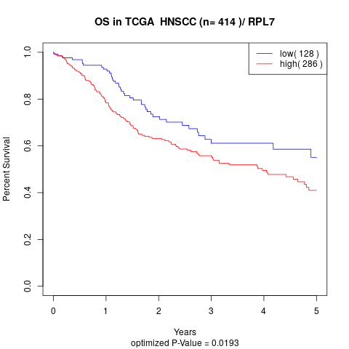

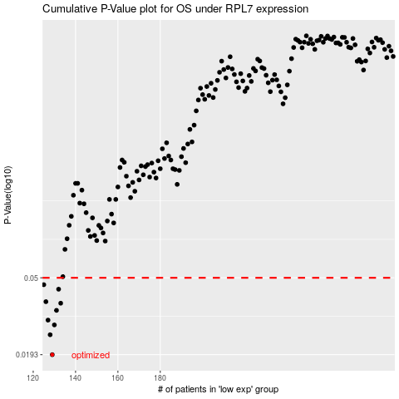

 |  |  |  |  |  | cases_OS | p_OS | rank | exp
 |  |  |  |  |  | 129 | 0.0193 | 213 | -0.58131926475
 |  |  |  |  |  | 128 | 0.0247 | 400 | -0.58162221694
 |  |  |  |  |  | 130 | 0.0279 | 266 | -0.58047767011
 |  |  |  |  |  | 127 | 0.0296 | 357 | -0.58247720929
 |  |  |  |  |  | 131 | 0.0334 | 86 | -0.57911438523
 |  |  |  |  |  | 133 | 0.0365 | 61 | -0.5720480526
 |  |  |  |  |  | 126 | 0.0372 | 121 | -0.58773977329
 |  |  |  |  |  | 132 | 0.0434 | 134 | -0.57661229539
 |  |  |  |  |  | 125 | 0.0459 | 139 | -0.59039826084
 |  |  |  |  |  |  | cases_RFS | p_RFS | rank | exp
 |  |  |  |  |  |  | 128 | 0.0193 | 400 | -0.58162221694
 |  |  |  |  |  |  | 127 | 0.0247 | 357 | -0.58247720929
 |  |  |  |  |  |  | 129 | 0.0279 | 213 | -0.58131926475
 |  |  |  |  |  |  | 126 | 0.0296 | 121 | -0.58773977329
 |  |  |  |  |  |  | 130 | 0.0334 | 266 | -0.58047767011
 |  |  |  |  |  |  | 132 | 0.0365 | 134 | -0.57661229539
 |  |  |  |  |  |  | 125 | 0.0372 | 139 | -0.59039826084
 |  |  |  |  |  |  | 131 | 0.0434 | 86 | -0.57911438523
 |  |  |  |  |  |  |  | 0.0459 | 414 | -0.59295339465

