RPL7A _multivariate
Reported by Tex Li-Hsing Chi. tex@gate.sinica.edu.tw 2019-08-16

Table 2. The clinicopathological features of HNSCC cohort and RPL7A expression. (Chi square test)
Cutoff at -0.331 (49.8%)
 |  | RPL7A expression |  | RPL7A expression |  | (Optimised)
 | Features | Low | (%) | High | (%) | Case no | P-value | Remark | Matthews
Gender | Female | 150 | 36.1 | 156 | 37.6 | 415 | 0.6344 | 0 | 0
2 | Male | 57 | 13.7 | 52 | 12.5
Age at diagnosis | <=65y | 144 | 34.7 | 130 | 31.3 | 415 | 0.1568 | 0 | 0
4 | >65y | 63 | 15.2 | 78 | 18.8
Clinical T Status | T1+T2 | 81 | 19.5 | 68 | 16.4 | 415 | 0.206 | 0 | 0
6 | T3+T4 | 126 | 30.4 | 140 | 33.7
Clinical N Status | N0 | 105 | 25.3 | 111 | 26.7 | 415 | 0.6598 | 0 | 0
8 | N1-3 | 102 | 24.6 | 97 | 23.4
Clinical M Status | M0 | 206 | 49.6 | 206 | 49.6 | 415 | 1 | 0 | 0
10 | M1 | 1 | 0.2 | 2 | 0.5
Clinical Stage | Stage I+II | 50 | 12 | 52 | 12.5 | 415 | 0.9315 | 0 | 0
12 | Stage III+IV | 157 | 37.8 | 156 | 37.6
Surgical Margin status | Negative | 164 | 39.5 | 154 | 37.1 | 415 | 0.2462 | 0 | 0
14 | Positive | 43 | 10.4 | 54 | 13
Tobacco Exposure | Low | 93 | 22.4 | 68 | 16.4 | 415 | 0.0118 | 1 | 0
16 | High | 114 | 27.5 | 140 | 33.7

Table 3. Univariate/Multivariate Cox's proportional hazards regression analyses on OS time of RPL7A gene expression in HNSCC

 |  | Univariate |  |  |  | Multivariate
 | Features | HR | CI95%(L) | CI95%(H) | P-value | HR | CI95%(L) | CI95%(H) | P-value
1 | Female | 1 |  |  |  | 1
Gender | Male | 1.157 | 0.843 | 1.587 | 0.367 | 1.209 | 0.865 | 1.689 | 0.267
11 | <=65y | 1 |  |  |  | 1
Age at diagnosis | >65y | 1.329 | 0.99 | 1.784 | 0.058 | 1.402 | 1.03 | 1.907 | 0.032
12 | T1+T2 | 1 |  |  |  | 1
Clinical T Status | T3+T4 | 1.409 | 1.028 | 1.931 | 0.033 | 2.229 | 1.177 | 4.223 | 0.014
13 | N0 | 1 |  |  |  | 1
Clinical N Status | N1-3 | 1.185 | 0.89 | 1.577 | 0.246 | 1.243 | 0.871 | 1.774 | 0.23
14 | M0 | 1 |  |  |  | 1
Clinical M Status | M1 | 4.097 | 1.009 | 16.644 | 0.049 | 9.591 | 2.089 | 44.039 | 0.004
15 | Stage I+II | 1 |  |  |  | 1
Clinical Stage | Stage III+IV | 1.245 | 0.882 | 1.759 | 0.213 | 0.498 | 0.232 | 1.07 | 0.074
16 | Negative | 1 |  |  |  | 1
Surgical Margin status | Positive | 1.591 | 1.155 | 2.191 | 0.004 | 1.689 | 1.219 | 2.339 | 0.002
17 | Low | 1 |  |  |  | 1
Tobacco Exposure | High | 1.364 | 1.008 | 1.844 | 0.044 | 1.468 | 1.063 | 2.026 | 0.02
18 | Low | 1 |  |  |  | 1
RNAseq(z-score) | High | 1.072 | 0.805 | 1.428 | 0.633 | 0.923 | 0.689 | 1.237 | 0.593

Table 4. Univariate/Multivariate Cox's proportional hazards regression analyses on RFS time of RPL7A gene expression in HNSCC

 |  | Univariate |  |  |  | Multivariate
 | Features | HR | CI95%(L) | CI95%(H) | P-value | HR | CI95%(L) | CI95%(H) | P-value
1 | Female | 1 |  |  |  | 1
Gender | Male | 1.157 | 0.843 | 1.587 | 0.367 | 1.209 | 0.865 | 1.689 | 0.267
11 | <=65y | 1 |  |  |  | 1
Age at diagnosis | >65y | 1.329 | 0.99 | 1.784 | 0.058 | 1.402 | 1.03 | 1.907 | 0.032
12 | T1+T2 | 1 |  |  |  | 1
Clinical T Status | T3+T4 | 1.409 | 1.028 | 1.931 | 0.033 | 2.229 | 1.177 | 4.223 | 0.014
13 | N0 | 1 |  |  |  | 1
Clinical N Status | N1-3 | 1.185 | 0.89 | 1.577 | 0.246 | 1.243 | 0.871 | 1.774 | 0.23
14 | M0 | 1 |  |  |  | 1
Clinical M Status | M1 | 4.097 | 1.009 | 16.644 | 0.049 | 9.591 | 2.089 | 44.039 | 0.004
15 | Stage I+II | 1 |  |  |  | 1
Clinical Stage | Stage III+IV | 1.245 | 0.882 | 1.759 | 0.213 | 0.498 | 0.232 | 1.07 | 0.074
16 | Negative | 1 |  |  |  | 1
Surgical Margin status | Positive | 1.591 | 1.155 | 2.191 | 0.004 | 1.689 | 1.219 | 2.339 | 0.002
17 | Low | 1 |  |  |  | 1
Tobacco Exposure | High | 1.364 | 1.008 | 1.844 | 0.044 | 1.468 | 1.063 | 2.026 | 0.02
18 | Low | 1 |  |  |  | 1
RNAseq(z-score) | High | 1.072 | 0.805 | 1.428 | 0.633 | 0.923 | 0.689 | 1.237 | 0.593

Kaplan-Meier survival estimate: Cutoff at -0.331 (49.8%)



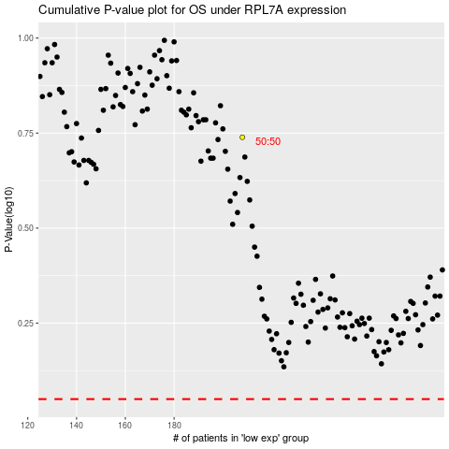

 |  |  |  |  |  | cases_OS | p_OS | rank | exp
 |  |  |  |  |  |  | cases_RFS | p_RFS | rank | exp

