RPLP0P2 _multivariate
Reported by Tex Li-Hsing Chi. tex@gate.sinica.edu.tw 2019-08-16

Table 2. The clinicopathological features of HNSCC cohort and RPLP0P2 expression. (Chi square test)
Cutoff at -0.176 (50.0%)
 |  | RPLP0P2 expression |  | RPLP0P2 expression |  | (Optimised)
 | Features | Low | (%) | High | (%) | Case no | P-value | Remark | Matthews
Gender | Female | 149 | 35.9 | 157 | 37.8 | 415 | 0.4848 | 0 | 0
2 | Male | 58 | 14 | 51 | 12.3
Age at diagnosis | <=65y | 134 | 32.3 | 140 | 33.7 | 415 | 0.6529 | 0 | 0
4 | >65y | 73 | 17.6 | 68 | 16.4
Clinical T Status | T1+T2 | 76 | 18.3 | 73 | 17.6 | 415 | 0.8092 | 0 | 0
6 | T3+T4 | 131 | 31.6 | 135 | 32.5
Clinical N Status | N0 | 112 | 27 | 104 | 25.1 | 415 | 0.4599 | 0 | 0
8 | N1-3 | 95 | 22.9 | 104 | 25.1
Clinical M Status | M0 | 205 | 49.4 | 207 | 49.9 | 415 | 0.6232 | 0 | 0
10 | M1 | 2 | 0.5 | 1 | 0.2
Clinical Stage | Stage I+II | 48 | 11.6 | 54 | 13 | 415 | 0.5878 | 0 | 0
12 | Stage III+IV | 159 | 38.3 | 154 | 37.1
Surgical Margin status | Negative | 162 | 39 | 156 | 37.6 | 415 | 0.4867 | 0 | 0
14 | Positive | 45 | 10.8 | 52 | 12.5
Tobacco Exposure | Low | 94 | 22.7 | 67 | 16.1 | 415 | 0.0065 | 1 | 0
16 | High | 113 | 27.2 | 141 | 34

Table 3. Univariate/Multivariate Cox's proportional hazards regression analyses on OS time of RPLP0P2 gene expression in HNSCC

 |  | Univariate |  |  |  | Multivariate
 | Features | HR | CI95%(L) | CI95%(H) | P-value | HR | CI95%(L) | CI95%(H) | P-value
1 | Female | 1 |  |  |  | 1
Gender | Male | 1.157 | 0.843 | 1.587 | 0.367 | 1.201 | 0.861 | 1.676 | 0.281
11 | <=65y | 1 |  |  |  | 1
Age at diagnosis | >65y | 1.329 | 0.99 | 1.784 | 0.058 | 1.386 | 1.02 | 1.883 | 0.037
12 | T1+T2 | 1 |  |  |  | 1
Clinical T Status | T3+T4 | 1.409 | 1.028 | 1.931 | 0.033 | 2.33 | 1.227 | 4.426 | 0.01
13 | N0 | 1 |  |  |  | 1
Clinical N Status | N1-3 | 1.185 | 0.89 | 1.577 | 0.246 | 1.282 | 0.896 | 1.835 | 0.174
14 | M0 | 1 |  |  |  | 1
Clinical M Status | M1 | 4.097 | 1.009 | 16.644 | 0.049 | 9.617 | 2.097 | 44.118 | 0.004
15 | Stage I+II | 1 |  |  |  | 1
Clinical Stage | Stage III+IV | 1.245 | 0.882 | 1.759 | 0.213 | 0.464 | 0.214 | 1.005 | 0.052
16 | Negative | 1 |  |  |  | 1
Surgical Margin status | Positive | 1.591 | 1.155 | 2.191 | 0.004 | 1.709 | 1.234 | 2.365 | 0.001
17 | Low | 1 |  |  |  | 1
Tobacco Exposure | High | 1.364 | 1.008 | 1.844 | 0.044 | 1.495 | 1.084 | 2.062 | 0.014
18 | Low | 1 |  |  |  | 1
RNAseq(z-score) | High | 0.896 | 0.672 | 1.195 | 0.454 | 0.799 | 0.594 | 1.074 | 0.137

Table 4. Univariate/Multivariate Cox's proportional hazards regression analyses on RFS time of RPLP0P2 gene expression in HNSCC

 |  | Univariate |  |  |  | Multivariate
 | Features | HR | CI95%(L) | CI95%(H) | P-value | HR | CI95%(L) | CI95%(H) | P-value
1 | Female | 1 |  |  |  | 1
Gender | Male | 1.157 | 0.843 | 1.587 | 0.367 | 1.201 | 0.861 | 1.676 | 0.281
11 | <=65y | 1 |  |  |  | 1
Age at diagnosis | >65y | 1.329 | 0.99 | 1.784 | 0.058 | 1.386 | 1.02 | 1.883 | 0.037
12 | T1+T2 | 1 |  |  |  | 1
Clinical T Status | T3+T4 | 1.409 | 1.028 | 1.931 | 0.033 | 2.33 | 1.227 | 4.426 | 0.01
13 | N0 | 1 |  |  |  | 1
Clinical N Status | N1-3 | 1.185 | 0.89 | 1.577 | 0.246 | 1.282 | 0.896 | 1.835 | 0.174
14 | M0 | 1 |  |  |  | 1
Clinical M Status | M1 | 4.097 | 1.009 | 16.644 | 0.049 | 9.617 | 2.097 | 44.118 | 0.004
15 | Stage I+II | 1 |  |  |  | 1
Clinical Stage | Stage III+IV | 1.245 | 0.882 | 1.759 | 0.213 | 0.464 | 0.214 | 1.005 | 0.052
16 | Negative | 1 |  |  |  | 1
Surgical Margin status | Positive | 1.591 | 1.155 | 2.191 | 0.004 | 1.709 | 1.234 | 2.365 | 0.001
17 | Low | 1 |  |  |  | 1
Tobacco Exposure | High | 1.364 | 1.008 | 1.844 | 0.044 | 1.495 | 1.084 | 2.062 | 0.014
18 | Low | 1 |  |  |  | 1
RNAseq(z-score) | High | 0.896 | 0.672 | 1.195 | 0.454 | 0.799 | 0.594 | 1.074 | 0.137

Kaplan-Meier survival estimate: Cutoff at -0.176 (50.0%)



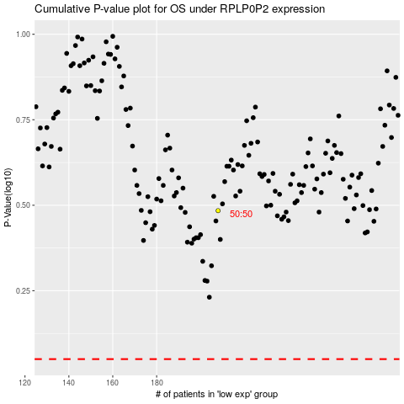

 |  |  |  |  |  | cases_OS | p_OS | rank | exp
 |  |  |  |  |  |  | cases_RFS | p_RFS | rank | exp

