RPP21 _multivariate
Reported by Tex Li-Hsing Chi. tex@gate.sinica.edu.tw 2019-08-16

Table 2. The clinicopathological features of HNSCC cohort and RPP21 expression. (Chi square test)
Cutoff at -0.294 (49.8%)
 |  | RPP21 expression |  | RPP21 expression |  | (Optimised)
 | Features | Low | (%) | High | (%) | Case no | P-value | Remark | Matthews
Gender | Female | 146 | 35.2 | 160 | 38.6 | 415 | 0.1714 | 0 | 0
2 | Male | 61 | 14.7 | 48 | 11.6
Age at diagnosis | <=65y | 126 | 30.4 | 148 | 35.7 | 415 | 0.035 | 1 | 0
4 | >65y | 81 | 19.5 | 60 | 14.5
Clinical T Status | T1+T2 | 82 | 19.8 | 67 | 16.1 | 415 | 0.1417 | 0 | 0
6 | T3+T4 | 125 | 30.1 | 141 | 34
Clinical N Status | N0 | 112 | 27 | 104 | 25.1 | 415 | 0.4599 | 0 | 0
8 | N1-3 | 95 | 22.9 | 104 | 25.1
Clinical M Status | M0 | 207 | 49.9 | 205 | 49.4 | 415 | 0.2482 | 0 | 0
10 | M1 | 0 | 0 | 3 | 0.7
Clinical Stage | Stage I+II | 60 | 14.5 | 42 | 10.1 | 415 | 0.0493 | 1 | 0
12 | Stage III+IV | 147 | 35.4 | 166 | 40
Surgical Margin status | Negative | 163 | 39.3 | 155 | 37.3 | 415 | 0.3537 | 0 | 0
14 | Positive | 44 | 10.6 | 53 | 12.8
Tobacco Exposure | Low | 91 | 21.9 | 70 | 16.9 | 415 | 0.0346 | 1 | 0
16 | High | 116 | 28 | 138 | 33.3

Table 3. Univariate/Multivariate Cox's proportional hazards regression analyses on OS time of RPP21 gene expression in HNSCC

 |  | Univariate |  |  |  | Multivariate
 | Features | HR | CI95%(L) | CI95%(H) | P-value | HR | CI95%(L) | CI95%(H) | P-value
1 | Female | 1 |  |  |  | 1
Gender | Male | 1.157 | 0.843 | 1.587 | 0.367 | 1.206 | 0.863 | 1.684 | 0.272
11 | <=65y | 1 |  |  |  | 1
Age at diagnosis | >65y | 1.329 | 0.99 | 1.784 | 0.058 | 1.377 | 1.011 | 1.875 | 0.043
12 | T1+T2 | 1 |  |  |  | 1
Clinical T Status | T3+T4 | 1.409 | 1.028 | 1.931 | 0.033 | 2.21 | 1.169 | 4.179 | 0.015
13 | N0 | 1 |  |  |  | 1
Clinical N Status | N1-3 | 1.185 | 0.89 | 1.577 | 0.246 | 1.242 | 0.87 | 1.772 | 0.233
14 | M0 | 1 |  |  |  | 1
Clinical M Status | M1 | 4.097 | 1.009 | 16.644 | 0.049 | 9.974 | 2.157 | 46.107 | 0.003
15 | Stage I+II | 1 |  |  |  | 1
Clinical Stage | Stage III+IV | 1.245 | 0.882 | 1.759 | 0.213 | 0.509 | 0.237 | 1.093 | 0.083
16 | Negative | 1 |  |  |  | 1
Surgical Margin status | Positive | 1.591 | 1.155 | 2.191 | 0.004 | 1.683 | 1.217 | 2.327 | 0.002
17 | Low | 1 |  |  |  | 1
Tobacco Exposure | High | 1.364 | 1.008 | 1.844 | 0.044 | 1.48 | 1.07 | 2.047 | 0.018
18 | Low | 1 |  |  |  | 1
RNAseq(z-score) | High | 0.976 | 0.732 | 1.301 | 0.87 | 0.894 | 0.663 | 1.206 | 0.464

Table 4. Univariate/Multivariate Cox's proportional hazards regression analyses on RFS time of RPP21 gene expression in HNSCC

 |  | Univariate |  |  |  | Multivariate
 | Features | HR | CI95%(L) | CI95%(H) | P-value | HR | CI95%(L) | CI95%(H) | P-value
1 | Female | 1 |  |  |  | 1
Gender | Male | 1.157 | 0.843 | 1.587 | 0.367 | 1.206 | 0.863 | 1.684 | 0.272
11 | <=65y | 1 |  |  |  | 1
Age at diagnosis | >65y | 1.329 | 0.99 | 1.784 | 0.058 | 1.377 | 1.011 | 1.875 | 0.043
12 | T1+T2 | 1 |  |  |  | 1
Clinical T Status | T3+T4 | 1.409 | 1.028 | 1.931 | 0.033 | 2.21 | 1.169 | 4.179 | 0.015
13 | N0 | 1 |  |  |  | 1
Clinical N Status | N1-3 | 1.185 | 0.89 | 1.577 | 0.246 | 1.242 | 0.87 | 1.772 | 0.233
14 | M0 | 1 |  |  |  | 1
Clinical M Status | M1 | 4.097 | 1.009 | 16.644 | 0.049 | 9.974 | 2.157 | 46.107 | 0.003
15 | Stage I+II | 1 |  |  |  | 1
Clinical Stage | Stage III+IV | 1.245 | 0.882 | 1.759 | 0.213 | 0.509 | 0.237 | 1.093 | 0.083
16 | Negative | 1 |  |  |  | 1
Surgical Margin status | Positive | 1.591 | 1.155 | 2.191 | 0.004 | 1.683 | 1.217 | 2.327 | 0.002
17 | Low | 1 |  |  |  | 1
Tobacco Exposure | High | 1.364 | 1.008 | 1.844 | 0.044 | 1.48 | 1.07 | 2.047 | 0.018
18 | Low | 1 |  |  |  | 1
RNAseq(z-score) | High | 0.976 | 0.732 | 1.301 | 0.87 | 0.894 | 0.663 | 1.206 | 0.464

Kaplan-Meier survival estimate: Cutoff at -0.294 (49.8%)



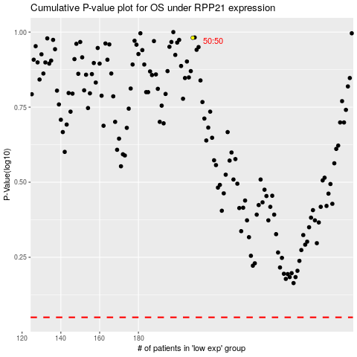

 |  |  |  |  |  | cases_OS | p_OS | rank | exp
 |  |  |  |  |  |  | cases_RFS | p_RFS | rank | exp

