RPP25 _multivariate
Reported by Tex Li-Hsing Chi. tex@gate.sinica.edu.tw 2019-08-16

Table 2. The clinicopathological features of HNSCC cohort and RPP25 expression. (Chi square test)
Cutoff at -0.253 (49.8%)
 |  | RPP25 expression |  | RPP25 expression |  | (Optimised)
 | Features | Low | (%) | High | (%) | Case no | P-value | Remark | Matthews
Gender | Female | 137 | 33 | 169 | 40.7 | 415 | 7e-04 | 1 | 0
2 | Male | 70 | 16.9 | 39 | 9.4
Age at diagnosis | <=65y | 132 | 31.8 | 142 | 34.2 | 415 | 0.3874 | 0 | 0
4 | >65y | 75 | 18.1 | 66 | 15.9
Clinical T Status | T1+T2 | 84 | 20.2 | 65 | 15.7 | 415 | 0.0603 | 0 | 0
6 | T3+T4 | 123 | 29.6 | 143 | 34.5
Clinical N Status | N0 | 115 | 27.7 | 101 | 24.3 | 415 | 0.184 | 1 | 0
8 | N1-3 | 92 | 22.2 | 107 | 25.8
Clinical M Status | M0 | 207 | 49.9 | 205 | 49.4 | 415 | 0.2482 | 0 | 0
10 | M1 | 0 | 0 | 3 | 0.7
Clinical Stage | Stage I+II | 67 | 16.1 | 35 | 8.4 | 415 | 4e-04 | 1 | 0
12 | Stage III+IV | 140 | 33.7 | 173 | 41.7
Surgical Margin status | Negative | 167 | 40.2 | 151 | 36.4 | 415 | 0.0632 | 0 | 0
14 | Positive | 40 | 9.6 | 57 | 13.7
Tobacco Exposure | Low | 103 | 24.8 | 58 | 14 | 415 | 0 | 1 | 0
16 | High | 104 | 25.1 | 150 | 36.1

Table 3. Univariate/Multivariate Cox's proportional hazards regression analyses on OS time of RPP25 gene expression in HNSCC

 |  | Univariate |  |  |  | Multivariate
 | Features | HR | CI95%(L) | CI95%(H) | P-value | HR | CI95%(L) | CI95%(H) | P-value
1 | Female | 1 |  |  |  | 1
Gender | Male | 1.157 | 0.843 | 1.587 | 0.367 | 1.189 | 0.851 | 1.662 | 0.31
11 | <=65y | 1 |  |  |  | 1
Age at diagnosis | >65y | 1.329 | 0.99 | 1.784 | 0.058 | 1.405 | 1.032 | 1.912 | 0.031
12 | T1+T2 | 1 |  |  |  | 1
Clinical T Status | T3+T4 | 1.409 | 1.028 | 1.931 | 0.033 | 2.183 | 1.154 | 4.13 | 0.016
13 | N0 | 1 |  |  |  | 1
Clinical N Status | N1-3 | 1.185 | 0.89 | 1.577 | 0.246 | 1.24 | 0.87 | 1.769 | 0.235
14 | M0 | 1 |  |  |  | 1
Clinical M Status | M1 | 4.097 | 1.009 | 16.644 | 0.049 | 9.891 | 2.146 | 45.577 | 0.003
15 | Stage I+II | 1 |  |  |  | 1
Clinical Stage | Stage III+IV | 1.245 | 0.882 | 1.759 | 0.213 | 0.525 | 0.243 | 1.133 | 0.101
16 | Negative | 1 |  |  |  | 1
Surgical Margin status | Positive | 1.591 | 1.155 | 2.191 | 0.004 | 1.69 | 1.222 | 2.338 | 0.002
17 | Low | 1 |  |  |  | 1
Tobacco Exposure | High | 1.364 | 1.008 | 1.844 | 0.044 | 1.496 | 1.078 | 2.078 | 0.016
18 | Low | 1 |  |  |  | 1
RNAseq(z-score) | High | 1.033 | 0.775 | 1.376 | 0.824 | 0.882 | 0.648 | 1.2 | 0.423

Table 4. Univariate/Multivariate Cox's proportional hazards regression analyses on RFS time of RPP25 gene expression in HNSCC

 |  | Univariate |  |  |  | Multivariate
 | Features | HR | CI95%(L) | CI95%(H) | P-value | HR | CI95%(L) | CI95%(H) | P-value
1 | Female | 1 |  |  |  | 1
Gender | Male | 1.157 | 0.843 | 1.587 | 0.367 | 1.189 | 0.851 | 1.662 | 0.31
11 | <=65y | 1 |  |  |  | 1
Age at diagnosis | >65y | 1.329 | 0.99 | 1.784 | 0.058 | 1.405 | 1.032 | 1.912 | 0.031
12 | T1+T2 | 1 |  |  |  | 1
Clinical T Status | T3+T4 | 1.409 | 1.028 | 1.931 | 0.033 | 2.183 | 1.154 | 4.13 | 0.016
13 | N0 | 1 |  |  |  | 1
Clinical N Status | N1-3 | 1.185 | 0.89 | 1.577 | 0.246 | 1.24 | 0.87 | 1.769 | 0.235
14 | M0 | 1 |  |  |  | 1
Clinical M Status | M1 | 4.097 | 1.009 | 16.644 | 0.049 | 9.891 | 2.146 | 45.577 | 0.003
15 | Stage I+II | 1 |  |  |  | 1
Clinical Stage | Stage III+IV | 1.245 | 0.882 | 1.759 | 0.213 | 0.525 | 0.243 | 1.133 | 0.101
16 | Negative | 1 |  |  |  | 1
Surgical Margin status | Positive | 1.591 | 1.155 | 2.191 | 0.004 | 1.69 | 1.222 | 2.338 | 0.002
17 | Low | 1 |  |  |  | 1
Tobacco Exposure | High | 1.364 | 1.008 | 1.844 | 0.044 | 1.496 | 1.078 | 2.078 | 0.016
18 | Low | 1 |  |  |  | 1
RNAseq(z-score) | High | 1.033 | 0.775 | 1.376 | 0.824 | 0.882 | 0.648 | 1.2 | 0.423

Kaplan-Meier survival estimate: Cutoff at -0.253 (49.8%)



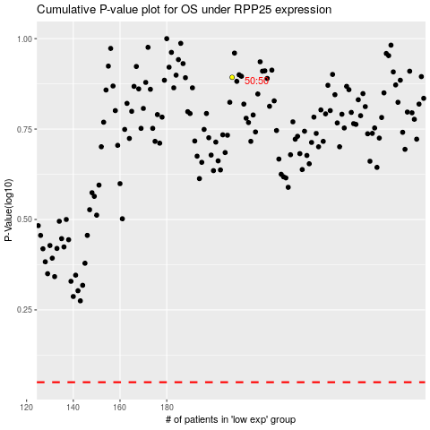

 |  |  |  |  |  | cases_OS | p_OS | rank | exp
 |  |  |  |  |  |  | cases_RFS | p_RFS | rank | exp

