RPRD1A _multivariate
Reported by Tex Li-Hsing Chi. tex@gate.sinica.edu.tw 2019-08-16

Table 2. The clinicopathological features of HNSCC cohort and RPRD1A expression. (Chi square test)
Cutoff at -0.25 (49.8%)
 |  | RPRD1A expression |  | RPRD1A expression |  | (Optimised)
 | Features | Low | (%) | High | (%) | Case no | P-value | Remark | Matthews
Gender | Female | 154 | 37.1 | 152 | 36.6 | 415 | 0.8463 | 0 | 0
2 | Male | 53 | 12.8 | 56 | 13.5
Age at diagnosis | <=65y | 138 | 33.3 | 136 | 32.8 | 415 | 0.8634 | 0 | 0
4 | >65y | 69 | 16.6 | 72 | 17.3
Clinical T Status | T1+T2 | 74 | 17.8 | 75 | 18.1 | 415 | 1 | 0 | 0
6 | T3+T4 | 133 | 32 | 133 | 32
Clinical N Status | N0 | 102 | 24.6 | 114 | 27.5 | 415 | 0.3031 | 0 | 0
8 | N1-3 | 105 | 25.3 | 94 | 22.7
Clinical M Status | M0 | 204 | 49.2 | 208 | 50.1 | 415 | 0.1232 | 0 | 0
10 | M1 | 3 | 0.7 | 0 | 0
Clinical Stage | Stage I+II | 53 | 12.8 | 49 | 11.8 | 415 | 0.7113 | 0 | 0
12 | Stage III+IV | 154 | 37.1 | 159 | 38.3
Surgical Margin status | Negative | 164 | 39.5 | 154 | 37.1 | 415 | 0.2462 | 0 | 0
14 | Positive | 43 | 10.4 | 54 | 13
Tobacco Exposure | Low | 78 | 18.8 | 83 | 20 | 415 | 0.6873 | 0 | 0
16 | High | 129 | 31.1 | 125 | 30.1

Table 3. Univariate/Multivariate Cox's proportional hazards regression analyses on OS time of RPRD1A gene expression in HNSCC

 |  | Univariate |  |  |  | Multivariate
 | Features | HR | CI95%(L) | CI95%(H) | P-value | HR | CI95%(L) | CI95%(H) | P-value
1 | Female | 1 |  |  |  | 1
Gender | Male | 1.157 | 0.843 | 1.587 | 0.367 | 1.206 | 0.862 | 1.686 | 0.275
11 | <=65y | 1 |  |  |  | 1
Age at diagnosis | >65y | 1.329 | 0.99 | 1.784 | 0.058 | 1.394 | 1.025 | 1.895 | 0.034
12 | T1+T2 | 1 |  |  |  | 1
Clinical T Status | T3+T4 | 1.409 | 1.028 | 1.931 | 0.033 | 2.215 | 1.168 | 4.197 | 0.015
13 | N0 | 1 |  |  |  | 1
Clinical N Status | N1-3 | 1.185 | 0.89 | 1.577 | 0.246 | 1.244 | 0.871 | 1.777 | 0.23
14 | M0 | 1 |  |  |  | 1
Clinical M Status | M1 | 4.097 | 1.009 | 16.644 | 0.049 | 9.597 | 2.065 | 44.599 | 0.004
15 | Stage I+II | 1 |  |  |  | 1
Clinical Stage | Stage III+IV | 1.245 | 0.882 | 1.759 | 0.213 | 0.5 | 0.232 | 1.079 | 0.077
16 | Negative | 1 |  |  |  | 1
Surgical Margin status | Positive | 1.591 | 1.155 | 2.191 | 0.004 | 1.668 | 1.206 | 2.306 | 0.002
17 | Low | 1 |  |  |  | 1
Tobacco Exposure | High | 1.364 | 1.008 | 1.844 | 0.044 | 1.455 | 1.056 | 2.006 | 0.022
18 | Low | 1 |  |  |  | 1
RNAseq(z-score) | High | 0.99 | 0.743 | 1.32 | 0.946 | 1.029 | 0.767 | 1.382 | 0.847

Table 4. Univariate/Multivariate Cox's proportional hazards regression analyses on RFS time of RPRD1A gene expression in HNSCC

 |  | Univariate |  |  |  | Multivariate
 | Features | HR | CI95%(L) | CI95%(H) | P-value | HR | CI95%(L) | CI95%(H) | P-value
1 | Female | 1 |  |  |  | 1
Gender | Male | 1.157 | 0.843 | 1.587 | 0.367 | 1.206 | 0.862 | 1.686 | 0.275
11 | <=65y | 1 |  |  |  | 1
Age at diagnosis | >65y | 1.329 | 0.99 | 1.784 | 0.058 | 1.394 | 1.025 | 1.895 | 0.034
12 | T1+T2 | 1 |  |  |  | 1
Clinical T Status | T3+T4 | 1.409 | 1.028 | 1.931 | 0.033 | 2.215 | 1.168 | 4.197 | 0.015
13 | N0 | 1 |  |  |  | 1
Clinical N Status | N1-3 | 1.185 | 0.89 | 1.577 | 0.246 | 1.244 | 0.871 | 1.777 | 0.23
14 | M0 | 1 |  |  |  | 1
Clinical M Status | M1 | 4.097 | 1.009 | 16.644 | 0.049 | 9.597 | 2.065 | 44.599 | 0.004
15 | Stage I+II | 1 |  |  |  | 1
Clinical Stage | Stage III+IV | 1.245 | 0.882 | 1.759 | 0.213 | 0.5 | 0.232 | 1.079 | 0.077
16 | Negative | 1 |  |  |  | 1
Surgical Margin status | Positive | 1.591 | 1.155 | 2.191 | 0.004 | 1.668 | 1.206 | 2.306 | 0.002
17 | Low | 1 |  |  |  | 1
Tobacco Exposure | High | 1.364 | 1.008 | 1.844 | 0.044 | 1.455 | 1.056 | 2.006 | 0.022
18 | Low | 1 |  |  |  | 1
RNAseq(z-score) | High | 0.99 | 0.743 | 1.32 | 0.946 | 1.029 | 0.767 | 1.382 | 0.847

Kaplan-Meier survival estimate: Cutoff at -0.25 (49.8%)



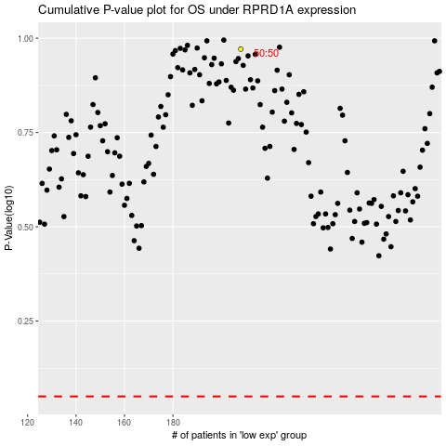

 |  |  |  |  |  | cases_OS | p_OS | rank | exp
 |  |  |  |  |  |  | cases_RFS | p_RFS | rank | exp

